Jan 2020
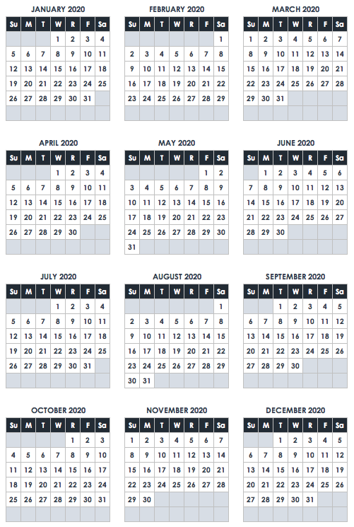
January 2020
SUN | MON | TUES | WED | THURS | FRI | SAT
 |  |  | 1 | 2 | 3 | 4
 |  |  | New Year's Day
5 | 6 | 7 | 8 | 9 | 10 | 11

12 | 13 | 14 | 15 | 16 | 17 | 18

19 | 20 | 21 | 22 | 23 | 24 | 25
 | Martin Luther King Jr Day
26 | 27 | 28 | 29 | 30 | 31

N O T E S

