Construction Risk Assessment
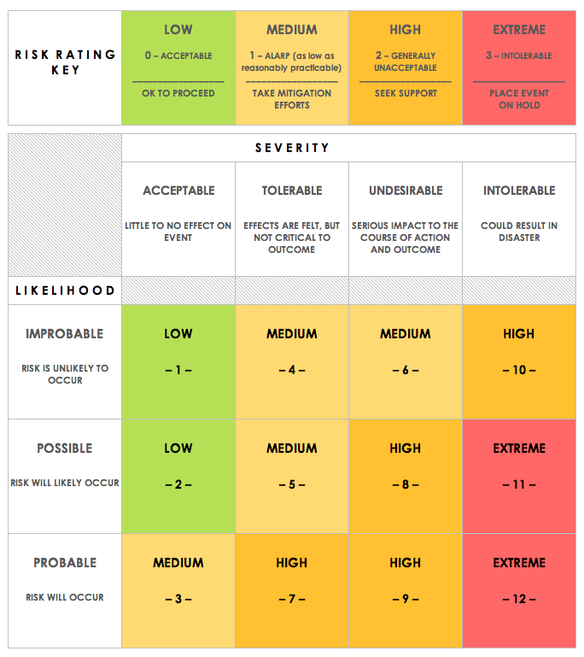
CONSTRUCTION RISK ASSESSMENT MATRIX TEMPLATE
REF/ID | RISK | RISK SEVERITY | RISK LIKELIHOOD | RISK LEVEL | PROJECT PHASE OR CATEGORY | PARTY RESPONSIBLE | RISK SEVERITY KEY | RISK LIKELIHOOD KEY | RISK LEVEL KEY
 |  | ACCEPTABLE | IMPROBABLE | LOW | PLANNING |  | ACCEPTABLE | IMPROBABLE | LOW
 |  | TOLERABLE | POSSIBLE | MEDIUM | ENGINEERING |  | TOLERABLE | POSSIBLE | MEDIUM
 |  | UNDESIRABLE | PROBABLE | HIGH | FINAL DESIGN |  | UNDESIRABLE | PROBABLE | HIGH
 |  | INTOLERABLE | PROBABLE | EXTREME | CONSTRUCTION |  | INTOLERABLE |  | EXTREME

CLICK HERE TO CREATE IN SMARTSHEET

