Sheet1
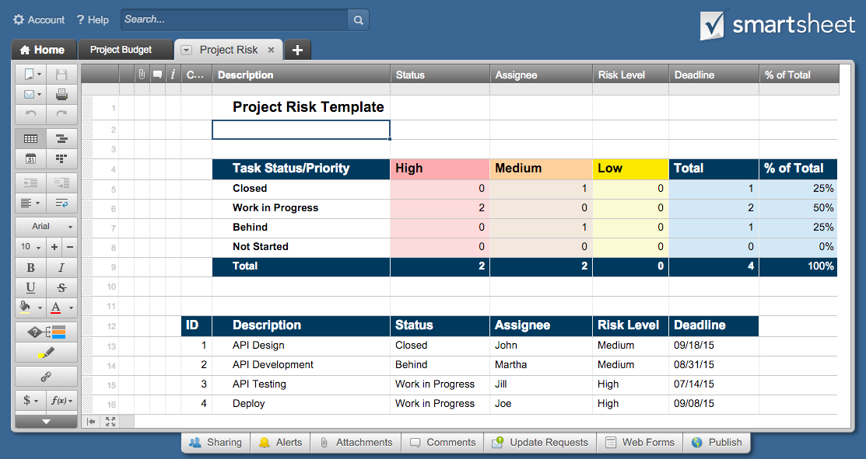
Project Risk Template

Task Status/Priority |  | High | Medium | Low | Total | % of Total
Closed |  | 0 | 1 | 0 | 1 | 25%
Work in Progress |  | 2 | 0 | 0 | 2 | 50%
Behind |  | 0 | 1 | 0 | 1 | 25%
Not Started |  | 0 | 0 | 0 | 0 | 0%
Total |  | 2 | 2 | 0 | 4

ID | Description | Status | Assignee | Risk Level | Deadline
1 | API Design | Closed | John | Medium | 2015-09-18
2 | API Development | Behind | Martha | Medium | 2015-08-31
3 | API Testing | Work in Progress | Jill | High | 2015-07-14
4 | Deploy | Work in Progress | Joe | High | 2015-09-08
5
6
7
8
9
10
11
12
13
14
15

Click Here to Track Project Risk in Smartsheet

