Change Order Request Summary
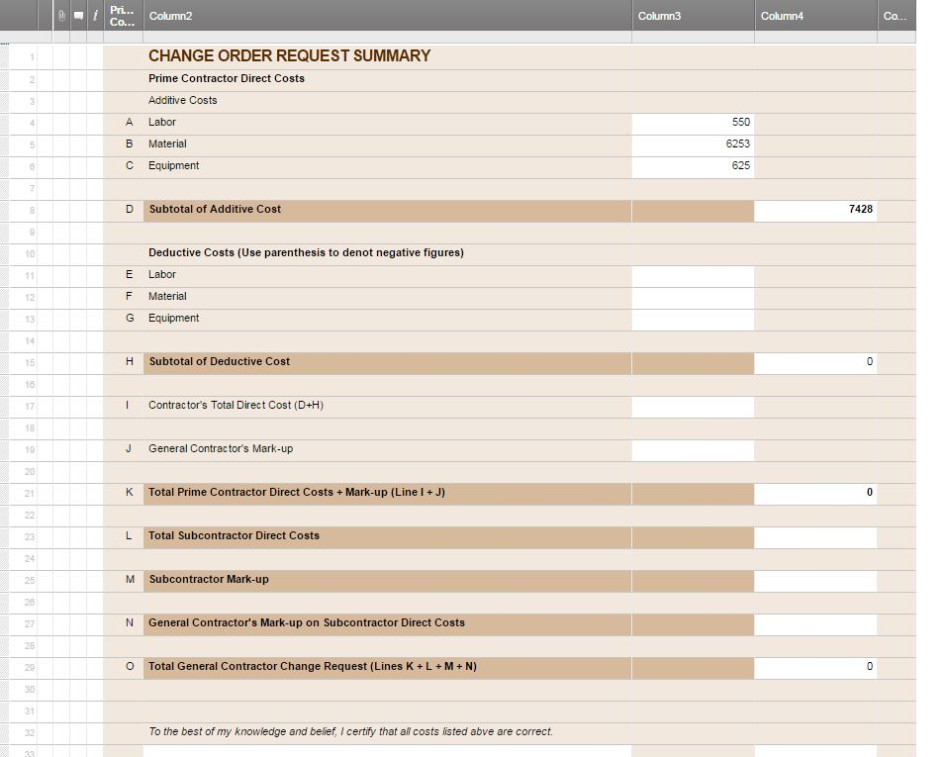
CONTRACTOR CHANGE ORDER REQUEST SUMMARY

Project Name: |  |  | C.O.R. NO:
Project NO: |  |  | Date:
 |  | Prime Contractor:

 |  | Description of Change:

 | Prime Contractor Direct Costs
 | Additive Costs
A | Labor
B | Material
C | Equipment

D | Subtotal of Additive Cost |  |  | 0

 | Deductive Costs (Use parenthesis to denot negative figures)
E | Labor
F | Material
G | Equipment

H | Subtotal of Deductive Cost |  |  | 0

I | Contractor's Total Direct Cost (D+H) |  |  | 0

J | General Contractor's Mark-up

K | Total Prime Contractor Direct Costs + Mark-up (Line I + J) |  |  | 0

L | Total Subcontractor Direct Costs

M | Subcontractor Mark-up

N | General Contractor's Mark-up on Subcontractor Direct Costs

O | Total General Contractor Change Request (Lines K + L + M + N) |  |  | 0

 | To the best of my knowledge and belief, I certify that all costs listed abve are correct.

 | Contractor Signature |  | Date

CREATE YOUR CHANGE ORDER REQUEST SUMMARY TEMPLATE IN SMARTSHEET

