Daily Observation Report
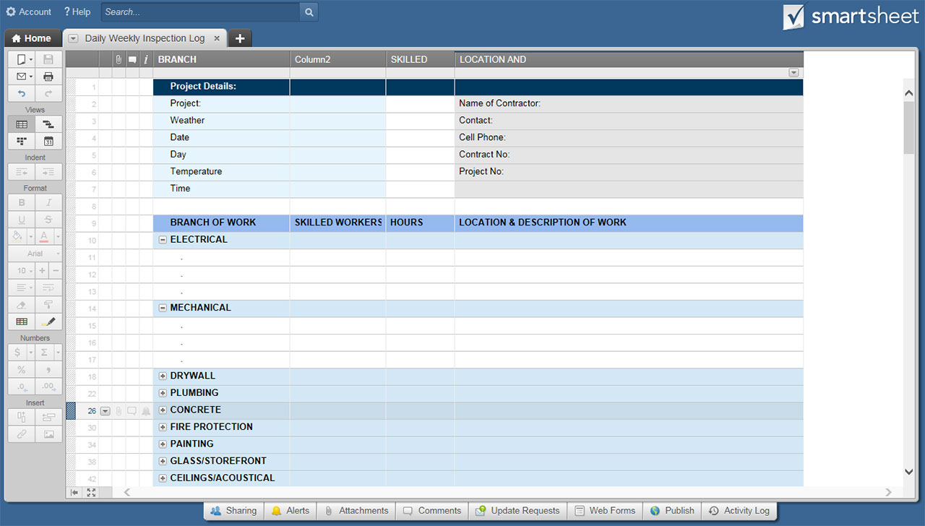
DAILY OBSERVATION REPORT TEMPLATE

PROJECT DETAILS
PROJECT NAME
PROJECT LOCATION
PROJECT #
PROJECT OWNER
REPORT #
CONTRACTOR NAME
CONTRACTOR REP/TITLE
WEATHER AND TEMPERATURE
DATE

CONTRACTOR WORK COMPLETED OBSERVATIONS
TRADE | # WORKERS | TOTAL HOURS | DESCRIBE WORK COMPLETED AND AREA
FIELD ENGINEER
JOURNEYMEN
APPRENTICE
LABORERS
CARPENTERS
CONCRETE FINISHERS
OPERATORS
IRONWORKERS
PIPE LAYERS
OTHER (LIST TRADE):
OTHER (LIST TRADE):
OTHER (LIST TRADE):
OTHER (LIST TRADE):
TOTALS | 0 | 0

EQUIPMENT DETAILS
EQUIPMENT ON SITE TODAY |  |  | DESCRIBE HOW EQUIPMENT WAS USED

VISITOR INFORMATION
VISITOR NAME |  |  |  | REPRESENTING

LIST ANY CAUSES FOR DISPUTE, CHANGES, DELAYS, ETC.

ADDITIONAL NOTES

PREPARER SIGNATURE |  |  |  | PREPARER TITLE

CLICK HERE TO CREATE DAILY OBSERVATION REPORT TEMPLATES IN SMARTSHEET

