Disaster Risk Reduction Mgmt
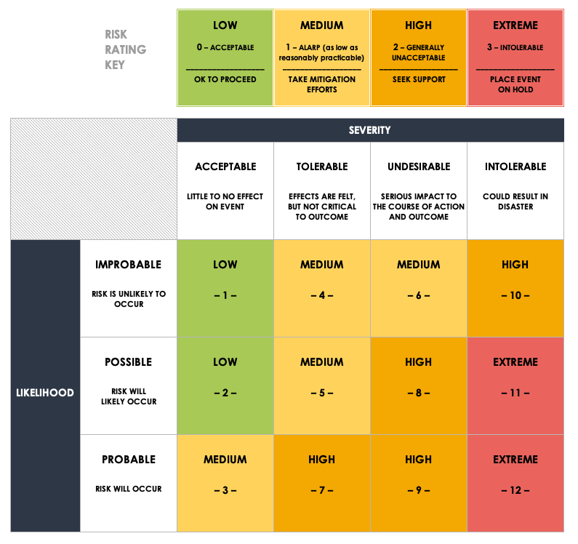
DISASTER RISK REDUCTION MANAGEMENT PLAN TEMPLATE
REF / ID | RISK | RISK SEVERITY | RISK LIKELIHOOD | RISK LEVEL | PHASE OR CATEGORY | PARTY RESPONSIBLE | SEVERITY KEY | LIKELIHOOD KEY | LEVEL KEY
 |  | ACCEPTABLE | IMPROBABLE | LOW |  |  | ACCEPTABLE | IMPROBABLE | LOW
 |  | TOLERABLE | POSSIBLE | MEDIUM |  |  | TOLERABLE | POSSIBLE | MEDIUM
 |  | UNDESIRABLE | PROBABLE | HIGH |  |  | UNDESIRABLE | PROBABLE | HIGH
 |  | INTOLERABLE | PROBABLE | EXTREME |  |  | INTOLERABLE |  | EXTREME
 |  |  |  | LOW

CLICK HERE TO CREATE IN SMARTSHEET

