Project Risk Matrix
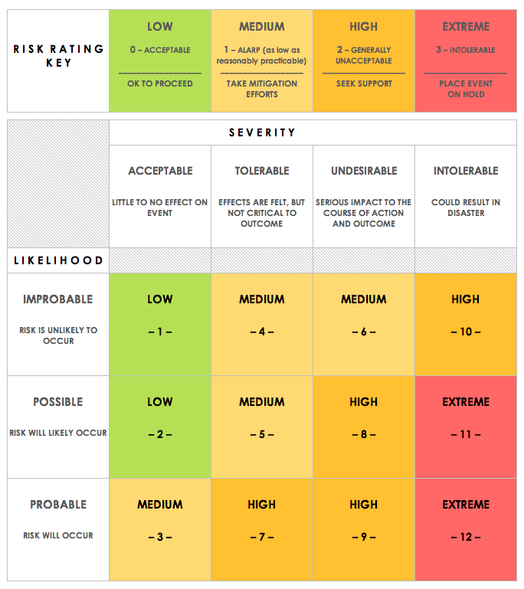
PROJECT RISK MATRIX TEMPLATE
REF/ID | RISK TYPE | RISK DESCRIPTION | RISK SEVERITY | RISK LIKELIHOOD | IMPACT LEVEL | TRIGGER | PARTY RESPONSIBLE | RESPONSE – BEFORE – | RESPONSE – CONTINGENCY – | RISK SEVERITY KEY | RISK LIKELIHOOD KEY | RISK LEVEL KEY
 | Financial |  | ACCEPTABLE | IMPROBABLE | LOW |  |  |  |  | ACCEPTABLE | IMPROBABLE | LOW
 | Legal/Contractual |  | TOLERABLE | POSSIBLE | MEDIUM |  |  |  |  | TOLERABLE | POSSIBLE | MEDIUM
 | Reputation / Customer Relations |  | UNDESIRABLE | PROBABLE | HIGH |  |  |  |  | UNDESIRABLE | PROBABLE | HIGH
 | Resources |  | INTOLERABLE | PROBABLE | EXTREME |  |  |  |  | INTOLERABLE |  | EXTREME

CLICK HERE TO CREATE IN SMARTSHEET

