Superintendent Daily Report
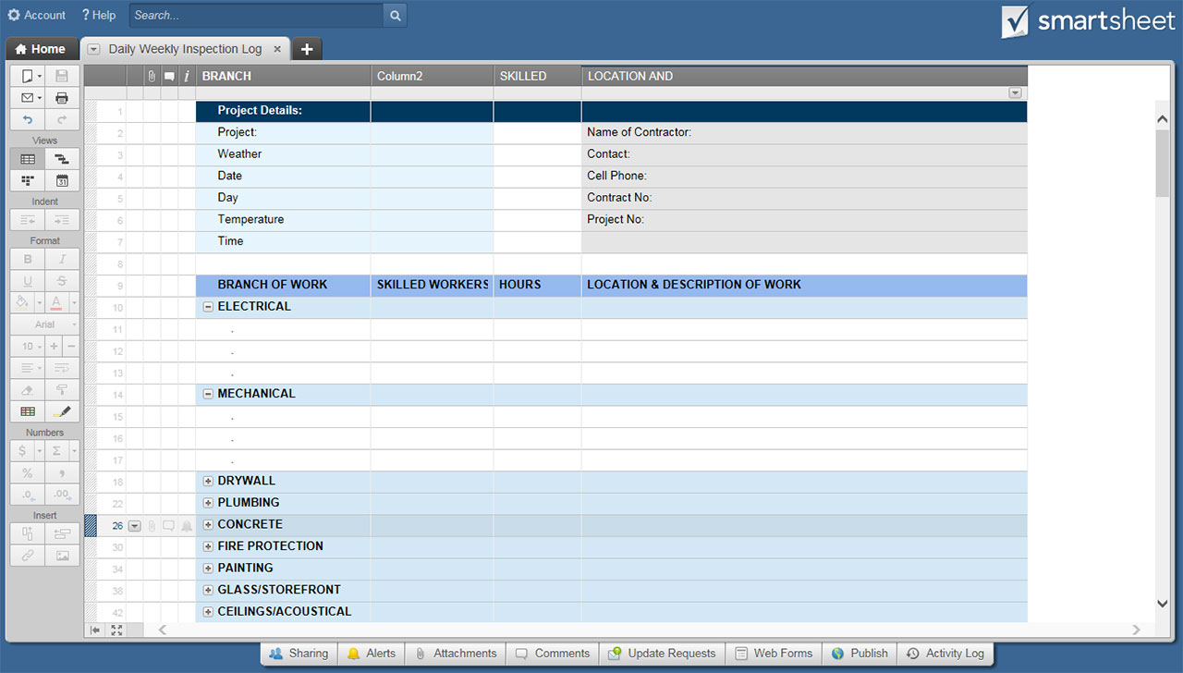
SUPERINTENDENT DAILY REPORT TEMPLATE

PROJECT DETAILS
PROJECT NAME
PROJECT LOCATION
PROJECT #
REPORT #
SUPERINTENDENT NAME
WEATHER AND TEMPERATURE
DATE

WORK COMPLETED DETAILS
TRADE | # WORKERS | TOTAL HOURS | DESCRIBE WORK COMPLETED AND AREA
SUPERINTENDENT
ASSISTANT SUPERINTENDENT
FOREMAN
FIELD ENGINEER
JOURNEYMEN
APPRENTICE
LABORERS
CARPENTERS
CONCRETE FINISHERS
OPERATORS
IRONWORKERS
PIPE LAYERS
OTHER (LIST TRADE):
OTHER (LIST TRADE):
OTHER (LIST TRADE):
OTHER (LIST TRADE):
TOTALS | 0 | 0

EQUIPMENT DETAILS
EQUIPMENT ON SITE TODAY |  |  | DESCRIBE HOW EQUIPMENT WAS USED

TEST DETAILS
TESTS PERFORMED |  | PASSED (LIST DETAILS) |  |  | FAILED (LIST DETAILS)

VISITOR INFORMATION
VISITOR NAME |  |  |  | REPRESENTING

RECEIVED MATERIALS DETAILS

DESCRIBE ANY PROBLEMS/ISSUES

PREPARER SIGNATURE |  |  |  | PREPARER TITLE

CLICK HERE TO CREATE SUPERINTENDENT DAILY REPORT TEMPLATES IN SMARTSHEET

