Project Budget
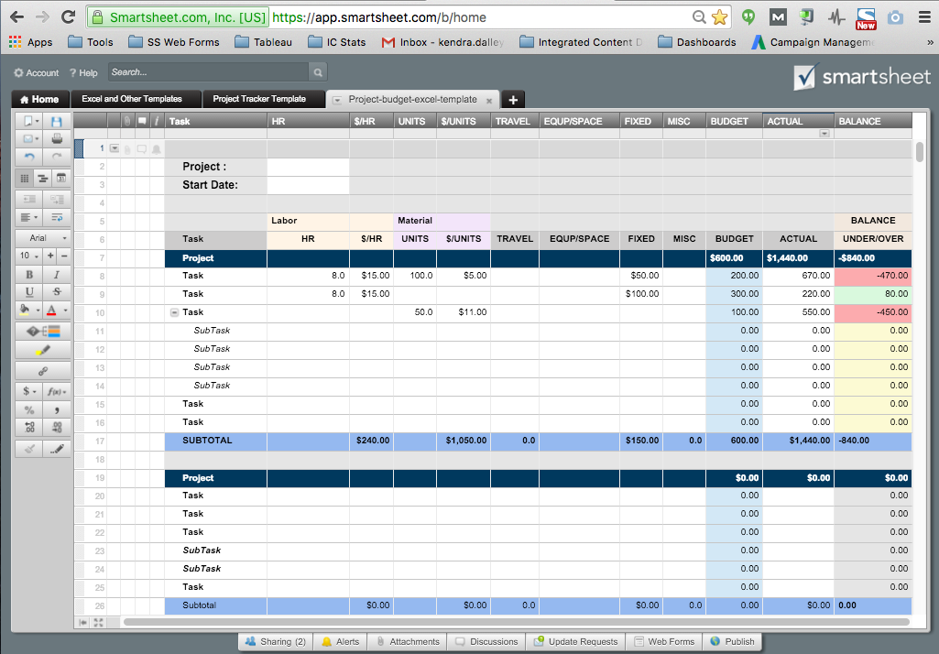
Project Budget Sheet

Project :
Start Date:

 | Labor |  | Materials |  |  |  | FIXED |  |  |  | BALANCE
Task | HR | $/HR | UNITS | $/UNITS | TRAVEL | EQUP/SPACE |  | MISC | BUDGET | ACTUAL | UNDER/OVER
Project |  |  |  |  |  |  |  |  | $600.00 | $1,440.00 | $(840.00)
Task | 8.0 | $15.00 | 100.0 | $5.00 |  |  | $50.00 |  | 200.00 | 670.00 | (470.00)
Task | 8.0 | $15.00 |  |  |  |  | $100.00 |  | 300.00 | 220.00 | 80.00
Task |  |  | 50.0 | $11.00 |  |  |  |  | 100.00 | 550.00 | (450.00)
SubTask |  |  |  |  |  |  |  |  | - | - | -
SubTask |  |  |  |  |  |  |  |  | - | - | -
SubTask |  |  |  |  |  |  |  |  | - | - | -
SubTask |  |  |  |  |  |  |  |  | - | - | -
Task |  |  |  |  |  |  |  |  | - | - | -
Task |  |  |  |  |  |  |  |  | - | - | -
SUBTOTAL |  | $240.00 |  | $1,050.00 | 0.0 |  | $150.00 | 0.0 | 600.00 | $1,440.00 | (840.00)

Project |  |  |  |  |  |  |  |  | $- | $- | $-
Task |  |  |  |  |  |  |  |  | - |  | -
Task |  |  |  |  |  |  |  |  | - |  | -
Task |  |  |  |  |  |  |  |  | - |  | -
SubTask |  |  |  |  |  |  |  |  | - |  | -
SubTask |  |  |  |  |  |  |  |  | - |  | -
Task |  |  |  |  |  |  |  |  | - |  | -
Subtotal |  | $0.00 |  | $0.00 | 0.0 |  | $0.00 | 0.0 | - | $0.00 | -

Or, Click Here to Create a Project Budget Sheet in Smartsheet

