Employee Weekly Status Report
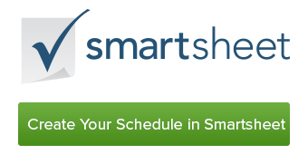
EMPLOYEE WEEKLY STATUS REPORT
DEPARTMENT NAME | Advertising | WEEK OF
EMPLOYEE NAME | Kelsey Hirsch | 2016-05-01 | through | 2016-05-07

TASKS COMPLETED

TASKS IN PROGRESS

TASKS TO BEGIN NEXT WEEK

TASKS TO BEGIN NEXT WEEK |  | URGENT ISSUES

SELF ASSESSMENT & COMMENTS

