EXAMPLE - Incident Action Plan
Incident Action Plan Template Example
Incident Information

Incident Name/ID: | 2025-WATER-001 | Date: | 2025-07-12
Incident Type: | Facility Emergency – Water Main Break | Location: | Main Building A, Floor 1
Operational Period: | 7/12/2025 – 7/14/2025 | Prepared by: | Guadalupe Garcia, HR Director

Objectives:
• Ensure employee safety and prevent entry to water-damaged areas • Maintain business continuity by relocating staff to remote work • Coordinate repair with the city water utility and building management • Resume normal operations within 72 hours

Action Plan:
Task | Person or Team Responsible | Resources |  | Timeline/Schedule
Shut off water to the affected area | Building Maintenance | Access to the utility control room |  | 7/12/2025 @ 9 AM
Notify staff and transition to remote work | HR Department | Company text alert system, Teams, email |  | 7/12/2025 @ 10 AM
Contact city utility and file report | Facility Manager | Local utility contact list, incident log |  | 7/12/2025 @ 10:30 AM

Roles and Responsibilities:
Name & Title | Responsibilities | Phone |  | Email
Krista Ahmed, HR Director | Staff communication, safety notifications | 555-123-000 |  | kahmed@email.com
Romy Bailey, Facility Manager | Coordinate with utilities and vendors | 555-123-1111 |  | rbailey@email.com
Leigh Gibbs, Office Administrator | Data backup integrity, network access | 555-123-1234 |  | lgibbs@email.com

Communication Plan:
Internal Employees: Alert via company text system, email, and Teams message from HR by 10:00 AM on July 12 City Utility Department: Facility Manager to call emergency utility line at 512-555-4000 and submit written incident report Building Owner/Management: Written report emailed by 11:00 AM; phone follow-up by 2:00 PM Insurance Provider: Submit incident documentation and initial photos by July 13

Incident Mapping:
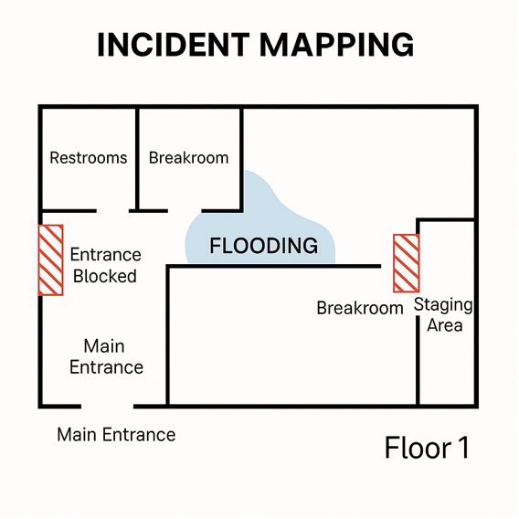 Mark entrances blocked due to flooding. Mark staging area for cleanup crews near back loading dock.

CLICK HERE TO CREATE IN SMARTSHEET

