Jan 2022
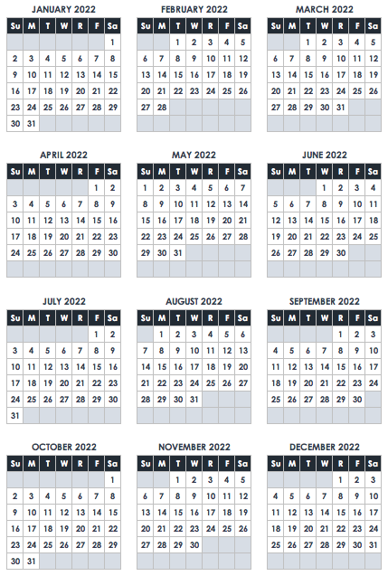
January 2022
SUN | MON | TUES | WED | THURS | FRI | SAT
 |  |  |  |  |  | 1
 |  |  |  |  |  | New Year's Day
2 | 3 | 4 | 5 | 6 | 7 | 8

9 | 10 | 11 | 12 | 13 | 14 | 15

16 | 17 | 18 | 19 | 20 | 21 | 22
 | Martin Luther King Jr Day
23 | 24 | 25 | 26 | 27 | 28 | 29

30 | 31 | N O T E S

