Milestone Trend Analysis
To create Trend Lines,
go to > Insert > Shapes
and from the Lines options
> select Freeform
MILESTONE TREND ANALYSIS TEMPLATE
 |  | JAN | FEB | MAR | APR | MAY | JUN | JUL | AUG | SEP | OCT | NOV | DEC
PROJECT END | DEC
TASK 10 | NOV
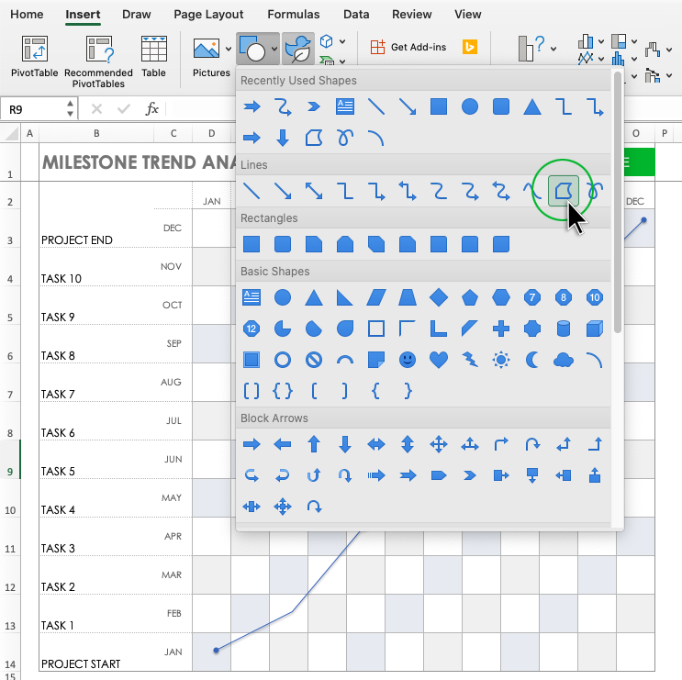
TASK 9 | OCT
TASK 8 | SEP
TASK 7 | AUG
TASK 6 | JUL
TASK 5 | JUN
TASK 4 | MAY
TASK 3 | APR
TASK 2 | MAR
TASK 1 | FEB
PROJECT START | JAN

CLICK HERE TO CREATE IN SMARTSHEET

