Project Mgmt Risk Assessment
PROJECT MANAGEMENT RISK ASSESSMENT TEMPLATE
PROJECT ID | PROJECT NAME |  |  |  |  |  | PROJECT MANAGER

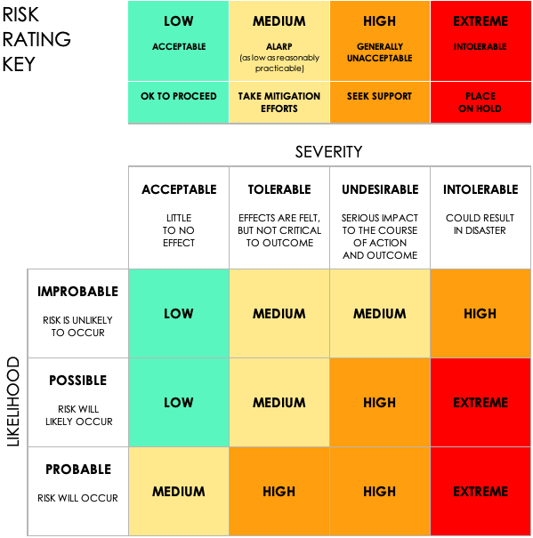
 |  |  | PRE-MITIGATION |  |  |  | POST-MITIGATION
REF / ID | ACTIVITY | RISK | RISK SEVERITY | RISK LIKELIHOOD | RISK LEVEL | MITIGATIONS / WARNINGS / REMEDIES | RISK SEVERITY | RISK LIKELIHOOD | RISK LEVEL | ACCEPTABLE TO PROCEED? | RISK SEVERITY | RISK LIKELIHOOD | RISK LEVEL | ACCEPTABLE TO PROCEED?
 |  |  | ACCEPTABLE | PROBABLE | LOW |  | ACCEPTABLE | IMPROBABLE | LOW | YES | ACCEPTABLE | IMPROBABLE | LOW | YES
 |  |  | TOLERABLE | POSSIBLE | MEDIUM |  | ACCEPTABLE | IMPROBABLE | LOW | YES | TOLERABLE | POSSIBLE | MEDIUM | NO
 |  |  | UNDESIRABLE | PROBABLE | HIGH |  | TOLERABLE | POSSIBLE | MEDIUM | YES | UNDESIRABLE | PROBABLE | HIGH
 |  |  | INTOLERABLE | PROBABLE | EXTREME |  | UNDESIRABLE | PROBABLE | HIGH | NO | INTOLERABLE |  | EXTREME

CLICK HERE TO CREATE IN SMARTSHEET

