BLANK Employee Vacation Tracker
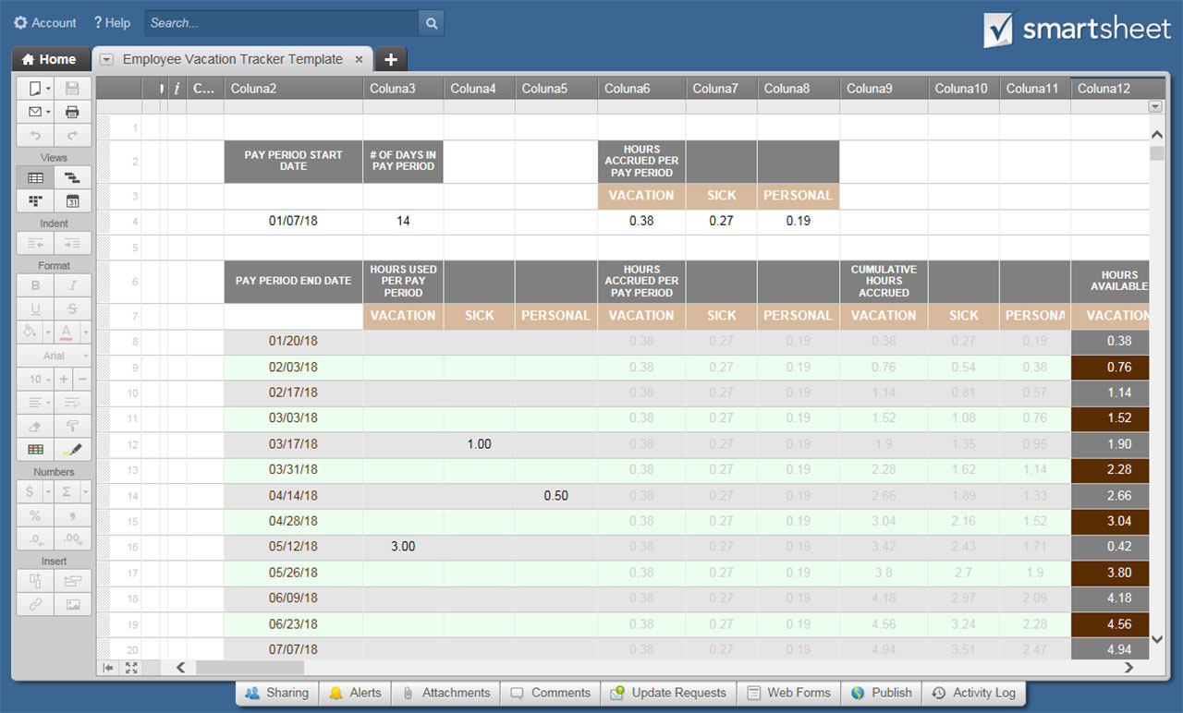
EMPLOYEE VACATION TRACKER TEMPLATE
COMPANY |  |  |  |  |  |  | EMPLOYEE

PAY PERIOD START DATE | # OF DAYS IN PAY PERIOD |  |  | HOURS ACCRUED PER PAY PERIOD
 |  |  |  | VACATION | SICK | PERSONAL
0 | 0 |  |  | 0 | 0 | 0

PAY PERIOD END DATE | HOURS USED PER PAY PERIOD |  |  | HOURS ACCRUED PER PAY PERIOD |  |  | CUMULATIVE HOURS ACCRUED |  |  | HOURS AVAILABLE
 | VACATION | SICK | PERSONAL | VACATION | SICK | PERSONAL | VACATION | SICK | PERSONAL | VACATION | SICK | PERSONAL
-1 |  |  |  | 0 | 0 | 0 | 0 | 0 | 0 | 0.00 | 0.00 | 0.00
-1 |  |  |  | 0 | 0 | 0 | 0 | 0 | 0 | 0.00 | 0.00 | 0.00
-1 |  |  |  | 0 | 0 | 0 | 0 | 0 | 0 | 0.00 | 0.00 | 0.00
-1 |  |  |  | 0 | 0 | 0 | 0 | 0 | 0 | 0.00 | 0.00 | 0.00
-1 |  |  |  | 0 | 0 | 0 | 0 | 0 | 0 | 0.00 | 0.00 | 0.00
-1 |  |  |  | 0 | 0 | 0 | 0 | 0 | 0 | 0.00 | 0.00 | 0.00
-1 |  |  |  | 0 | 0 | 0 | 0 | 0 | 0 | 0.00 | 0.00 | 0.00
-1 |  |  |  | 0 | 0 | 0 | 0 | 0 | 0 | 0.00 | 0.00 | 0.00
-1 |  |  |  | 0 | 0 | 0 | 0 | 0 | 0 | 0.00 | 0.00 | 0.00
-1 |  |  |  | 0 | 0 | 0 | 0 | 0 | 0 | 0.00 | 0.00 | 0.00
-1 |  |  |  | 0 | 0 | 0 | 0 | 0 | 0 | 0.00 | 0.00 | 0.00
-1 |  |  |  | 0 | 0 | 0 | 0 | 0 | 0 | 0.00 | 0.00 | 0.00
-1 |  |  |  | 0 | 0 | 0 | 0 | 0 | 0 | 0.00 | 0.00 | 0.00
-1 |  |  |  | 0 | 0 | 0 | 0 | 0 | 0 | 0.00 | 0.00 | 0.00
-1 |  |  |  | 0 | 0 | 0 | 0 | 0 | 0 | 0.00 | 0.00 | 0.00
-1 |  |  |  | 0 | 0 | 0 | 0 | 0 | 0 | 0.00 | 0.00 | 0.00
-1 |  |  |  | 0 | 0 | 0 | 0 | 0 | 0 | 0.00 | 0.00 | 0.00
-1 |  |  |  | 0 | 0 | 0 | 0 | 0 | 0 | 0.00 | 0.00 | 0.00
-1 |  |  |  | 0 | 0 | 0 | 0 | 0 | 0 | 0.00 | 0.00 | 0.00
-1 |  |  |  | 0 | 0 | 0 | 0 | 0 | 0 | 0.00 | 0.00 | 0.00
-1 |  |  |  | 0 | 0 | 0 | 0 | 0 | 0 | 0.00 | 0.00 | 0.00
-1 |  |  |  | 0 | 0 | 0 | 0 | 0 | 0 | 0.00 | 0.00 | 0.00
-1 |  |  |  | 0 | 0 | 0 | 0 | 0 | 0 | 0.00 | 0.00 | 0.00
-1 |  |  |  | 0 | 0 | 0 | 0 | 0 | 0 | 0.00 | 0.00 | 0.00
-1 |  |  |  | 0 | 0 | 0 | 0 | 0 | 0 | 0.00 | 0.00 | 0.00
-1 |  |  |  | 0 | 0 | 0 | 0 | 0 | 0 | 0.00 | 0.00 | 0.00
-1 |  |  |  | 0 | 0 | 0 | 0 | 0 | 0 | 0.00 | 0.00 | 0.00
-1 |  |  |  | 0 | 0 | 0 | 0 | 0 | 0 | 0.00 | 0.00 | 0.00
-1 |  |  |  | 0 | 0 | 0 | 0 | 0 | 0 | 0.00 | 0.00 | 0.00
-1 |  |  |  | 0 | 0 | 0 | 0 | 0 | 0 | 0.00 | 0.00 | 0.00
-1 |  |  |  | 0 | 0 | 0 | 0 | 0 | 0 | 0.00 | 0.00 | 0.00
-1 |  |  |  | 0 | 0 | 0 | 0 | 0 | 0 | 0.00 | 0.00 | 0.00
-1 |  |  |  | 0 | 0 | 0 | 0 | 0 | 0 | 0.00 | 0.00 | 0.00
-1 |  |  |  | 0 | 0 | 0 | 0 | 0 | 0 | 0.00 | 0.00 | 0.00
-1 |  |  |  | 0 | 0 | 0 | 0 | 0 | 0 | 0.00 | 0.00 | 0.00
-1 |  |  |  | 0 | 0 | 0 | 0 | 0 | 0 | 0.00 | 0.00 | 0.00
-1 |  |  |  | 0 | 0 | 0 | 0 | 0 | 0 | 0.00 | 0.00 | 0.00
-1 |  |  |  | 0 | 0 | 0 | 0 | 0 | 0 | 0.00 | 0.00 | 0.00
-1 |  |  |  | 0 | 0 | 0 | 0 | 0 | 0 | 0.00 | 0.00 | 0.00
-1 |  |  |  | 0 | 0 | 0 | 0 | 0 | 0 | 0.00 | 0.00 | 0.00
-1 |  |  |  | 0 | 0 | 0 | 0 | 0 | 0 | 0.00 | 0.00 | 0.00
-1 |  |  |  | 0 | 0 | 0 | 0 | 0 | 0 | 0.00 | 0.00 | 0.00
-1 |  |  |  | 0 | 0 | 0 | 0 | 0 | 0 | 0.00 | 0.00 | 0.00
-1 |  |  |  | 0 | 0 | 0 | 0 | 0 | 0 | 0.00 | 0.00 | 0.00
-1 |  |  |  | 0 | 0 | 0 | 0 | 0 | 0 | 0.00 | 0.00 | 0.00
-1 |  |  |  | 0 | 0 | 0 | 0 | 0 | 0 | 0.00 | 0.00 | 0.00
-1 |  |  |  | 0 | 0 | 0 | 0 | 0 | 0 | 0.00 | 0.00 | 0.00
-1 |  |  |  | 0 | 0 | 0 | 0 | 0 | 0 | 0.00 | 0.00 | 0.00
-1 |  |  |  | 0 | 0 | 0 | 0 | 0 | 0 | 0.00 | 0.00 | 0.00
-1 |  |  |  | 0 | 0 | 0 | 0 | 0 | 0 | 0.00 | 0.00 | 0.00
-1 |  |  |  | 0 | 0 | 0 | 0 | 0 | 0 | 0.00 | 0.00 | 0.00
-1 |  |  |  | 0 | 0 | 0 | 0 | 0 | 0 | 0.00 | 0.00 | 0.00

CLICK HERE TO CREATE EMPLOYEE VACATION TRACKER TEMPLATES IN SMARTSHEET

