Project Control Report
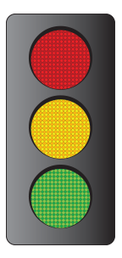
RISKS / ROADBLOCKS
POTENTIAL RISKS
ON TRACK
PROJECT CONTROL REPORT TEMPLATE
 |  | PROJECT NAME |  | STATUS KEY
 |  | PROJECT MANAGER |  | RISKS / ROADBLOCKS
 |  | PROJECT CODE |  | POTENTIAL RISKS
 |  | DATE OF STATUS ENTRY |  | ON TRACK
 |  | PERIOD COVERED
PROJECT STATUS THIS PERIOD
OVERALL PROJECT STATUS | ON TRACK | NOTES | Enter information here about overall status and highlights. Examples: “Regained lost time from last period;" "QA began two days earlier than anticipated;" "Delay in some client feedback, but minimal.”

PROJECT COMPONENTS
COMPONENT | STATUS | OWNER / TEAM | NOTES
BUDGET | POTENTIAL RISKS |  | Call out highlights. Examples: "Exceptional work," "Solved problems, as well as issues, including establishing ownership for fixing trouble spots."
RESOURCES | RISKS / ROADBLOCKS
TIMELINE | POTENTIAL RISKS
SCOPE | ON TRACK
RISKS
ROADBLOCKS
OTHER
OTHER

CLICK HERE TO CREATE IN SMARTSHEET

