EXAMPLE - Project Risk Log
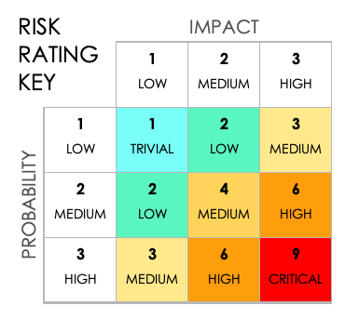
PROJECT RISK LOG TEMPLATE
 |  |  |  |  |  |  | DO NOT ALTER
REF / ID | RISK | RISK OWNER | RISK TRIGGER | RISK CATEGORY | PROBABILITY 1 – 3 | IMPACT 1 – 3 | PI SCORE | EXPECTED RESULT | NO ACTION | POSITIVE RISK RESPONSE | NEGATIVE RISK RESPONSE | RESPONSE TRIGGER | RESPONSE OWNER | RESPONSE DESCRIPTION | EXPECTED RESPONSE IMPACT
 |  |  |  |  | 1 | 1 | 1 |  | ACCEPT | ACCEPT
 |  |  |  |  | 1 | 2 | 2 |  | ENHANCE | MITIGATE
 |  |  |  |  | 1 | 3 | 3 |  | SHARE | TRANSFER
 |  |  |  |  | 2 | 2 | 4 |  | EXPLOIT | AVOID
 |  |  |  |  | 2 | 3 | 6
 |  |  |  |  | 3 | 3 | 9

CLICK HERE TO CREATE IN SMARTSHEET

