EX - Risk Management Matrix
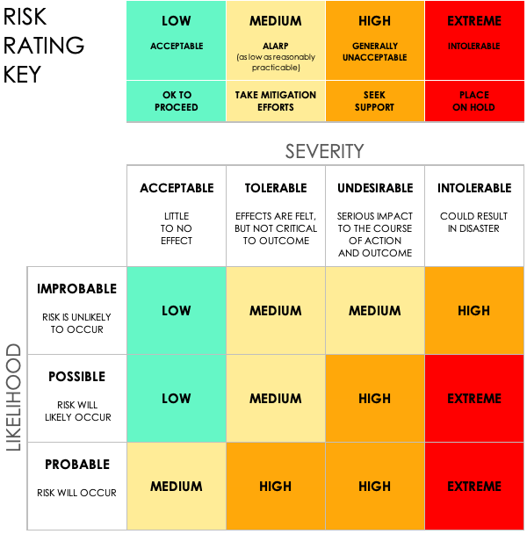
RISK MANAGEMENT MATRIX TEMPLATE
PROJECT ID | PROJECT NAME |  |  |  |  |  | PROJECT MANAGER

OBJECTIVE

 |  |  | PRE-MITIGATION |  |  |  | POST-MITIGATION
REF / ID | RISK | DEPARTMENT / LOCATION | RISK SEVERITY | RISK LIKELIHOOD | RISK LEVEL | MITIGATIONS / WARNINGS / REMEDIES | RISK SEVERITY | RISK LIKELIHOOD | RISK LEVEL | ACCEPTABLE TO PROCEED?
 |  |  | ACCEPTABLE | POSSIBLE | LOW |  | ACCEPTABLE | IMPROBABLE | LOW | YES
 |  |  | TOLERABLE | POSSIBLE | MEDIUM |  | ACCEPTABLE | IMPROBABLE | LOW | YES
 |  |  | UNDESIRABLE | PROBABLE | HIGH |  | TOLERABLE | POSSIBLE | MEDIUM | YES
 |  |  | INTOLERABLE | PROBABLE | EXTREME |  | UNDESIRABLE | PROBABLE | HIGH | NO
 |  |  | ACCEPTABLE | POSSIBLE | LOW |  | ACCEPTABLE | IMPROBABLE | LOW | YES
 |  |  | ACCEPTABLE | IMPROBABLE | LOW |  | ACCEPTABLE | IMPROBABLE | LOW | YES

CLICK HERE TO CREATE IN SMARTSHEET

