BLANK - PM Contingeny Plan
 | PROJECT MANAGEMENT CONTINGENCY PLAN TEMPLATE
 | PROJECT OWNERSHIP
 | PROJECT NAME
 | PROJECT OVERVIEW
 | PROJECT MANAGER
 | CONTACT INFO
 | PHONE | EMAIL |  | MAILING ADDRESS

 | VERSION
 | VERSION |  | DATE | AUTHOR

 | REASON

 | SECTIONS IMPACTED
 | SECTION TITLE |  | AMENDMENT

 | DISTRIBUTION
 | DELIVERY METHOD |  | ISSUE DATE | ISSUED TO

 | EXECUTIVE SUMMARY
 | CONTINGENCY PLAN EVALUATION PROCESS

 | DEVELOPMENT OF RISK PREVENTION MITIGATION STRATEGIES PROCESS

 | REVIEW SCHEDULE, PROCESS, AND RESPONSIBLE PARTIES

 | CONTINGENCY MANAGEMENT ROLES AND RESPONSIBILITIES
 | NAME |  | ROLE | RESPONSIBILITIES

 | CONTINGENCY REPORTING PROCESS

 | CONTINGENCY ASSESSMENT
 | CONTINGENCY IDENTIFICATION
 | CONTINGENCY OVERVIEW |  |  | EVENT OR THREAT TRIGGERS

 | REGISTER
 | IDENTIFIED RISK |  | CURRENT STATUS | RISK MITIGATION STRATEGIES

 | CONTINGENCY ANALYSIS AND EVALUATION
 |  |  | 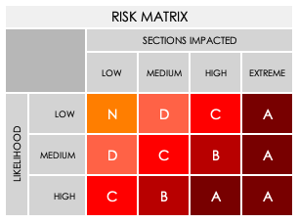

 | Complete the following for each IDENTIFIED RISK. See MATRIX above.
 | IDENTIFIED RISK |  | RISK GRADE | POTENTIAL IMPACT

 | MITIGATION
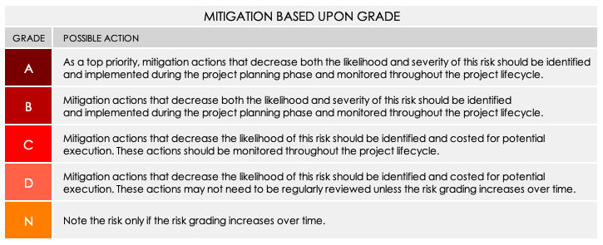
 | Complete the following for each IDENTIFIED RISK. See MITIGATION CHART above.
 | IDENTIFIED RISK
 | GRADE |  | MITIGATION ACTION: Preventative or Contingency?
 | BUDGETARY IMPLICATIONS
 | STAKEHOLDERS RESPONSIBLE
 | IDENTIFIED RISK
 | GRADE |  | MITIGATION ACTION: Preventative or Contingency?
 | BUDGETARY IMPLICATIONS
 | STAKEHOLDERS RESPONSIBLE
 | IDENTIFIED RISK
 | GRADE |  | MITIGATION ACTION: Preventative or Contingency?
 | BUDGETARY IMPLICATIONS
 | STAKEHOLDERS RESPONSIBLE
 | IDENTIFIED RISK
 | GRADE |  | MITIGATION ACTION: Preventative or Contingency?
 | BUDGETARY IMPLICATIONS
 | STAKEHOLDERS RESPONSIBLE
 | IDENTIFIED RISK
 | GRADE |  | MITIGATION ACTION: Preventative or Contingency?
 | BUDGETARY IMPLICATIONS
 | STAKEHOLDERS RESPONSIBLE
 | IDENTIFIED RISK
 | GRADE |  | MITIGATION ACTION: Preventative or Contingency?
 | BUDGETARY IMPLICATIONS
 | STAKEHOLDERS RESPONSIBLE
 | IDENTIFIED RISK
 | GRADE |  | MITIGATION ACTION: Preventative or Contingency?
 | BUDGETARY IMPLICATIONS
 | STAKEHOLDERS RESPONSIBLE
 | IDENTIFIED RISK
 | GRADE |  | MITIGATION ACTION: Preventative or Contingency?
 | BUDGETARY IMPLICATIONS
 | STAKEHOLDERS RESPONSIBLE

 | MONITORING
 | REVIEW OF RISKS AND ISSUES | check for issues that may have escalated
 | REVIEW FREQUENCY

 | PARTIES RESPONSIBLE FOR REVIEWING

 | MONITORING
 | MONITORING FREQUENCY

 | PARTIES RESPONSIBLE FOR MONITORING

 | REPORTING
 | REPORTING FREQUENCY

 | PARTIES RESPONSIBLE FOR REPORTING

 | CLICK HERE TO CREATE IN SMARTSHEET

