EXAMPLE - Inventory Form
EXCEL INVENTORY FORM TEMPLATE for PC - EXAMPLE
AUTHORED BY |  | DATE
Paula S. |  | MM/DD/YY |  |  | TOTAL INVENTORY VALUE
NOTES
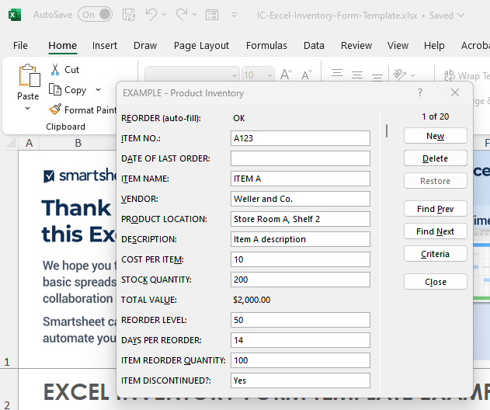
Review inventory purchases at end of each month with the director of sales. |  |  |  |  | $13,550.00 |  |  |  | To use the pop-up form for data entry, click inside the table. Then, click the form icon in the ribbon menu above. Next, add rows to your table by clicking New, typing in your content, and then clicking New again. Your new content will now appear in the form.

REORDER (auto-fill) | ITEM NO. | DATE OF LAST ORDER | ITEM NAME | VENDOR | PRODUCT LOCATION | DESCRIPTION | COST PER ITEM | STOCK QUANTITY | TOTAL VALUE | REORDER LEVEL | DAYS PER REORDER | ITEM REORDER QUANTITY | ITEM DISCONTINUED?
OK | A123 |  | ITEM A | Weller and Co. | Store Room A, Shelf 2 | Item A description | $10.00 | 200 | $2,000.00 | 50 | 14 | 100 | Yes
OK | B123 |  | ITEM B | Dawn D. | Outdoor Pallet | Item B description | $20.00 | 100 | $2,000.00 | 50 | 30 | 20
REORDER | C123 |  | ITEM C | JJ's Distributors | Basement, Shelf 4 | Item C description | $30.00 | 45 | $1,350.00 | 50 | 2 | 50
REORDER | D123 |  | ITEM D | Cole | Store Room A, Shelf 2 | Item D description | $10.00 | 25 | $250.00 | 50 | 14 | 10
OK | E123 |  | ITEM E | JJ's Distributors | Outdoor Pallet | Item E description | $20.00 | 200 | $4,000.00 | 50 | 30 | 100
OK | F123 |  | ITEM F | Cole | Basement, Shelf 4 | Item F description | $30.00 | 100 | $3,000.00 | 50 | 2 | 20
REORDER | G123 |  | ITEM G | Weller and Co. | Store Room A, Shelf 2 | Item G description | $10.00 | 45 | $450.00 | 50 | 14 | 50 | Yes
REORDER | H123 |  | ITEM H | Cole | Basement, Shelf 4 | Item H description | $20.00 | 25 | $500.00 | 50 | 30 | 10
OK |  |  |  |  |  |  |  |  | $0.00
OK |  |  |  |  |  |  |  |  | $0.00
OK |  |  |  |  |  |  |  |  | $0.00
OK |  |  |  |  |  |  |  |  | $0.00
OK |  |  |  |  |  |  |  |  | $0.00
OK |  |  |  |  |  |  |  |  | $0.00
OK |  |  |  |  |  |  |  |  | $0.00
OK |  |  |  |  |  |  |  |  | $0.00
OK |  |  |  |  |  |  |  |  | $0.00
OK |  |  |  |  |  |  |  |  | $0.00
OK |  |  |  |  |  |  |  |  | $0.00
OK |  |  |  |  |  |  |  |  | $0.00

CLICK HERE TO CREATE IN SMARTSHEET

