Inventory Form Template
EXCEL INVENTORY FORM TEMPLATE for PC
AUTHORED BY |  | DATE
 |  | MM/DD/YY |  |  | TOTAL INVENTORY VALUE
NOTES
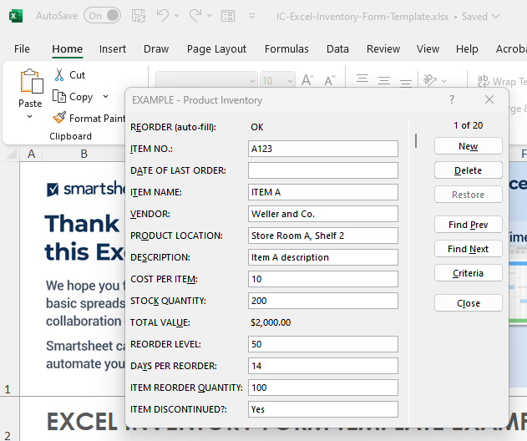
 |  |  |  |  | $0.00 |  |  |  | To use the pop-up form for data entry, click inside the table. Then, click the form icon in the ribbon menu above. Next, add rows to your table by clicking New, typing in your content, and then clicking New again. Your new content will now appear in the form.

REORDER (auto-fill) | ITEM NO. | DATE OF LAST ORDER | ITEM NAME | VENDOR | PRODUCT LOCATION | DESCRIPTION | COST PER ITEM | STOCK QUANTITY | TOTAL VALUE | REORDER LEVEL | DAYS PER REORDER | ITEM REORDER QUANTITY | ITEM DISCONTINUED?
OK |  |  |  |  |  |  | $0.00 | 0 | $0.00 | 0 | 0 | 0 | Yes
OK |  |  |  |  |  |  | $0.00 | 0 | $0.00 | 0 | 0 | 0
OK |  |  |  |  |  |  | $0.00 | 0 | $0.00 | 0 | 0 | 0
OK |  |  |  |  |  |  | $0.00 | 0 | $0.00 | 0 | 0 | 0
OK |  |  |  |  |  |  | $0.00 | 0 | $0.00 | 0 | 0 | 0
OK |  |  |  |  |  |  | $0.00 | 0 | $0.00 | 0 | 0 | 0
OK |  |  |  |  |  |  | $0.00 | 0 | $0.00 | 0 | 0 | 0 | Yes
OK |  |  |  |  |  |  | $0.00 | 0 | $0.00 | 0 | 0 | 0
OK |  |  |  |  |  |  |  |  | $0.00
OK |  |  |  |  |  |  |  |  | $0.00
OK |  |  |  |  |  |  |  |  | $0.00
OK |  |  |  |  |  |  |  |  | $0.00
OK |  |  |  |  |  |  |  |  | $0.00
OK |  |  |  |  |  |  |  |  | $0.00
OK |  |  |  |  |  |  |  |  | $0.00
OK |  |  |  |  |  |  |  |  | $0.00
OK |  |  |  |  |  |  |  |  | $0.00
OK |  |  |  |  |  |  |  |  | $0.00
OK |  |  |  |  |  |  |  |  | $0.00
OK |  |  |  |  |  |  |  |  | $0.00

CLICK HERE TO CREATE IN SMARTSHEET

