Order Form Template
EXCEL ORDER FORM TEMPLATE for PC
COMPANY NAME |  |  | DATE
Address |  |  | MM/DD/YY
City, State ZIP |  |  | ORDER NO.
(000) 000-0000 |  |  | 0
Email |  |  | CUSTOMER NO.
Point of Contact |  |  | 0

BILL TO |  |  | SHIP TO
Name, Department |  |  | Name, Department
Address |  |  | Address
City, State ZIP |  |  | City, State ZIP
(000) 000-0000 |  |  | (000) 000-0000
Email |  |  | Email

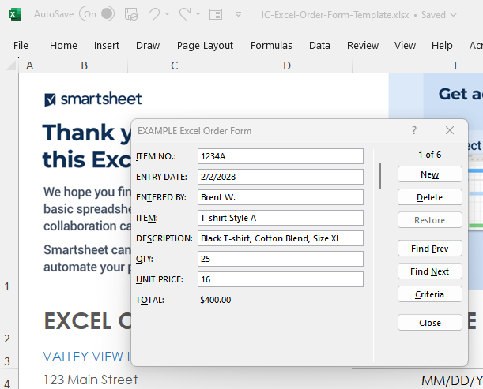
To use the pop-up form for data entry, click inside the table. Then, click the form icon in the ribbon menu above. Next, add rows to your table by clicking New, typing in your content, and then clicking New again. Your new content will now appear in the form.
ITEM NO. | ENTRY DATE | ENTERED BY | ITEM | DESCRIPTION | QTY | UNIT PRICE | TOTAL
 | MM/DD/YY | Name |  |  | - | $0.00 | $0.00
 |  |  |  |  | - | $0.00 | $0.00
 |  |  |  |  | - | $0.00 | $0.00
 |  |  |  |  | - | $0.00 | $0.00
 |  |  |  |  | - | $0.00 | $0.00
 |  |  |  |  | - | $0.00 | $0.00

CLICK HERE TO CREATE IN SMARTSHEET

