EXAMPLE - Risk Assessment
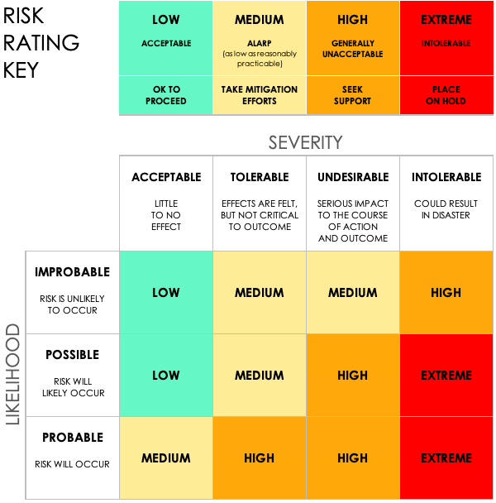
SIMPLE COMPLIANCE RISK ASSESSMENT TEMPLATE EXAMPLE
PROJECT ID | PROJECT NAME |  |  | PROJECT MANAGER
1234 | PROJECT OMEGA |  |  | LORI GARCIA

 |  |  |  |  | RISK ASSESSMENT |  |  |  |  |  | POST-MITIGATION |  |  | JUDGEMENT
REF / ID | TOPIC | RISK | CONTROL ENVIRONMENT | CONTROL ACTIVITIES | RISK SEVERITY | RISK LIKELIHOOD | RISK LEVEL | MITIGATIONS / WARNINGS / REMEDIES | INFORMATION AND COMMUNICATIONS | CONTROLS PRESENT? | RISK SEVERITY | RISK LIKELIHOOD | RISK LEVEL | ACCEPTABLE TO PROCEED? | COMMENTS AND NOTES
1.1 | Disaster recovery (DR) | Not having data backup and verification capabilities physically on the premises in the event of a disaster. | Duplicate off-premises data center so that one is on site and we have an accurate and reliable data redundancy between the two, in the event of a natural disaster. | Set recovery plan objectives. | ACCEPTABLE | POSSIBLE | LOW | Distinct data center redundancy testing. | IT departmental meeting on PII and GDPR standards. | YES | ACCEPTABLE | IMPROBABLE | LOW | YES | Notes
1.2 | Data integration |  |  |  | TOLERABLE | POSSIBLE | MEDIUM |  |  | NO | ACCEPTABLE | IMPROBABLE | LOW | YES | Notes
1.3 | Access risk |  |  |  | UNDESIRABLE | PROBABLE | HIGH |  |  | YES | TOLERABLE | POSSIBLE | MEDIUM | YES | Notes
2.1 | Monitor regulatory compliance |  |  |  | INTOLERABLE | PROBABLE | EXTREME |  |  | YES | UNDESIRABLE | PROBABLE | HIGH | NO | Notes
 |  |  |  |  |  |  |  |  |  | YES
 |  |  |  |  |  |  |  |  |  | YES
 |  |  |  |  |  |  |  |  |  | YES
 |  |  |  |  |  |  |  |  |  | YES
 |  |  |  |  |  |  |  |  |  | YES
 |  |  |  |  |  |  |  |  |  | YES
 |  |  |  |  |  |  |  |  |  | YES
 |  |  |  |  |  |  |  |  |  | YES
 |  |  |  |  |  |  |  |  |  | YES
 |  |  |  |  |  |  |  |  |  | YES
 |  |  |  |  |  |  |  |  |  | YES
 |  |  |  |  |  |  |  |  |  | YES
 |  |  |  |  |  |  |  |  |  | YES

CLICK HERE TO CREATE IN SMARTSHEET

