DMAIC Analysis - EXAMPLE
DMAIC Stakeholder Analysis Template
PROJECT NAME |  |  |  |  |  | PROJECT MANAGER |  | DATE | VERSION
Project Alpha |  |  |  |  |  | Andrew W. |  | 00/00/0000 | 0.0.0

NAME OR GROUP | ROLE | PREDISPOSITION Enter "1" in selected Commitment Level |  |  |  | ANTICIPATED INVOLVEMENT | ANTICIPATED ISSUES | MOTIVATION / DRIVERS | EXPECTATIONS OF EXCHANGE | MILESTONES | ACTIVITIES | RESPONSIBLE PARTY | DATE DUE | STATUS
Sponsors, managers, users, etc. |  | Current commitment profile: resistant, ambivalent, neutral, supportive/committed |  |  |  | What level of involvement is expected? | Known or potential issues | Why is the stakeholder invested in the project's success? | What is the stakeholder's predicted input? | At what point in the change effort is this stakeholder's involvement required? | What activities directly involve or impact the stakeholder? | Team member(s) responsible | Task / involvement needs to be met by | What activities directly involve or impact the stakeholder?
 |  | – | 0 | + | + +
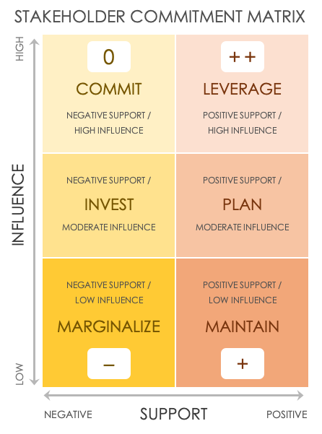
Barbara B. | Manager | 1
Don W. | Jr Manager |  | 1
Carrie B. | Associate |  | 1
Dino P. | Sr VP | 1
 |  |  |  | 1
 |  |  |  | 1
 |  |  |  |  | 1

PREDISPOSITION TOTALS |  | 2 | 2 | 2 | 1

CLICK HERE TO CREATE IN SMARTSHEET

DMAIC Analysis - MATRIX
0
+ +
DMAIC Stakeholder Analysis Template
HIGH | 0 | + +
 | COMMIT | LEVERAGE
 | NEGATIVE SUPPORT / | POSITIVE SUPPORT /
INFLUENCE
 | HIGH INFLUENCE | HIGH INFLUENCE

 | NEGATIVE SUPPORT / | POSITIVE SUPPORT /
 | INVEST | PLAN
 | MODERATE INFLUENCE | MODERATE INFLUENCE

LOW
 | NEGATIVE SUPPORT / | POSITIVE SUPPORT /
 | LOW INFLUENCE | LOW INFLUENCE
–
+
 | MARGINALIZE | MAINTAIN
 | – | +
SUPPORT
 | NEGATIVE | POSITIVE

