EXAMPLE VSM Extended
Metrics
Task Time (TT):0:00
Cycle Time (CT): 0:00
Lead Time (LT): 0:00
Down Time (DT): 0:00
Inventory Level
0 units
Process Step
Supplier
Customer
Process
Process
Process
Process
Process
Metrics
Task Time (TT):0:00
Cycle Time (CT): 0:00
Lead Time (LT): 0:00
Down Time (DT): 0:00
Inventory Level
0 units
Process Step
Metrics
Task Time (TT):0:00
Cycle Time (CT): 0:00
Lead Time (LT): 0:00
Down Time (DT): 0:00
Inventory Level
0 units
Process Step
55
Metrics
Task Time (TT):0:00
Cycle Time (CT): 0:00
Lead Time (LT): 0:00
Down Time (DT): 0:00
Inventory Level
0 units
Process Step
Metrics
Task Time (TT):0:00
Cycle Time (CT): 0:00
Lead Time (LT): 0:00
Down Time (DT): 0:00
Inventory Level
0 units
Process Step
Metrics
Task Time (TT):0:00
Cycle Time (CT): 0:00
Lead Time (LT): 0:00
Down Time (DT): 0:00
Inventory Level
0 units
Process Step
500 units
Copy and paste icons from the VSM Icons for Use Tab to create your own VSM.
For descriptions, see VSM Icons Legend Tab.
Copy and paste icons from the VSM Icons for Use Tab.
Excel Value Stream Map Extended VSM Template Example
Copy icons from the 'VSM Icons For Use’ tab, then paste and arrange them in this tab to create your value stream map.
 | 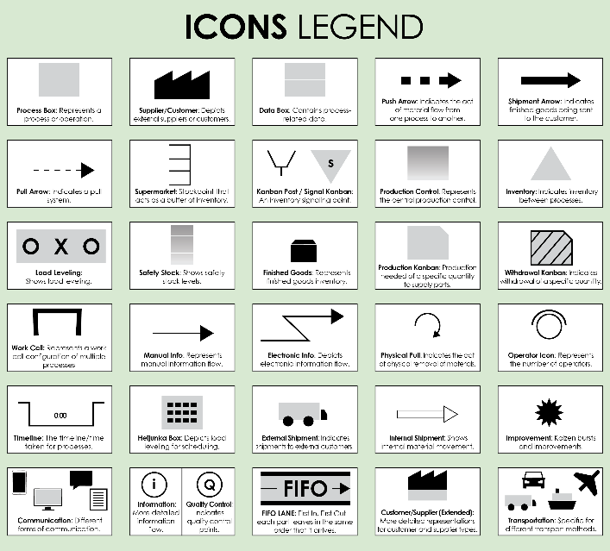
1-2 days
1 day
2 days
500 units
2 days
2 days
1 day
2 days
2 days
2 days
0:00 seconds
1 day

Forecast
CLICK HERE TO CREATE IN SMARTSHEET

EXAMPLE VSM Metrics
Quality Metrics
Excel Value Stream Map Extended VSM Template Example
Value-Added vs. Non-Value Added Activities |  | Quality Metrics
Highlight activities that add value from the customer's perspective versus those that do not. |  | Track quality metrics.
Activities That Add Value | Activities That Do Not Add Value | Category | Totals
Activity 1 | Activity 12 | Defect Rates | 10%
Activity 2 | Activity 13 | Rework | 4.50%
Activity 3 | Activity 14 | First-Pass Yield | 6%
Activity 4 | Activity 15 | Category 4 | 7%
Activity 5 | Activity 16 | Category 5 | 12%
Activity 6 | Activity 17 | Category 6 | 2%
Environmental Impact
Activity 7 | Activity 18
Activity 8 | Activity 19 | Environmental Impact
Activity 9 | Activity 20 | Energy Usage | 47%
Activity 10 | Activity 21 | Waste Generation | 23.00%
Activity 11 | Activity 22 | Value Stream Footprint | 66%

Resource Utilization
Phase 1 |  | Phase 2 |  | Phase 3
Labor |  | Labor |  | Labor
Resource | Description | Resource | Description | Resource | Description
Resource | Description | Resource | Description | Resource | Description
Resource | Description | Resource | Description | Resource | Description
Machinery |  | Machinery |  | Machinery
Resource | Description | Resource | Description | Resource | Description
Resource | Description | Resource | Description | Resource | Description
Resource | Description | Resource | Description | Resource | Description
Other |  | Other |  | Other
Resource | Description | Resource | Description | Resource | Description
Resource | Description | Resource | Description | Resource | Description

Phase 4 |  | Phase 5 |  | Phase 6
Labor |  | Labor |  | Labor
Resource | Description | Resource | Description | Resource | Description
Resource | Description | Resource | Description | Resource | Description
Resource | Description | Resource | Description | Resource | Description
Machinery |  | Machinery |  | Machinery
Resource | Description | Resource | Description | Resource | Description
Resource | Description | Resource | Description | Resource | Description
Resource | Description | Resource | Description | Resource | Description
Other |  | Other |  | Other
Resource | Description | Resource | Description | Resource | Description
Resource | Description | Resource | Description | Resource | Description

Financial Data
Financials
CATEGORY | TOTALS
Process Costs | $50,000.00
Material Costs | $23,000.00
Value-Added Costs | $10,000.00
Other | $12,000.00
Other | $5,000.00
Other | $5,000.00

Improvement Plan
Provide details for ongoing or planned improvements, including timelines and responsible parties.

BLANK VSM Extended
Excel Value Stream Map Extended VSM Template
Copy icons from the 'VSM Icons For Use’ tab, then paste and arrange them in this tab to create your value stream map.
Copy and paste icons from the VSM Icons for Use Tab to create your own VSM.
For descriptions, see VSM Icons Legend Tab.
Copy and paste icons from the VSM Icons for Use Tab.

Forecast

BLANK VSM Metrics
Quality Metrics
Excel Value Stream Map Extended VSM Template
Value-Added vs. Non-Value Added Activities |  | Quality Metrics
Highlight activities that add value from the customer's perspective versus those that do not. |  | Track quality measures.
Activities That Add Value | Activities That Do Not Add Value | Category | Totals
Activity 1 | Activity 12 | Defect Rates | 0%
Activity 2 | Activity 13 | Rework | 0.00%
Activity 3 | Activity 14 | First-Pass Yield | 0%
Activity 4 | Activity 15 | Category 4 | 0%
Activity 5 | Activity 16 | Category 5 | 0%
Activity 6 | Activity 17 | Category 6 | 0%
Environmental Impact
Activity 7 | Activity 18
Activity 8 | Activity 19 | Environmental Impact
Activity 9 | Activity 20 | Energy Usage | 0%
Activity 10 | Activity 21 | Waste Generation | 0.00%
Activity 11 | Activity 22 | Value Stream Footprint | 0%

RESOURCE UTILIZATION
Phase 1 |  | Phase 2 |  | Phase 3
Labor |  | Labor |  | Labor
Resource | Description | Resource | Description | Resource | Description
Resource | Description | Resource | Description | Resource | Description
Resource | Description | Resource | Description | Resource | Description
Machinery |  | Machinery |  | Machinery
Resource | Description | Resource | Description | Resource | Description
Resource | Description | Resource | Description | Resource | Description
Resource | Description | Resource | Description | Resource | Description
Other |  | Other |  | Other
Resource | Description | Resource | Description | Resource | Description
Resource | Description | Resource | Description | Resource | Description

Phase 4 |  | Phase 5 |  | Phase 6
Labor |  | Labor |  | Labor
Resource | Description | Resource | Description | Resource | Description
Resource | Description | Resource | Description | Resource | Description
Resource | Description | Resource | Description | Resource | Description
Machinery |  | Machinery |  | Machinery
Resource | Description | Resource | Description | Resource | Description
Resource | Description | Resource | Description | Resource | Description
Resource | Description | Resource | Description | Resource | Description
Other |  | Other |  | Other
Resource | Description | Resource | Description | Resource | Description
Resource | Description | Resource | Description | Resource | Description

Financial Data
Financials
Category | Totals
Process Costs | $-
Material Costs | $-
Value-Added Costs | $-
Other | $-
Other | $-
Other | $-

Improvement Planm
Provide details for ongoing or planned improvements, including timelines and responsible parties.

VSM Icons Legend
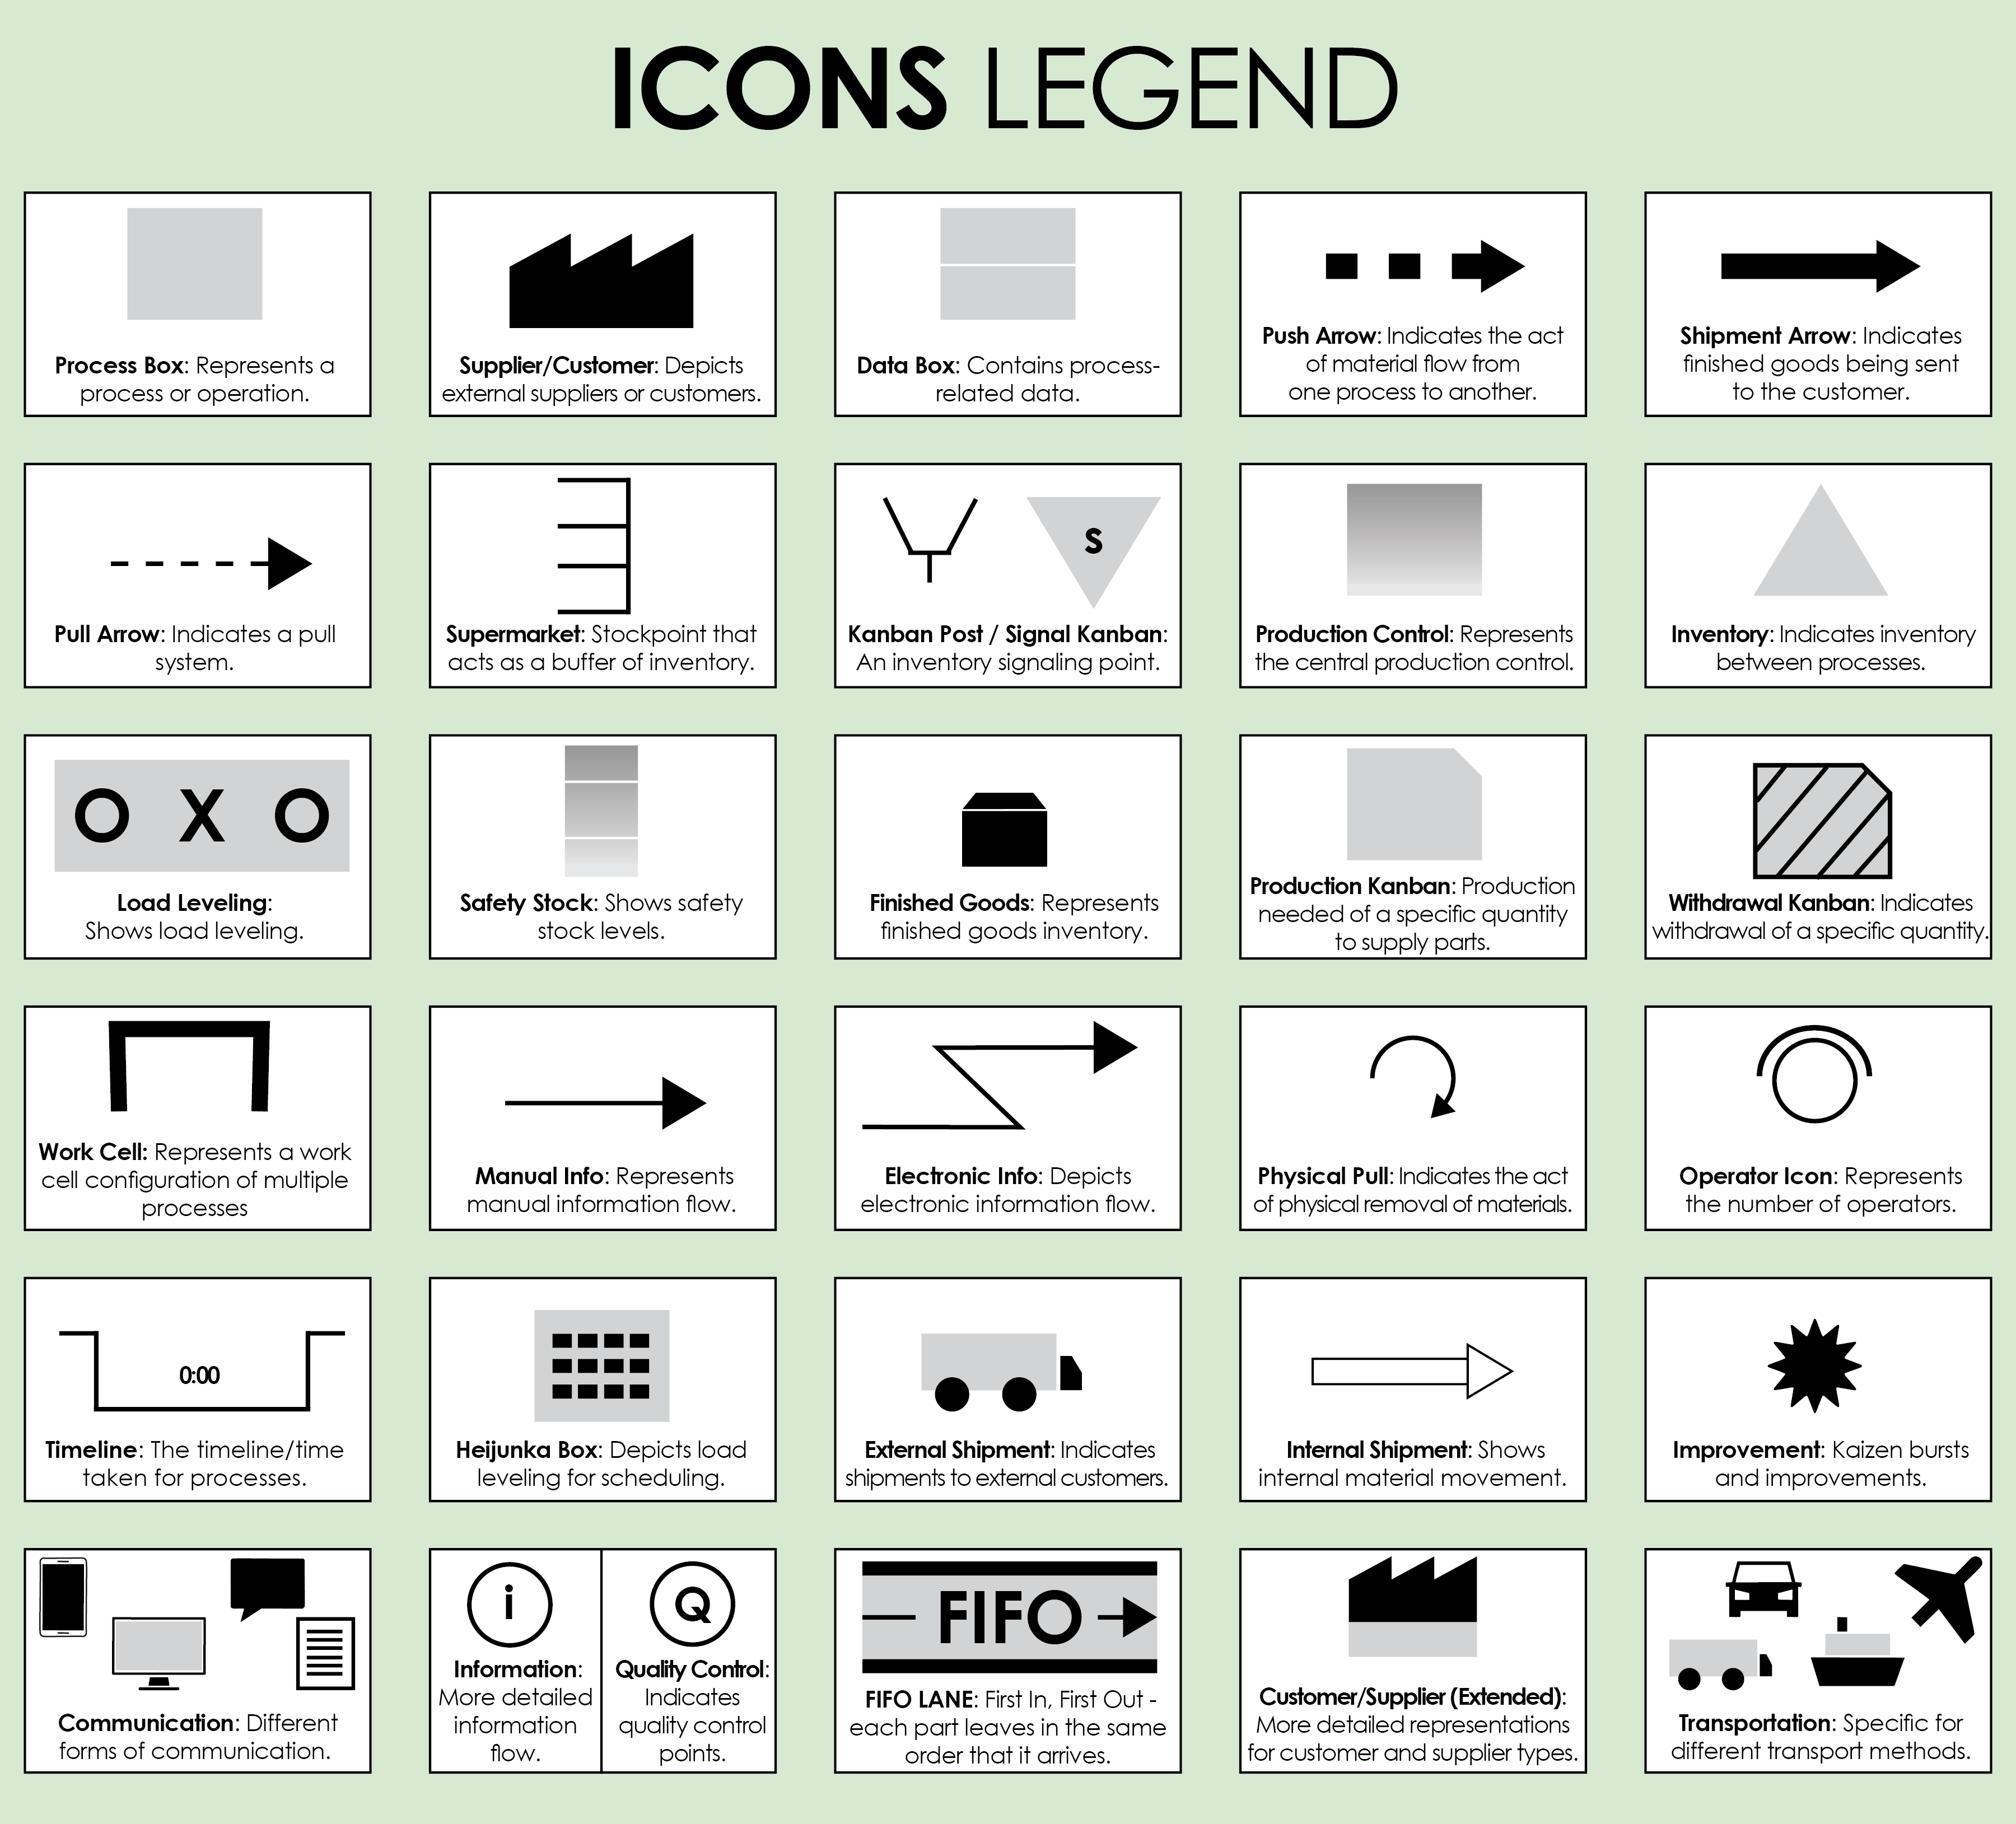

VSM Icons for Use
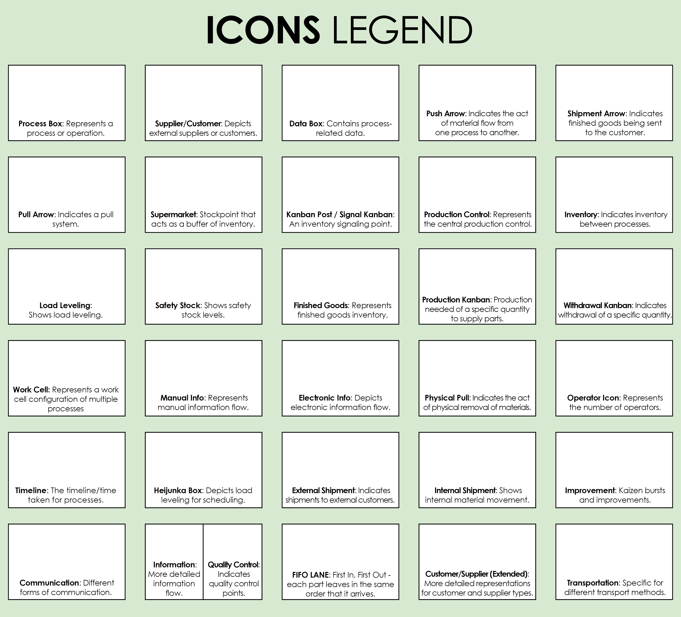
Copy and paste the icons below to create your own VSM.

