Kanban Integration
Kanban
Completed | Delayed | On Schedule
Details
Status: Note Status Here
OWNER: Name
Details
Status: Note Status Here
OWNER: Name
Details
Status: Note Status Here
OWNER: Name

Details
Status: Note Status Here
OWNER: Name
Details
Status: Note Status Here
OWNER: Name
Details
Status: Note Status Here
OWNER: Name

Value Stream Map
Copy and paste icons from the VSM Icons for Use to create your own VSM.
TITLE: Name
PROCESS STEPS
For descriptions, see VSM Icons Legend Tab.
Copy and paste icons from the VSM Icons for Use Tab.
Value Stream Map
 | 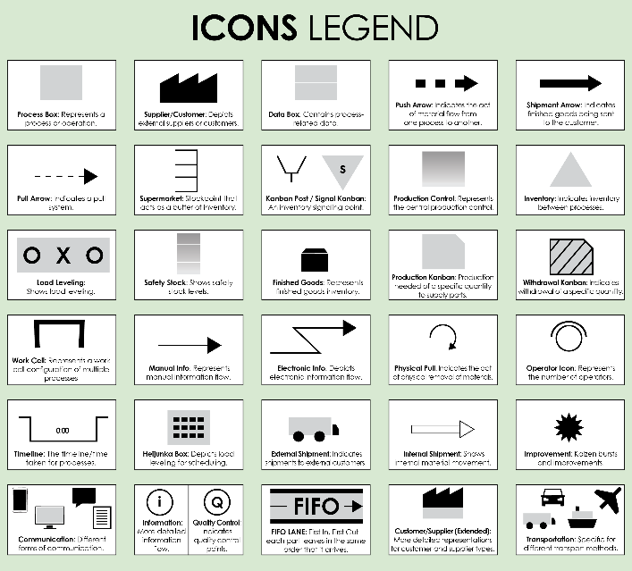
TOTAL LEAD TIME: 0 hours 00 minutes
TOTAL CYCLE TIME: 0 hours 00 minutes
Bottlenecks: Description
Recommendations: Description
NOTES

VSM Icons For Use
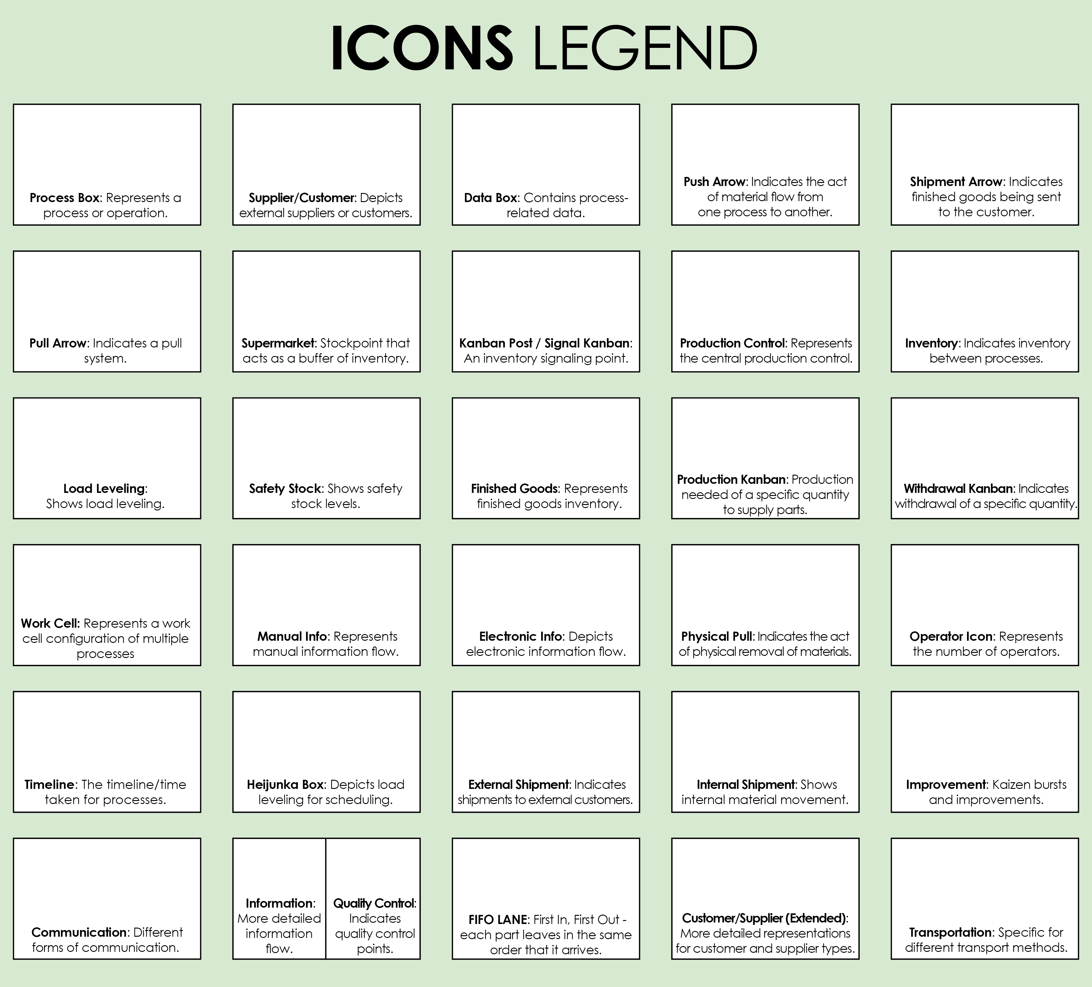
Copy and paste the icons below to create your own VSM.

VSM Icons Legend
