BLANK - Reg Comp Pugh Matrix
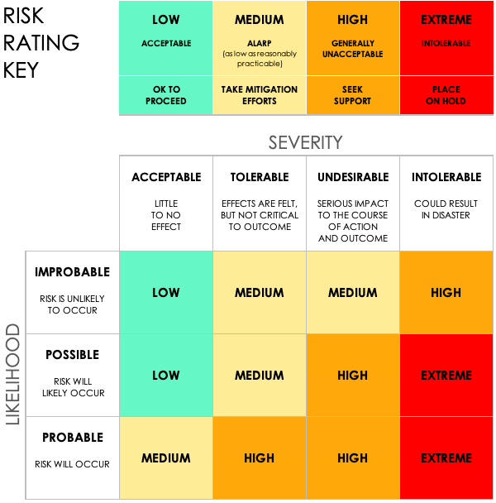
Regulatory Compliance Pugh Matrix Template
PROJECT ID |  | PROJECT NAME |  |  | PROJECT MANAGER

 |  |  |  |  | RISK ASSESSMENT |  |  |  |  |  | POST-MITIGATION |  |  | JUDGEMENT
REF / ID | TOPIC | RISK | CONTROL ENVIRONMENT | CONTROL ACTIVITIES | RISK SEVERITY | RISK LIKELIHOOD | RISK LEVEL | MITIGATIONS / WARNINGS / REMEDIES | INFORMATION AND COMMUNICATIONS | Controls Present? | RISK SEVERITY | RISK LIKELIHOOD | RISK LEVEL | Acceptable to Proceed? | Comments and Notes

CLICK HERE TO CREATE IN SMARTSHEET

