EX - Project Risk Mgmt Plan
 | Project Risk Management Plan Template
 | PROJECT OWNERSHIP
 | PROJECT NAME | Design and Construction of New Company Headquarters
 | PROJECT OVERVIEW | The project involves designing and constructing a new headquarters building for Anderson Consulting from start to finish.
 | PROJECT MANAGER | Marie Gonzalez
 | CONTACT INFO
 | PHONE | EMAIL |  | MAILING ADDRESS
 | 000-000-0000 |  |  | Street, City, State, ZIP

 | VERSION
 | VERSION |  | DATE | AUTHOR
 | 1.1.3 |  | 03/29/20XX | Timothy Roberts
 | REASON
 | Work on the design for the building is still ongoing.
 | SECTIONS IMPACTED
 | SECTION TITLE |  | AMENDMENT
 | Design |  | Amendment #2
 | Site Preparation |  | Amendment #2
 | DISTRIBUTION
 | DELIVERY METHOD |  | ISSUE DATE | ISSUED TO
 | Email |  | 03/30/20XX | Design Leader
 | Email |  | 03/30/20XX | Site Preparation Leader

 | EXECUTIVE SUMMARY
 | RISK ANALYSIS AND EVALUATION PROCESS
 | Over a period of four months, a team from Anderson Consulting held both in-person and online meetings to discuss the design and construction of their new company headquarters, as well as to develop an overall contingency plan for the project. The initial draft of the contingency plan was developed by the entire team, while the specific details were refined as various company departments reviewed and adjusted it.
 | DEVELOPMENT OF RISK PREVENTION MITIGATION STRATEGIES PROCESS
 | The project team at Anderson Consulting formed breakout groups to analyze various identified risks to the project and to develop mitigation strategies and contingency plans. Each of the tentative contingency plans were reviewed by the larger team, as well as by company leaders from departments that would be involved in the plan.
 | REVIEW SCHEDULE, PROCESS, AND RESPONSIBLE PARTIES
 | All versions of the contingency plan document, including the initial draft, are reviewed by the overall contingency planning team, the head of the team, the construction project manager, and each department head within Anderson Consulting. Approval from each of these parties is required for every version of the plan.
 | RISK MANAGEMENT ROLES AND RESPONSIBILITIES
 | NAME |  | ROLE | RESPONSIBILITIES
 | Brooklyn Jansen |  | Construction Project Lead | Overseeing the design and construction of the headquarters
 | Mateus Tobin |  | Contingency Plan Team Lead | Overseeing the initial and ongoing work of the contingency plan team
 | RISK REPORTING PROCESS
 | Each new version of the Contingency Plan is shared with company leaders, including department heads and project managers, to ensure alignment with overall company goals and objectives. The plan is also shared with the entire staff to raise awareness of potential risks and contingency procedures.

 | RISK ASSESSMENT
 | RISK IDENTIFICATION
 | RISK OVERVIEW |  |  | EVENT OR THREAT TRIGGERS
 | The construction project materials supervisor and her team will track the timing for material needs, purchases, and delivery schedules. They will develop contingency plans for alternative material sources in case of potential supply chain issues. |  |  | The construction project materials supervisor will note any significant delay in the scheduled delivery of materials.
 | REGISTER
 | IDENTIFIED RISK |  | CURRENT STATUS | RISK MITIGATION STRATEGIES
 | The architectural firm's delays in finalizing the design cause project timeline setbacks. |  | On schedule | The construction project lead communicates constantly with the architectural firm; the company has hired an assistant to serve as a liaison and handle the firm's needs and questions.
 | Delays in obtaining any required permits for site work and construction can cause setbacks in the project timeline. |  | No delays | The construction project lead has assigned an assistant to track and monitor the status of all permits and to work with the architectural and construction contractors.
 | The purchase and delivery of certain construction materials may be delayed, which could impact the project timeline. |  | No delays | The construction project materials supervisor and her team will track when materials are needed, purchased, and scheduled for delivery, and will develop contingency plans for additional sources of materials in case of potential supply chain issues.
 | Financing issues cause delays in payments for ongoing design and construction work. |  | No delays | The company has obtained preliminary approval for all financing, and the CFO is responsible for working with financing sources to obtain all necessary information for each phase of financing.

 | RISK ANALYSIS AND EVALUATION
 |  |  | 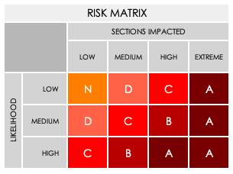

 | Complete the following for each IDENTIFIED RISK. See MATRIX above.
 | IDENTIFIED RISK |  | RISK GRADE | POTENTIAL IMPACT
 | The architectural firm's delays in finalizing the design cause project timeline setbacks. |  | C | Delaying the start of construction work may affect the financing rates.
 | Delays in obtaining any required permits for site work and construction can cause setbacks in the project timeline. |  | B | A delay in completing the project could have an impact on the rates of financing and the availability of the building.
 | The purchase and delivery of certain construction materials may be delayed. |  | C | Delays in certain parts of construction may not affect the overall completion date of the building, but could still impact financing rates.
 | Financing issues cause delays in payments for ongoing design and construction work. |  | D | Delays in financing may not necessarily delay the overall building completion, even if certain parts of the construction are delayed.

 | RISK MITIGATION
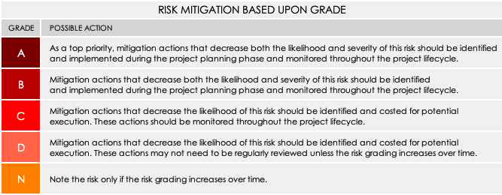
 | Complete the following for each IDENTIFIED RISK. See MITIGATION CHART above.
 | IDENTIFIED RISK | The architectural firm's delays in finalizing the design cause project timeline setbacks.
 | GRADE | A | MITIGATION ACTION: Preventative or Contingency? | Preventative
 | BUDGETARY IMPLICATIONS |  | Moderate
 | STAKEHOLDERS RESPONSIBLE |  | Construction Project Lead
 | IDENTIFIED RISK | Delays in obtaining any required permits for site work and construction can cause setbacks in the project timeline.
 | GRADE | B | MITIGATION ACTION: Preventative or Contingency? | Preventative
 | BUDGETARY IMPLICATIONS |  | Moderate
 | STAKEHOLDERS RESPONSIBLE |  | Construction Project Lead
 | IDENTIFIED RISK | The purchase and delivery of certain construction materials may be delayed.
 | GRADE | B | MITIGATION ACTION: Preventative or Contingency? | Preventative and Contingency
 | BUDGETARY IMPLICATIONS |  | Low/moderate
 | STAKEHOLDERS RESPONSIBLE |  | Construction Project Materials Supervisor
 | IDENTIFIED RISK | Financing issues cause delays in payments for ongoing design and construction work.
 | GRADE | B | MITIGATION ACTION: Preventative or Contingency? | Preventative
 | BUDGETARY IMPLICATIONS |  | Severe
 | STAKEHOLDERS RESPONSIBLE |  | Chief Financial Officer

 | MONITORING
 | REVIEW OF RISKS AND ISSUES | check for issues that may have escalated
 | REVIEW FREQUENCY
 | The contingency plan lead reviews the plan, risks, and issues every week and discusses them with the construction and company leaders every two weeks.
 | PARTIES RESPONSIBLE FOR REVIEWING
 | Contingency Plan Lead; Construction Project Lead; Construction Materials Lead; CFO; Company Executives
 | MONITORING
 | MONITORING FREQUENCY
 | The contingency plan lead continually monitors issues.
 | PARTIES RESPONSIBLE FOR MONITORING
 | Contingency Plan Lead
 | REPORTING
 | REPORTING FREQUENCY
 | The contingency plan lead reports any issues or updates to the plan to the contingency plan team, as well as the leaders of construction and the company, on a weekly basis.
 | PARTIES RESPONSIBLE FOR REPORTING
 | Contingency Plan Lead

 | CLICK HERE TO CREATE IN SMARTSHEET

