Timeline
Task Name | Start | End | Duration (days) | Next tab for Gantt Chart →
Start date | 2014-09-21 | 2014-09-30 | 9
Demo Prep | 2014-10-01 | 2014-10-06 | 5 | Or Click Here to Create Your Construction Timeline in Smartsheet
Demolition | 2014-10-06 | 2014-10-24 | 18
Excavation | 2014-10-25 | 2014-10-29 | 4
Concrete | 2014-11-01 | 2014-11-13 | 12
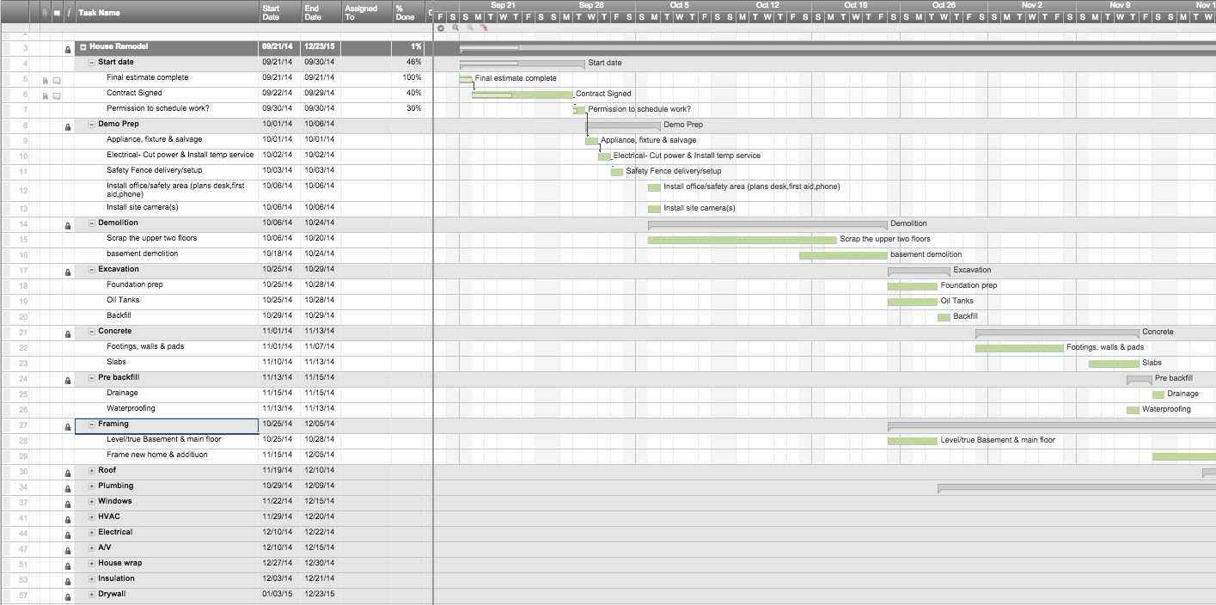
Pre backfill | 2014-11-13 | 2014-11-15 | 2
Framing | 2014-10-25 | 2014-12-05 | 41
Roof | 2014-11-19 | 2014-12-10 | 21
Plumbing | 2014-10-29 | 2014-12-09 | 41
Windows | 2014-11-22 | 2014-12-15 | 23
HVAC | 2014-11-29 | 2014-12-20 | 21
Electrical | 2014-12-10 | 2014-12-22 | 12
A/V | 2014-12-10 | 2014-12-15 | 5
House wrap | 2014-12-27 | 2014-12-30 | 3
Insulation | 2014-12-03 | 2014-12-21 | 18
Drywall | 2015-01-03 | 2015-01-23 | 20
Exterior stone | 2015-01-03 | 2015-01-17 | 14
Exterior case work | 2015-01-04 | 2015-01-13 | 9
Laundry/furnace room flooring | 2015-02-16 | 2015-03-11 | 23
Hardwoods | 2015-01-19 | 2015-03-10 | 50
Tile | 2015-02-03 | 2015-02-14 | 11
Cabinets | 2015-01-18 | 2015-03-06 | 47
Plumbing -hang sinks | 2015-02-16 | 2015-02-23 | 7
Interior doors | 2015-02-25 | 2015-03-09 | 12
Millwork | 2015-02-15 | 2015-02-17 | 2
Interior painting | 2015-02-28 | 2015-04-14 | 45
Stone Counters | 2015-03-21 | 2015-03-31 | 10
Schedule Buffer | 2015-02-28 | 2015-03-10 | 10
Decks | 2015-02-28 | 2015-03-18 | 18
Interior doors- hang & hardware | 2015-05-03 | 2015-05-13 | 10
Appliances | 2015-05-02 | 2015-05-03 | 1
Plumbing | 2015-05-02 | 2015-05-05 | 3
Electrical | 2015-05-03 | 2015-05-11 | 8
Bathroom Glass | 2015-05-09 | 2015-05-13 | 4
Garage Door dress up | 2015-05-13 | 2015-05-18 | 5
FINAL Inspections | 2015-05-02 | 2015-05-02 | 0
Wrap up | 2015-05-09 | 2015-06-05 | 27
House Cleaning | 2015-05-29 | 2015-06-10 | 12
Complete | 2015-06-01 | 2015-06-01 | 0

Gantt Chart
 | Start Date | Duration
Start date | 9/21/14 | 9
Demo Prep | 10/1/14 | 5
Demolition | 10/6/14 | 18
Excavation | 10/25/14 | 4
Concrete | 11/1/14 | 12
Pre backfill | 11/13/14 | 2
Framing | 10/25/14 | 41
Roof | 11/19/14 | 21
Plumbing | 10/29/14 | 41
Windows | 11/22/14 | 23
HVAC | 11/29/14 | 21
Electrical | 12/10/14 | 12
A/V | 12/10/14 | 5
House wrap | 12/27/14 | 3
Insulation | 12/3/14 | 18
Drywall | 1/3/15 | 20
Exterior stone | 1/3/15 | 14
Exterior case work | 1/4/15 | 9
Laundry/furnace room flooring | 2/16/15 | 23
Hardwoods | 1/19/15 | 50
Tile | 2/3/15 | 11
Cabinets | 1/18/15 | 47
Plumbing -hang sinks | 2/16/15 | 7
Interior doors | 2/25/15 | 12
Millwork | 2/15/15 | 2
Interior painting | 2/28/15 | 45
Stone Counters | 3/21/15 | 10
Schedule Buffer | 2/28/15 | 10
Decks | 2/28/15 | 18
Interior doors- hang & hardware | 5/3/15 | 10
Appliances | 5/2/15 | 1
Plumbing | 5/2/15 | 3
Electrical | 5/3/15 | 8
Bathroom Glass | 5/9/15 | 4
Garage Door dress up | 5/13/15 | 5
FINAL Inspections | 5/2/15 | 0
Wrap up | 5/9/15 | 27
House Cleaning | 5/29/15 | 12
Complete | 6/1/15 | 0

