Gap Analysis
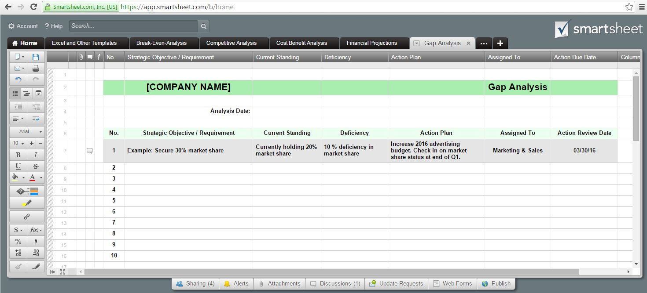
 | [COMPANY NAME] |  | Gap Analysis

 | Analysis Date:

No. | Strategic Objective / Requirement | Current Standing | Deficiency | Action Plan
1 | Example: Secure 30% market share | Currently holding 20% market share | 10 % deficiency in market share | Increase 2016 advertising budget. Check in on market share status at end of Q1.
2
3
4
5
6
7
8

Or, Click Here to Create Your Gap Analysis in Smartsheet

