Comm Construction Walkthrough
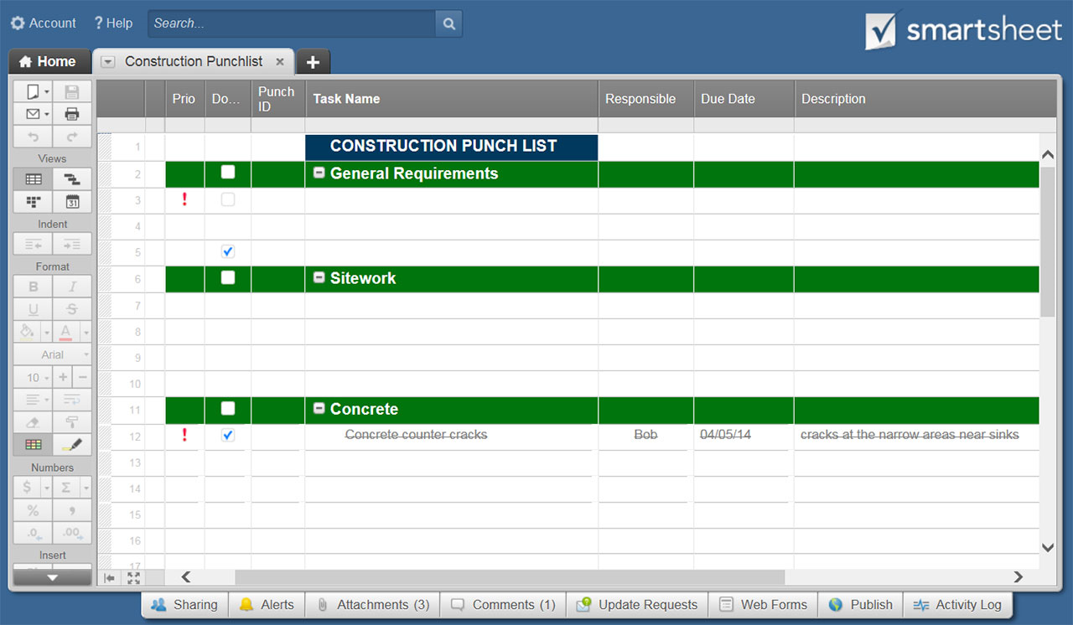
COMMERCIAL CONSTRUCTION WALKTHROUGH CHECKLIST TEMPLATE

FIRM |  |  |  | PREPARED BY |  |  | PROJECT ID

SITE NAME & ADDRESS |  |  |  |  |  | CLIENT | DATE

WORK PERFORMED |  | DATE OF COMPLETION |  |  |  | WORK PERFORMED

TASK / ITEM |  | WORK COMPLETE |  | IN CONTRACT |  | ADDITIONAL INFO | COST EST. OUTSIDE OF CONTRACT
 |  | Y | N | Y | N
RECEPTION / ENTRY |  |  |  |  |  |  | $-
1 | WALLS |  |  |  |  |  | $-
2 | TRIM |  |  |  |  |  | $-
3 | WAINSCOT |  |  |  |  |  | $-
4 | PAINT |  |  |  |  |  | $-
5 | PAPER |  |  |  |  |  | $-
6 | FLOORS |  |  |  |  |  | $-
7 | BASEBOARD |  |  |  |  |  | $-
8 | WINDOWS |  |  |  |  |  | $-
9 | GLASS |  |  |  |  |  | $-
10 | DOORS |  |  |  |  |  | $-
11 | LOCKS / HARDWARE |  |  |  |  |  | $-
12 | CEILING |  |  |  |  |  | $-
13 | LIGHTING |  |  |  |  |  | $-
14 | LIGHTING SWITCHES |  |  |  |  |  | $-
15 | ELECTRICAL OUTLETS |  |  |  |  |  | $-
16 | PHONE JACKS |  |  |  |  |  | $-
17 | INTERNET PORT |  |  |  |  |  | $-
18 | MAIL DROP |  |  |  |  |  | $-
19 | SIGNAGE |  |  |  |  |  | $-
20 | EMERGENCY / INSTRUCTIONAL SIGNAGE |  |  |  |  |  | $-
21 | DIRECTORY |  |  |  |  |  | $-
22 | BUILT-INS |  |  |  |  |  | $-
23 | ELEVATOR SWITCHES |  |  |  |  |  | $-
24 | ELEVATOR ENTRY |  |  |  |  |  | $-
25 |  |  |  |  |  |  | $-
26 |  |  |  |  |  |  | $-
27 |  |  |  |  |  |  | $-
28 |  |  |  |  |  |  | $-
29 |  |  |  |  |  |  | $-
30 |  |  |  |  |  |  | $-
TASK / ITEM |  | WORK COMPLETE |  | IN CONTRACT |  | ADDITIONAL INFO | COST EST. OUTSIDE OF CONTRACT
 |  | Y | N | Y | N
RESTROOMS |  |  |  |  |  |  | $-
1 | WALLS |  |  |  |  |  | $-
2 | TRIM |  |  |  |  |  | $-
3 | WAINSCOT |  |  |  |  |  | $-
4 | PAINT |  |  |  |  |  | $-
5 | PAPER |  |  |  |  |  | $-
6 | FLOORS |  |  |  |  |  | $-
7 | BASEBOARD |  |  |  |  |  | $-
8 | WINDOWS |  |  |  |  |  | $-
9 | GLASS |  |  |  |  |  | $-
10 | MIRRORS |  |  |  |  |  | $-
11 | DOORS |  |  |  |  |  | $-
12 | LOCKS / HARDWARE |  |  |  |  |  | $-
13 | CEILING |  |  |  |  |  | $-
14 | LIGHTING |  |  |  |  |  | $-
15 | LIGHTING SWITCHES |  |  |  |  |  | $-
16 | ELECTRICAL OUTLETS |  |  |  |  |  | $-
17 | VENTILATION |  |  |  |  |  | $-
18 | SINKS |  |  |  |  |  | $-
19 | RUNNING WATER |  |  |  |  |  | $-
20 | TOILETS |  |  |  |  |  | $-
21 | URINALS |  |  |  |  |  | $-
22 | PLUMBING |  |  |  |  |  | $-
23 | DIVIDERS |  |  |  |  |  | $-
24 | WASTEBASKETS |  |  |  |  |  | $-
25 | VANITY / SHELF |  |  |  |  |  | $-
26 | SOAP DISPENSER |  |  |  |  |  | $-
27 | SANITIZER DISPENSER |  |  |  |  |  | $-
28 | TOWEL DISPENSER |  |  |  |  |  | $-
29 | HAND DRYING UNIT |  |  |  |  |  | $-
30 | PRODUCT DISPENSER |  |  |  |  |  | $-
31 | CHANGING TABLE / UNIT |  |  |  |  |  | $-
32 | SIGNAGE |  |  |  |  |  | $-
33 | BUILT-INS |  |  |  |  |  | $-
34 |  |  |  |  |  |  | $-
35 |  |  |  |  |  |  | $-
36 |  |  |  |  |  |  | $-
37 |  |  |  |  |  |  | $-
38 |  |  |  |  |  |  | $-
TASK / ITEM |  | WORK COMPLETE |  | IN CONTRACT |  | ADDITIONAL INFO | COST EST. OUTSIDE OF CONTRACT
 |  | Y | N | Y | N
GENERAL OFFICE AREA |  |  |  |  |  |  | $-
1 | WALLS |  |  |  |  |  | $-
2 | TRIM |  |  |  |  |  | $-
3 | WAINSCOT |  |  |  |  |  | $-
4 | PAINT |  |  |  |  |  | $-
5 | PAPER |  |  |  |  |  | $-
6 | FLOORS |  |  |  |  |  | $-
7 | BASEBOARD |  |  |  |  |  | $-
8 | WINDOWS |  |  |  |  |  | $-
9 | GLASS |  |  |  |  |  | $-
10 | DOORS |  |  |  |  |  | $-
11 | LOCKS / HARDWARE |  |  |  |  |  | $-
12 | CEILING |  |  |  |  |  | $-
13 | LIGHTING |  |  |  |  |  | $-
14 | LIGHTING SWITCHES |  |  |  |  |  | $-
15 | ELECTRICAL OUTLETS |  |  |  |  |  | $-
16 | PHONE JACKS |  |  |  |  |  | $-
17 | INTERNET PORT |  |  |  |  |  | $-
18 | CABINETRY |  |  |  |  |  | $-
19 | SIGNAGE |  |  |  |  |  | $-
20 | EMERGENCY / INSTRUCTIONAL SIGNAGE |  |  |  |  |  | $-
21 | BUILT-INS |  |  |  |  |  | $-
22 | CLOSETS / COAT HOOKS |  |  |  |  |  | $-
23 | HEAT |  |  |  |  |  | $-
24 | A/C |  |  |  |  |  | $-
25 | VENTILATION |  |  |  |  |  | $-
26 |  |  |  |  |  |  | $-
27 |  |  |  |  |  |  | $-
28 |  |  |  |  |  |  | $-
29 |  |  |  |  |  |  | $-
30 |  |  |  |  |  |  | $-
TASK / ITEM |  | WORK COMPLETE |  | IN CONTRACT |  | ADDITIONAL INFO | COST EST. OUTSIDE OF CONTRACT
 |  | Y | N | Y | N
CORRIDORS / HALLWAYS |  |  |  |  |  |  | $-
1 | WALLS |  |  |  |  |  | $-
2 | TRIM |  |  |  |  |  | $-
3 | WAINSCOT |  |  |  |  |  | $-
4 | PAINT |  |  |  |  |  | $-
5 | PAPER |  |  |  |  |  | $-
6 | FLOORS |  |  |  |  |  | $-
7 | BASEBOARD |  |  |  |  |  | $-
8 | WINDOWS |  |  |  |  |  | $-
9 | GLASS |  |  |  |  |  | $-
10 | CABINETRY |  |  |  |  |  | $-
11 | DOORS |  |  |  |  |  | $-
12 | LOCKS / HARDWARE |  |  |  |  |  | $-
13 | CEILING |  |  |  |  |  | $-
14 | LIGHTING |  |  |  |  |  | $-
15 | LIGHTING SWITCHES |  |  |  |  |  | $-
16 | ELECTRICAL OUTLETS |  |  |  |  |  | $-
17 | VENTILATION |  |  |  |  |  | $-
18 | BUILT-INS |  |  |  |  |  | $-
19 | WASTEBASKETS |  |  |  |  |  | $-
20 | FIRE ALARM |  |  |  |  |  | $-
21 | FIRE EXTINGUISHER |  |  |  |  |  | $-
22 | THRESHOLDS |  |  |  |  |  | $-
23 | SIGNAGE |  |  |  |  |  | $-
24 | EMERGENCY / INSTRUCTIONAL SIGNAGE |  |  |  |  |  | $-
25 |  |  |  |  |  |  | $-
26 |  |  |  |  |  |  | $-
27 |  |  |  |  |  |  | $-
28 |  |  |  |  |  |  | $-
29 |  |  |  |  |  |  | $-
30 |  |  |  |  |  |  | $-
TASK / ITEM |  | WORK COMPLETE |  | IN CONTRACT |  | ADDITIONAL INFO | COST EST. OUTSIDE OF CONTRACT
 |  | Y | N | Y | N
OFFICE / ROOM 1 |  |  |  |  |  |  | $-
1 | WALLS |  |  |  |  |  | $-
2 | TRIM |  |  |  |  |  | $-
3 | WAINSCOT |  |  |  |  |  | $-
4 | PAINT |  |  |  |  |  | $-
5 | PAPER |  |  |  |  |  | $-
6 | FLOORS |  |  |  |  |  | $-
7 | BASEBOARD |  |  |  |  |  | $-
8 | WINDOWS |  |  |  |  |  | $-
9 | GLASS |  |  |  |  |  | $-
10 | DOORS |  |  |  |  |  | $-
11 | LOCKS / HARDWARE |  |  |  |  |  | $-
12 | CEILING |  |  |  |  |  | $-
13 | LIGHTING |  |  |  |  |  | $-
14 | LIGHTING SWITCHES |  |  |  |  |  | $-
15 | ELECTRICAL OUTLETS |  |  |  |  |  | $-
16 | PHONE JACKS |  |  |  |  |  | $-
17 | INTERNET PORT |  |  |  |  |  | $-
18 | CABINETRY |  |  |  |  |  | $-
19 | SIGNAGE |  |  |  |  |  | $-
20 | BUILT-INS |  |  |  |  |  | $-
21 |  |  |  |  |  |  | $-
22 |  |  |  |  |  |  | $-
23 |  |  |  |  |  |  | $-
24 |  |  |  |  |  |  | $-
25 |  |  |  |  |  |  | $-
TASK / ITEM |  | WORK COMPLETE |  | IN CONTRACT |  | ADDITIONAL INFO | COST EST. OUTSIDE OF CONTRACT
 |  | Y | N | Y | N
OFFICE / ROOM 2 |  |  |  |  |  |  | $-
1 | WALLS |  |  |  |  |  | $-
2 | TRIM |  |  |  |  |  | $-
3 | WAINSCOT |  |  |  |  |  | $-
4 | PAINT |  |  |  |  |  | $-
5 | PAPER |  |  |  |  |  | $-
6 | FLOORS |  |  |  |  |  | $-
7 | BASEBOARD |  |  |  |  |  | $-
8 | WINDOWS |  |  |  |  |  | $-
9 | GLASS |  |  |  |  |  | $-
10 | DOORS |  |  |  |  |  | $-
11 | LOCKS / HARDWARE |  |  |  |  |  | $-
12 | CEILING |  |  |  |  |  | $-
13 | LIGHTING |  |  |  |  |  | $-
14 | LIGHTING SWITCHES |  |  |  |  |  | $-
15 | ELECTRICAL OUTLETS |  |  |  |  |  | $-
16 | PHONE JACKS |  |  |  |  |  | $-
17 | INTERNET PORT |  |  |  |  |  | $-
18 | CABINETRY |  |  |  |  |  | $-
19 | SIGNAGE |  |  |  |  |  | $-
20 | BUILT-INS |  |  |  |  |  | $-
21 |  |  |  |  |  |  | $-
22 |  |  |  |  |  |  | $-
23 |  |  |  |  |  |  | $-
24 |  |  |  |  |  |  | $-
25 |  |  |  |  |  |  | $-
TASK / ITEM |  | WORK COMPLETE |  | IN CONTRACT |  | ADDITIONAL INFO | COST EST. OUTSIDE OF CONTRACT
 |  | Y | N | Y | N
MISCELLANEOUS |  |  |  |  |  |  | $-
1 |  |  |  |  |  |  | $-
2 |  |  |  |  |  |  | $-
3 |  |  |  |  |  |  | $-
4 |  |  |  |  |  |  | $-
5 |  |  |  |  |  |  | $-
6 |  |  |  |  |  |  | $-
7 |  |  |  |  |  |  | $-
8 |  |  |  |  |  |  | $-
9 |  |  |  |  |  |  | $-
10 |  |  |  |  |  |  | $-
11 |  |  |  |  |  |  | $-
12 |  |  |  |  |  |  | $-
13 |  |  |  |  |  |  | $-
14 |  |  |  |  |  |  | $-
15 |  |  |  |  |  |  | $-
16 |  |  |  |  |  |  | $-
17 |  |  |  |  |  |  | $-
18 |  |  |  |  |  |  | $-
19 |  |  |  |  |  |  | $-
20 |  |  |  |  |  |  | $-
21 |  |  |  |  |  |  | $-
22 |  |  |  |  |  |  | $-
23 |  |  |  |  |  |  | $-
24 |  |  |  |  |  |  | $-
25 |  |  |  |  |  |  | $-

ADDITIONAL COMMENTS

TENANT |  | DATE OF INSPECTION |  |  |  | INSPECTOR

CLICK HERE TO CREATE YOUR COMMERCIAL CONSTRUCTION WALKTHROUGH CHECKLIST TEMPLATES IN SMARTSHEET

