Event Venue Checklist
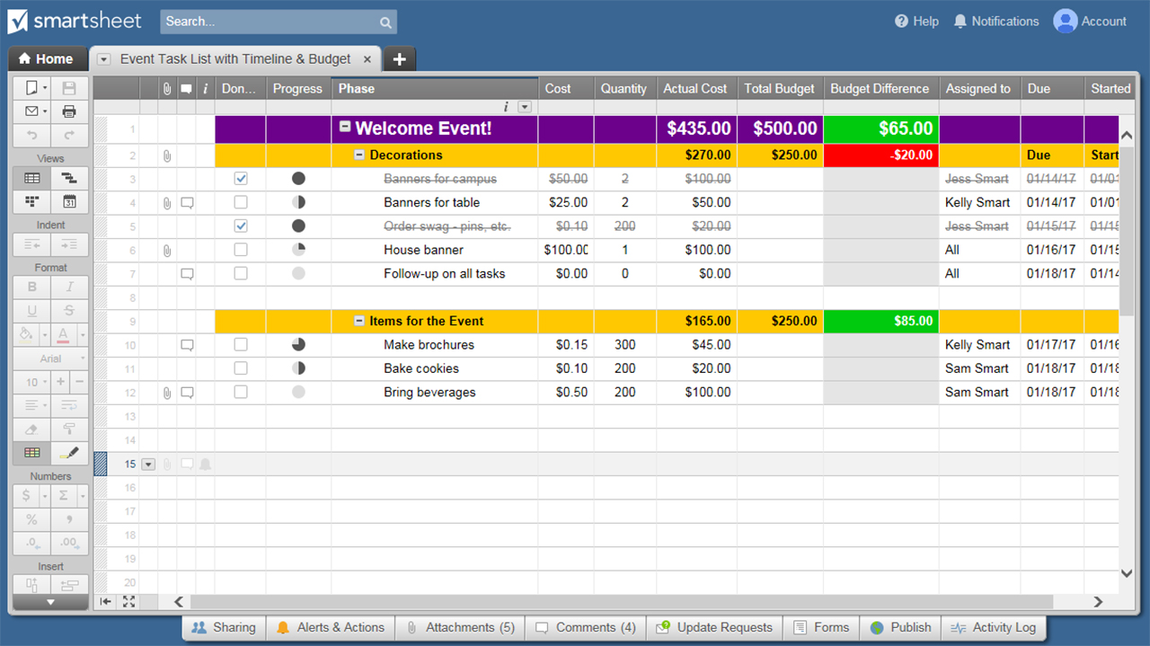
EVENT VENUE CHECKLIST
EVENT TITLE |  |  | DATE(S)
VENUE NAME |  |  | CONTACT
VENUE ADDRESS |  |  | PHONE
 |  |  | EMAIL
 | ITEM TO REVIEW / CONFIRM |  | COMMENTS
 | VENUE AVAILABILITY
 | VENUE RENTAL FEE
 | VENUE FEE DEPOSIT POLICY
 | ADDITIONAL FEES
 | EARLY ACCESS POLICY
 | ACCESS DATES AND TIMES
 | CAPACITY - AREA 1
 | CAPACITY - AREA 2
 | CAPACITY - AREA 3
 | ENTRANCE AREA
 | RECEPTION AREA
 | ADDITIONAL CONCURRENT EVENTS AT VENUE
 | SIGNAGE PROVIDED
 | SIGNAGE OPPORTUNITIES
 | CURB APPEAL
 | DIRECTIONS FOR GUESTS
 | PARKING FEES
 | PARKING CAPACITY / ACCOMMODATIONS
 | PARKING LOCATION
 | VALET PARKING
 | BUS RENTAL
 | BUS PICK-UP
 | BUS DROP-OFF
 | ADA ACCESS
 | SHIPMENTS - DAY OF
 | DELIVERIES - DAY OF
 | EARLY SHIPMENTS AND DELIVERIES VENUE POLICY
 | AUDIO / VISUAL STAFF
 | LIGHTING SET-UP AND EQUIPMENT
 | SOUND SET-UP AND EQUIPMENT

EVENT TITLE |  | 0 | DATE(S) | 0
VENUE NAME |  | 0 | CONTACT | 0
VENUE ADDRESS |  | 0 | PHONE | 0
 |  |  | EMAIL | 0
 | ITEM TO REVIEW / CONFIRM |  | COMMENTS
 | WIFI ACCESS
 | STAGE AREA LOGISTICS
 | DECORATIONS - VENUE PROVIDED
 | DECORATIONS - COORDINATOR TO PROVIDE
 | DECORATIONS - VENUE POLICY (Hanging, tape, nails, hooks, etc.)
 | DESCRIPTION OF EXISTING DÉCOR
 | CATERING POLICY / EXCLUSIVE CATERING
 | CATERING - APPETIZERS MENU
 | CATERING - APPETIZERS COST PER PERSON
 | CATERING - MEAL MENU
 | CATERING - MEAL COST PER PERSON
 | CATERING - DESSERT MENU
 | CATERING - DESSERT COST PER PERSON
 | CAKE-CUTTING FEE
 | BEVERAGES - SOFT DRINKS AND WATER COST PER PERSON
 | BEVERAGES - COFFEE AND TEA COST PER PERSON
 | BEVERAGES - BAR FEES
 | BARTENDING FEES
 | SET-UP FEES
 | TEAR-DOWN FEES
 | ADDITIONAL STAFF PROVIDED
 | ADDITIONAL STAFF FEES
 | CLEANING FEES
 | PET POLICY
 | PYROTECHNICS POLICY
 | NOISE / VOLUME POLICY
 | PROXIMITY TO GUEST ACCOMMODATIONS
 | DISCOUNTED / PARTNER ACCOMMODATIONS
 | GREEN ROOM / PREP AREAS
 | KITCHEN FACILITIES

EVENT TITLE |  | 0 | DATE(S) | 0
VENUE NAME |  | 0 | CONTACT | 0
VENUE ADDRESS |  | 0 | PHONE | 0
 |  |  | EMAIL | 0
 | ITEM TO REVIEW / CONFIRM |  | COMMENTS

CLICK HERE TO CREATE EVENT VENUE CHECKLISTS IN SMARTSHEET

