Social Media Strategy Plan
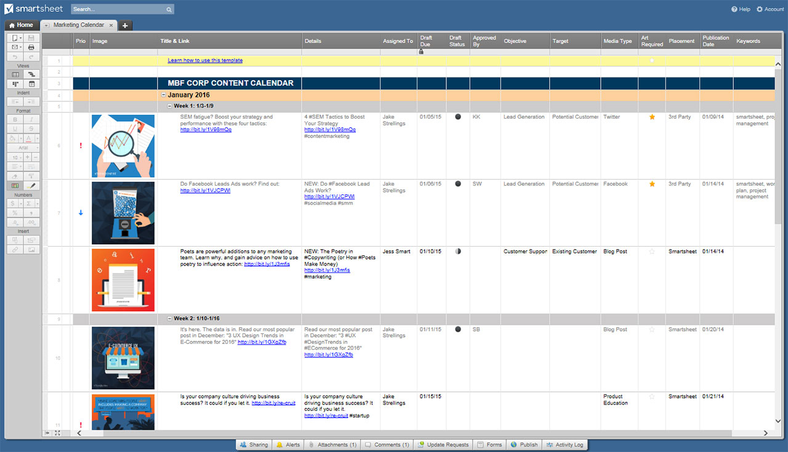
SOCIAL MEDIA STRATEGY PLAN
RESEARCH – DISCOVERY – ANALYSIS
COMPANY DEFINED
YOUR MISSION
YOUR VISION
TARGET AUDIENCE
YOUR MESSAGE
STRENGTHS DEFINED
WEAKNESSES DEFINED

COMPETITIVE ANALYSIS
COMPETITION DEFINED
COMPETITION STRENGTHS
YOUR COMPANY'S COMPETITIVE EDGE: WHAT YOUR COMPANY DOES BETTER
WHAT YOUR COMPANY CAN DO DIFFERENTLY
POTENTIAL ROADBLOCKS
BENEFITS

PLAN BUILDING
OBJECTIVES
WHAT & HOW
WHAT & HOW
WHAT & HOW
WHAT & HOW
WHAT & HOW
MEASURABLE GOALS
FACEBOOK
TWITTER
LINKEDIN
YOUTUBE
INSTAGRAM
SNAPCHAT

EXECUTE – IMPLEMENT – LAUNCH
CHECK FOR MESSAGE CLARITY AND UNIFORMITY ACROSS PLATFORMS
GRAPHIC UNIFORMITY
CONVERSATION MONITORING
SOCIAL ID ADDED TO ALL BRANDING INCLUDING EMAIL & PRINT MEDIA
DAILY POSTING WHERE APPLICABLE
REPORTING PLAN: ENGAGEMENT, INFLUENCE, NUMBERS, ETC.

MEASURE – METRICS – TRACK
WEEKLY STATUS UPDATES
NUMBER / NETWORK GROWTH
STATUS: ENGAGEMENT
STATUS: INFLUENCE
WHAT'S WORKING? WHAT ISN'T? EVLAUATION & REVISIONS

GOAL ASSESSMENT – REVISED GOALS – NEW GOALS
FACEBOOK
TWITTER
LINKEDIN
YOUTUBE
INSTAGRAM
SNAPCHAT

CLICK HERE TO CREATE SOCIAL MEDIA STRATEGY PLAN TEMPLATES IN SMARTSHEET

