Human Resource Plan - BLANK
HUMAN RESOURCE PLANNING TEMPLATE
Scroll right and down to cell X32 for PIVOT TABLE |  |  |  | EFFORT HOURS populate automatically | RESOURCES
TASK NAME | START DATE | END DATE | MONTH | EFFORT HOURS | RESOURCE 1 | RESOURCE 2 | RESOURCE 3 | RESOURCE 4 | RESOURCE 5 | RESOURCE 6 | RESOURCE 7 | RESOURCE 8 | RESOURCE 9 | RESOURCE 10 | RESOURCE 11 | RESOURCE 12 | <---Enter team member name or ID
 |  |  |  | 0.00 |  |  |  |  |  |  |  |  |  |  |  |  | <---Enter individual hours per resource per task
 |  |  |  | 0.00 |  |  |  |  |  |  |  |  |  |  |  |  | * Hourly totals will calculate in EFFORT HOURS for each task
 |  |  |  | 0.00
 |  |  |  | 0.00
 |  |  |  | 0.00
 |  |  |  | 0.00
 |  |  |  | 0.00
 |  |  |  | 0.00
 |  |  |  | 0.00
 |  |  |  | 0.00
 |  |  |  | 0.00
 |  |  |  | 0.00
 |  |  |  | 0.00
 |  |  |  | 0.00
 |  |  |  | 0.00
 |  |  |  | 0.00
 |  |  |  | 0.00
 |  |  |  | 0.00
 |  |  |  | 0.00
 |  |  |  | 0.00
 |  |  |  | 0.00
 |  |  |  | 0.00
 |  |  |  | 0.00
 |  |  |  | 0.00
 |  |  |  | 0.00
 |  |  |  | 0.00
 |  |  |  | HOURS PER RESOURCE | 0.00 | 0.00 | 0.00 | 0.00 | 0.00 | 0.00 | 0.00 | 0.00 | 0.00 | 0.00 | 0.00 | 0.00

TO RESET PIVOT TABLE DATA, after table has been updated, select "Refresh All" Under the Refresh menu on the "PivotTable Analyze" tab.
 |  |  |  |  |  |  |  |  |  |  |  |  |  |  |  |  |  | PIVOT TABLE
 |  |  |  |  |  |  |  |  |  |  |  |  |  |  |  |  |  |  | Column Labels
 |  |  |  |  |  |  |  |  |  |  |  |  |  |  |  |  |  | Values | (blank) | Grand Total
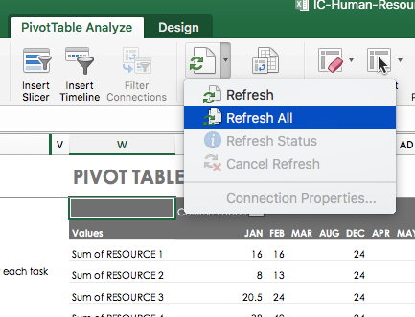
 |  |  |  |  |  |  |  |  |  |  |  |  |  |  |  |  |  | Sum of RESOURCE 1
 |  |  |  |  |  |  |  |  |  |  |  |  |  |  |  |  |  | Sum of RESOURCE 2
 |  |  |  |  |  |  |  |  |  |  |  |  |  |  |  |  |  | Sum of RESOURCE 3
 |  |  |  |  |  |  |  |  |  |  |  |  |  |  |  |  |  | Sum of RESOURCE 4
 |  |  |  |  |  |  |  |  |  |  |  |  |  |  |  |  |  | Sum of RESOURCE 5
 |  |  |  |  |  |  |  |  |  |  |  |  |  |  |  |  |  | Sum of RESOURCE 6
 |  |  |  |  |  |  |  |  |  |  |  |  |  |  |  |  |  | Sum of RESOURCE 7
 |  |  |  |  |  |  |  |  |  |  |  |  |  |  |  |  |  | Sum of RESOURCE 8
 |  |  |  |  |  |  |  |  |  |  |  |  |  |  |  |  |  | Sum of RESOURCE 9
 |  |  |  |  |  |  |  |  |  |  |  |  |  |  |  |  |  | Sum of RESOURCE 10
 |  |  |  |  |  |  |  |  |  |  |  |  |  |  |  |  |  | Sum of RESOURCE 11
 |  |  |  |  |  |  |  |  |  |  |  |  |  |  |  |  |  | Sum of RESOURCE 12

