Daily Timesheet
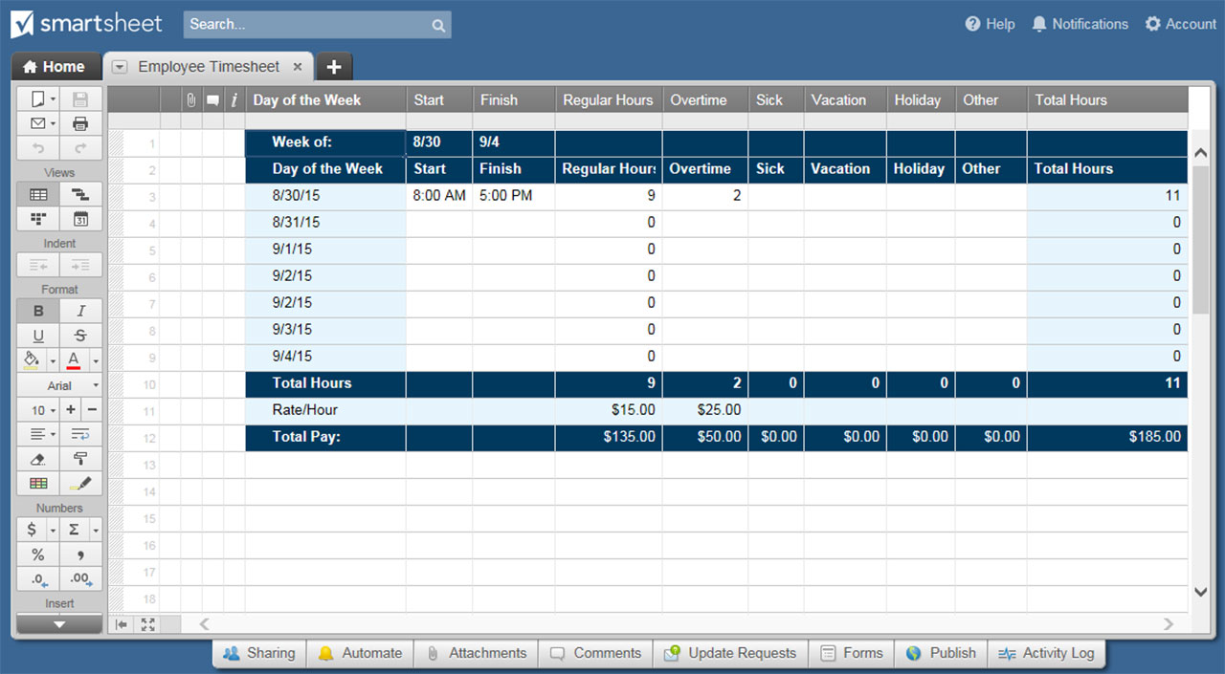
DAILY TIMESHEET TEMPLATE
EMPLOYEE NAME |  |  | MANAGER NAME
EMPLOYEE ID |  | DATE |  | HOURLY RATE | $-

HOUR OF DAY | REGULAR | VACATION | SICK | OTHER PAID | TOTAL HOURS
0:00:00 |  |  |  |  | 0.00
1:00:00 |  |  |  |  | 0.00
2:00:00 |  |  |  |  | 0.00
3:00:00 |  |  |  |  | 0.00
4:00:00 |  |  |  |  | 0.00
5:00:00 |  |  |  |  | 0.00
6:00:00 |  |  |  |  | 0.00
7:00:00 |  |  |  |  | 0.00
8:00:00 |  |  |  |  | 0.00
9:00:00 |  |  |  |  | 0.00
10:00:00 |  |  |  |  | 0.00
11:00:00 |  |  |  |  | 0.00
12:00:00 |  |  |  |  | 0.00
13:00:00 |  |  |  |  | 0.00
14:00:00 |  |  |  |  | 0.00
15:00:00 |  |  |  |  | 0.00
16:00:00 |  |  |  |  | 0.00
17:00:00 |  |  |  |  | 0.00
18:00:00 |  |  |  |  | 0.00
19:00:00 |  |  |  |  | 0.00
20:00:00 |  |  |  |  | 0.00
21:00:00 |  |  |  |  | 0.00
22:00:00 |  |  |  |  | 0.00
23:00:00 |  |  |  |  | 0.00
TOTAL HOURS | 0.00 | 0.00 | 0.00 | 0.00 | 0.00
 |  |  |  | GROSS PAY | $-

EMPLOYEE SIGNATURE |  |  |  | DATE

MANAGER SIGNATURE |  |  |  | DATE

CLICK HERE TO CREATE DAILY TIMESHEET TEMPLATES IN SMARTSHEET

