Parametric Cost Estimating
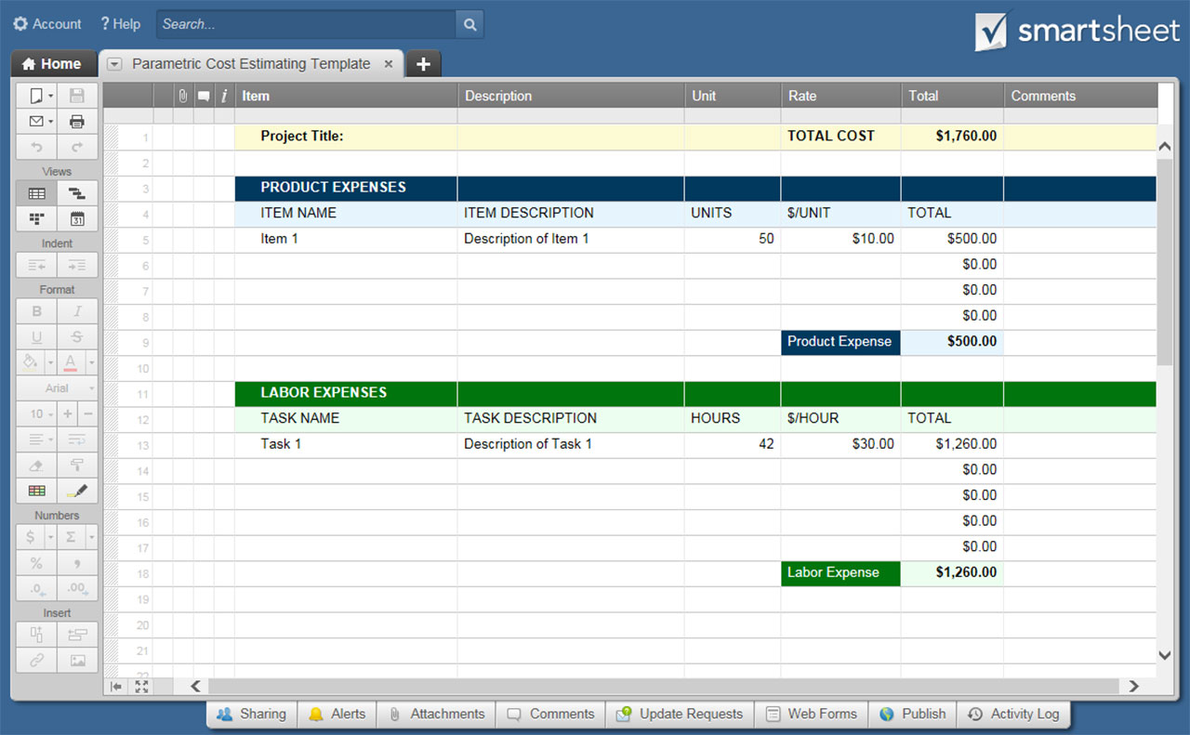
PARAMETRIC COST ESTIMATING TEMPLATE

Project Title; Project Manager |  | COMBINED TOTAL COST: |  | $1,760.00

PRODUCT EXPENSES
ITEM NAME | ITEM DESCRIPTION | UNITS | $ / UNIT | TOTAL
Item 1 | Description of Item 1 | 50 | $10.00 | $500.00
 |  |  | $- | $-
 |  |  | $- | $-
 |  |  | $- | $-
 |  |  | $- | $-
 |  |  | $- | $-
 |  |  | $- | $-
 |  |  | $- | $-
 |  |  | $- | $-
 |  |  | $- | $-
 |  |  | $- | $-
 |  |  | $- | $-
 |  |  | $- | $-
 |  |  | $- | $-
 |  |  | $- | $-
 |  | PRODUCT EXPENSE TOTAL |  | $500.00

LABOR EXPENSES
TASK NAME | TASK DESCRIPTION | HOURS | $ / HOUR | TOTAL
Item 1 | Description of Item 1 | 42 | $30.00 | $1,260.00
 |  |  | $- | $-
 |  |  | $- | $-
 |  |  | $- | $-
 |  |  | $- | $-
 |  |  | $- | $-
 |  |  | $- | $-
 |  |  | $- | $-
 |  |  | $- | $-
 |  |  | $- | $-
 |  |  | $- | $-
 |  |  | $- | $-
 |  |  | $- | $-
 |  |  | $- | $-
 |  |  | $- | $-
 |  | LABOR EXPENSE TOTAL |  | $1,260.00

CLICK HERE TO CREATE BUDGET TEMPLATES IN SMARTSHEET

