Project Portfolio Summary
PROJECT HEALTH LEVEL COUNT
PROJECT STATUS COUNT
PRIORITY LEVEL COUNT
PROJECT PORTFOLIO SUMMARY TEMPLATE
DEPARTMENT |  |  |  |  | PORTFOLIO FINANCIAL HEALTH
DEPARTMENT LEAD |  |  |  |  | $1,085,000 | BUDGET
NUMBER OF PROJECTS |  | 10 |  |  | $812,000 | ACTUAL
DATE OF LAST UPDATE |  |  |  |  | $273,000 | BALANCE

PROJECT HEALTH LEVEL | PRIORITY | PROJECT ID | PROJECT NAME | STATUS | PROJECT SUMMARY | PROJECT MANAGER | BUDGET | ACTUAL | BUDGET LESS ACTUAL | EXPECTED DATE OF COMPLETION | NUMBER OF DAYS REMAINING | PERCENT OF PROJECT COMPLETE | ASSOCIATED RISKS | COST BENEFIT ANALYSIS OUTCOME | COMMENTARY | ATTACHMENTS / LINKS | PROJECT HEALTH LEVEL KEY | STATUS KEY | PRIORITY KEY | PROJECT HEALTH LEVEL CT | QTY | STATUS COUNT | QTY | PRIORITY KEY | QTY
1 | LOW |  |  | OTHER |  |  | $800,000 | $500,000 | $300,000 | 2018-09-30 | 418 | 10% |  |  |  |  | 1 | REQUEST PLACED | LOW | 1 | 2 | REQUEST PLACED | 1 | LOW | 4
2 | MEDIUM |  |  | MONITOR |  |  | $285,000 | $312,000 | $(27,000) | 2017-05-05 | (95) | 30% |  |  |  |  | 2 | APPROVED | MEDIUM | 2 | 2 | APPROVED | 1 | MEDIUM | 3
3 | HIGH |  |  | COMPLETE |  |  | $- | $- | $- | 2018-09-30 | 418 | 50% |  |  |  |  | 3 | PLANNING PHASE | HIGH | 3 | 1 | PLANNING PHASE | 1 | HIGH | 2
4 | EXTREME |  |  | ON HOLD |  |  | $- | $- | $- | 2018-10-11 | 429 | 25% |  |  |  |  | 4 | ON HOLD | EXTREME | 4 | 4 | ON HOLD | 1 | EXTREME | 1
5 | LOW |  |  | PLANNING PHASE |  |  | $- | $- | $- | 2019-12-12 | 856 | 11% |  |  |  |  | 5 | COMPLETE |  | 5 | 1 | COMPLETE | 3
4 | LOW |  |  | APPROVED |  |  | $- | $- | $- |  | (42955) | 90% |  |  |  |  |  | MONITOR |  |  |  | MONITOR | 2
4 | LOW |  |  | REQUEST PLACED |  |  | $- | $- | $- |  | (42955) | 60% |  |  |  |  |  | OTHER |  |  |  | OTHER | 1
2 | MEDIUM |  |  | MONITOR |  |  | $- | $- | $- |  | (42955) | 30%
1 | MEDIUM |  |  | COMPLETE |  |  | $- | $- | $- |  | (42955) | 100%
4 | HIGH |  |  | COMPLETE |  |  | $- | $- | $- |  | (42955) | 0%
 |  |  |  |  |  |  | $- | $- | $- |  | (42955) | 0%
 |  |  |  |  |  |  | $- | $- | $- |  | (42955) | 0%
 |  |  |  |  |  |  | $- | $- | $- |  | (42955) | 0%
 |  |  |  |  |  |  | $- | $- | $- |  | (42955) | 0%
 |  |  |  |  |  |  | $- | $- | $- |  | (42955) | 0%
 |  |  |  |  |  |  | $- | $- | $- |  | (42955) | 0%
 |  |  |  |  |  |  | $- | $- | $- |  | (42955) | 0%
 |  |  |  |  |  |  | $- | $- | $- |  | (42955) | 0%

CLICK HERE TO CREATE PROJECT PORTFOLIO SUMMARY TEMPLATES IN SMARTSHEET

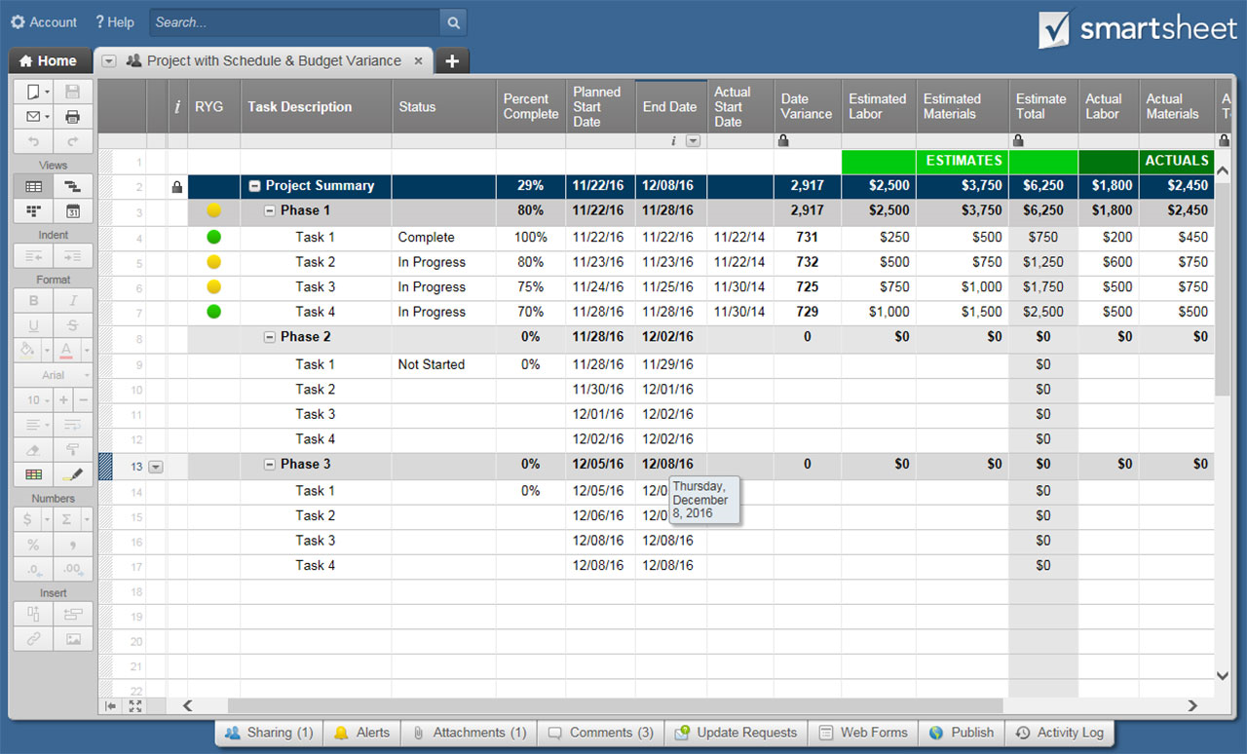

BLANK Project Portfolio Summary
PROJECT HEALTH LEVEL COUNT
PROJECT STATUS COUNT
PRIORITY LEVEL COUNT
PROJECT PORTFOLIO SUMMARY TEMPLATE |  |  |  |  | Enter project data below; charts, graphs, and summary info will populate automatically.
DEPARTMENT |  |  |  |  | PORTFOLIO FINANCIAL HEALTH
DEPARTMENT LEAD |  |  |  |  | $- | BUDGET
NUMBER OF PROJECTS |  | 0 |  |  | $- | ACTUAL
DATE OF LAST UPDATE |  |  |  |  | $- | BALANCE

PROJECT HEALTH LEVEL | PRIORITY | PROJECT ID | PROJECT NAME | STATUS | PROJECT SUMMARY | PROJECT MANAGER | BUDGET | ACTUAL | BUDGET LESS ACTUAL | EXPECTED DATE OF COMPLETION | NUMBER OF DAYS REMAINING | PERCENT OF PROJECT COMPLETE | ASSOCIATED RISKS | COST BENEFIT ANALYSIS OUTCOME | COMMENTARY | ATTACHMENTS / LINKS | PROJECT HEALTH LEVEL KEY | STATUS KEY | PRIORITY KEY | PROJECT HEALTH LEVEL CT | QTY | STATUS COUNT | QTY | PRIORITY KEY | QTY
 |  |  |  |  |  |  | $- | $- | $- |  | (42955) | 0% |  |  |  |  | 1 | REQUEST PLACED | LOW | 1 | 0 | REQUEST PLACED | 0 | LOW | 0
 |  |  |  |  |  |  | $- | $- | $- |  | (42955) | 0% |  |  |  |  | 2 | APPROVED | MEDIUM | 2 | 0 | APPROVED | 0 | MEDIUM | 0
 |  |  |  |  |  |  | $- | $- | $- |  | (42955) | 0% |  |  |  |  | 3 | PLANNING PHASE | HIGH | 3 | 0 | PLANNING PHASE | 0 | HIGH | 0
 |  |  |  |  |  |  | $- | $- | $- |  | (42955) | 0% |  |  |  |  | 4 | ON HOLD | EXTREME | 4 | 0 | ON HOLD | 0 | EXTREME | 0
 |  |  |  |  |  |  | $- | $- | $- |  | (42955) | 0% |  |  |  |  | 5 | COMPLETE |  | 5 | 0 | COMPLETE | 0
 |  |  |  |  |  |  | $- | $- | $- |  | (42955) | 0% |  |  |  |  |  | MONITOR |  |  |  | MONITOR | 0
 |  |  |  |  |  |  | $- | $- | $- |  | (42955) | 0% |  |  |  |  |  | OTHER |  |  |  | OTHER | 0
 |  |  |  |  |  |  | $- | $- | $- |  | (42955) | 0%
 |  |  |  |  |  |  | $- | $- | $- |  | (42955) | 0%
 |  |  |  |  |  |  | $- | $- | $- |  | (42955) | 0%
 |  |  |  |  |  |  | $- | $- | $- |  | (42955) | 0%
 |  |  |  |  |  |  | $- | $- | $- |  | (42955) | 0%
 |  |  |  |  |  |  | $- | $- | $- |  | (42955) | 0%
 |  |  |  |  |  |  | $- | $- | $- |  | (42955) | 0%
 |  |  |  |  |  |  | $- | $- | $- |  | (42955) | 0%
 |  |  |  |  |  |  | $- | $- | $- |  | (42955) | 0%
 |  |  |  |  |  |  | $- | $- | $- |  | (42955) | 0%
 |  |  |  |  |  |  | $- | $- | $- |  | (42955) | 0%

