Simple Cost Benefit Analysis
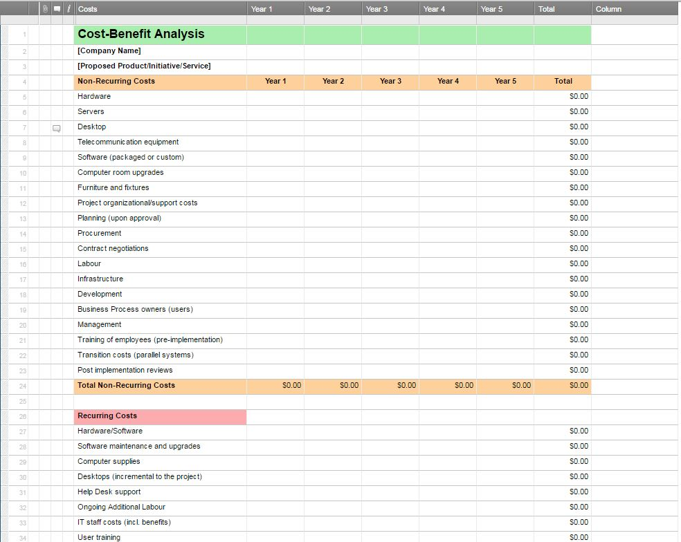
SIMPLE COST BENEFIT ANALYSIS TEMPLATE

COMPANY NAME |  |  |  | DATE CONDUCTED
PROPOSED PRODUCT/INITIATIVE/SERVICE |  |  |  | COMPLETED BY

QUANTITATIVE ANALYSIS | YEAR 1 | YEAR 2 | YEAR 3 | YEAR 4 | YEAR 5 | TOTAL
NON-RECURRING COSTS
Hardware |  |  |  |  |  | $-
Servers |  |  |  |  |  | $-
Desktop |  |  |  |  |  | $-
Telecommunication Equipment |  |  |  |  |  | $-
Software (Packaged or Custom) |  |  |  |  |  | $-
Computer Room Upgrades |  |  |  |  |  | $-
Furniture and Fixtures |  |  |  |  |  | $-
Project Organizational/Support Costs |  |  |  |  |  | $-
Planning (upon Approval) |  |  |  |  |  | $-
Procurement |  |  |  |  |  | $-
Contract Negotiations |  |  |  |  |  | $-
Labor |  |  |  |  |  | $-
Infrastructure |  |  |  |  |  | $-
Development |  |  |  |  |  | $-
Business Process Owners (Users) |  |  |  |  |  | $-
Management |  |  |  |  |  | $-
Training of Employees (Pre-Implementation) |  |  |  |  |  | $-
Transition Costs (Parallel Systems) |  |  |  |  |  | $-
Post-Implementation Reviews |  |  |  |  |  | $-
TOTAL NON-RECURRING COSTS | $- | $- | $- | $- | $- | $-

RECURRING COSTS
Hardware/Software |  |  |  |  |  | $-
Software Maintenance and Upgrades |  |  |  |  |  | $-
Computer Supplies |  |  |  |  |  | $-
Desktops (Incremental to the Project) |  |  |  |  |  | $-
Help Desk Support |  |  |  |  |  | $-
Ongoing Additional Labor |  |  |  |  |  | $-
IT Staff Costs (including Benefits) |  |  |  |  |  | $-
User Training |  |  |  |  |  | $-
Other |  |  |  |  |  | $-
Telecommunications |  |  |  |  |  | $-
Office Leases |  |  |  |  |  | $-
TOTAL RECURRING COSTS | $- | $- | $- | $- | $- | $-

TOTAL COSTS | $- | $- | $- | $- | $- | $-

QUANTITATIVE BENEFITS | YEAR 1 | YEAR 2 | YEAR 3 | YEAR 4 | YEAR 5 | TOTAL
REVENUES
(Enter Revenue Sources Here) |  |  |  |  |  | $-
 |  |  |  |  |  | $-
 |  |  |  |  |  | $-
TOTAL REVENUES | $- | $- | $- | $- | $- | $-

COST SAVINGS
Decreased Cost of Services Provided |  |  |  |  |  | $-
Savings from Business Process Improvements |  |  |  |  |  | $-
Productivity Gains |  |  |  |  |  | $-
Savings from Structural Changes |  |  |  |  |  | $-
Savings from Optimized Information (or Flow) |  |  |  |  |  | $-
Decreased Information Publishing Cost |  |  |  |  |  | $-
Reduced Staffing Cost (including Overtime) |  |  |  |  |  | $-
Reduced Staff Turnover Costs |  |  |  |  |  | $-
TOTAL COST SAVINGS | $- | $- | $- | $- | $- | $-

COST AVOIDANCE
(Enter Cost Avoidance Here) |  |  |  |  |  | $-
 |  |  |  |  |  | $-
TOTAL COST AVOIDANCE | $- | $- | $- | $- | $- | $-

OTHER BENEFITS
(Enter Other Benefits Here) |  |  |  |  |  | $-
 |  |  |  |  |  | $-
TOTAL OTHER BENEFITS | $- | $- | $- | $- | $- | $-

TOTAL BENEFITS | $- | $- | $- | $- | $- | $-

CLICK HERE TO CREATE SIMPLE COST BENEFIT ANALYSIS TEMPLATES IN SMARTSHEET

