RFI Response Template
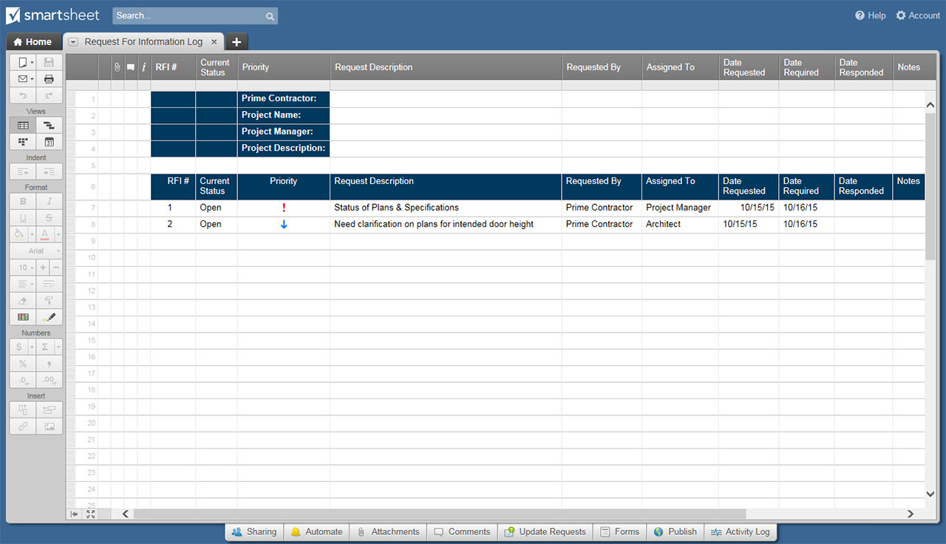
RFI RESPONSE TEMPLATE
RFI RESPONSE

REQUESTING PARTY |  |  | RESPONDING PARTY
RFI RESPONSE SUBMISSION DEADLINE |  |  | DATE OF RFI RESPONSE

ORGANIZATION NAME |  |  | CONTACT NAME
ADDRESS |  |  | CONTACT TITLE
 |  |  | PHONE
 |  |  | EMAIL
 |  |  | WEBSITE

ORGANIZATION BACKGROUND
AGENCY HISTORY OF OWNERSHIP AND AFFILIATIONS
OFFICE LOCATIONS
BRIEF STATEMENT OF CORE BUSINESS COMPETENCIES
BRIEF SUMMARY OF WHY YOUR ORGANIZATION IS THE BEST FIT FOR THE NEEDS OUTLINED

CLIENTS SERVED IN SIMILAR INDUSTRY |  |  | POTENTIAL CONFLICTS / COMPETITOR CONTRACTS
 |  |  | YES / NO
 |  |  | LIST ANY COMPETITOR CLIENTS

DO YOU SUBCONTRACT WORK TO THIRD PARTIES? | IF "YES," EXPLAIN:
YES / NO

SCOPE OF WORK
PROVIDE OVERALL DESCRIPTION OF PROPOSED SOLUTION
PROVIDE DESCRIPTION OF STATUS REPORTING AND TRACKING SYSTEMS EMPLOYED
DESCRIBE SECURITY AND QUALITY ASSURANCE POLICIES HELD
OTHER
OTHER

ESTIMATED COSTS / FEES
ESTIMATE |  | ADDITIONAL COMMENTS
INITIAL FEES | $
RECURRING FEES | $
ASSUMPTIONS | $
PRICING METHODOLOGY
RECEIPT OF PAYMENT PRACTICES

TRADE ORGANIZATIONS / INSURANCE / POLICIES
TRADE ORGANIZATION MEMBERSHIPS
CONFIRMATION OF FINANCIAL CAP PER CLAIM OF AGENCY'S PROFESSIONAL INDEMNITY INSURANCE
ARE THE FOLLOWING POLICIES HELD BY YOUR AGENCY?
YES / NO | QUALITY MANAGEMENT |  | YES / NO | TRAINING
YES / NO | DISASTER RECOVERY |  | YES / NO | HEALTH AND SAFETY
YES / NO | EQUALITY AND DIVERSITY |  | YES / NO | ENVIRONMENTAL
YES / NO | SOCIAL AND CORPORATE RESPONSIBILITY |  | YES / NO | OTHER
YES / NO | OTHER |  | YES / NO | OTHER
YES / NO | OTHER |  | YES / NO | OTHER

FUNCTIONALITY REQUIREMENTS |  |  |  |  | FUNCTIONALITY REQUIREMENT AVAILABILITY KEY
M: MEETS NEEDS | C: MEETS NEEDS WITH CUSTOM FUNCTIONALITY | F: MEETS NEEDS WITH FUTURE FUNCTIONALITY | N/A: NOT APPLICABLE
REQUIREMENT |  | AVAILABILITY | COMMENTS
 |  |  |  |  | M
 |  |  |  |  | C
 |  |  |  |  | F
 |  |  |  |  | N/A

CLICK HERE TO CREATE RFI RESPONSE TEMPLATES IN SMARTSHEET

