Remodel Punch List
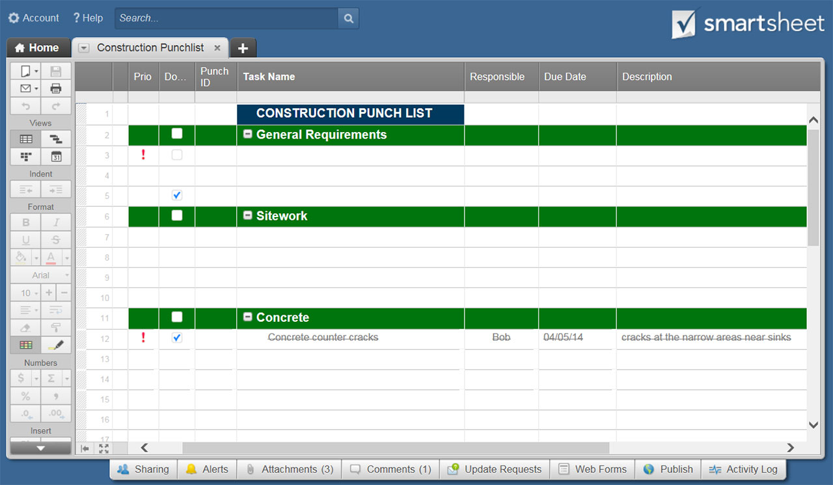
REMODEL PUNCH LIST TEMPLATE
TASK | ADDITIONAL INFO | ROOM / LOCATION | TRADE | STATUS | STATUS KEY
 |  |  | General Contractor | NOT STARTED | NOT STARTED
 |  |  | Plumbing | IN PROGRESS | IN PROGRESS
 |  |  | Electrical | COMPLETE | COMPLETE
 |  |  | HVAC | ON HOLD | ON HOLD

CLICK HERE TO CREATE REMODEL PUNCH LIST TEMPLATES IN SMARTSHEET

