Onboarding Feedback Form
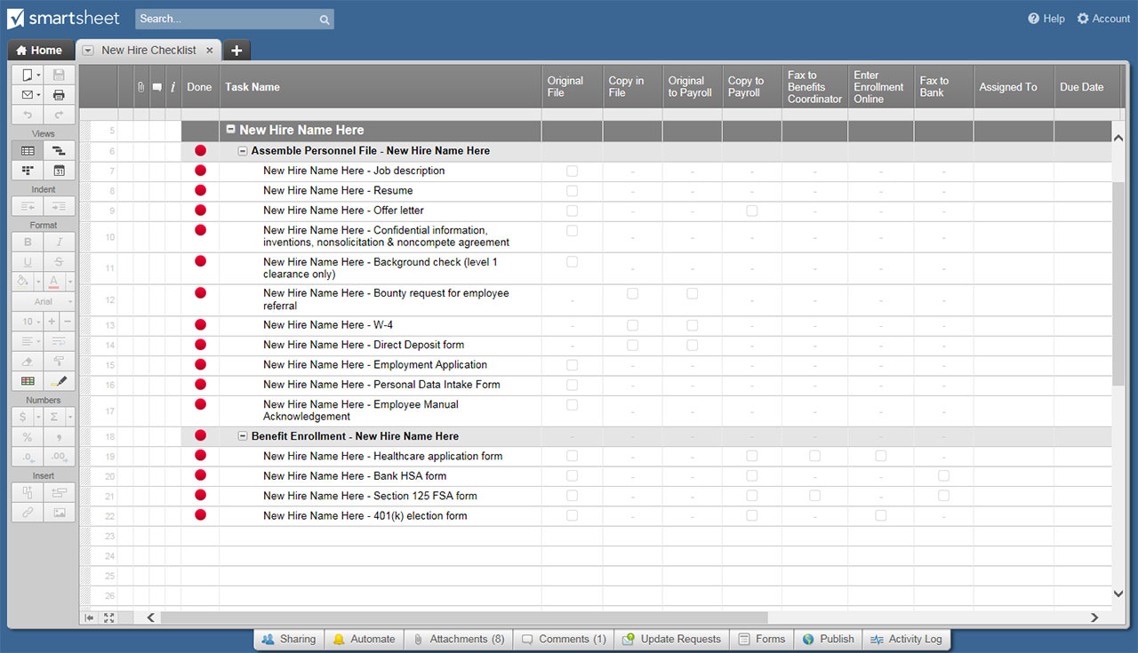
ONBOARDING FEEDBACK FORM

DEPARTMENT
START DATE
MANAGER

ORIENTATION EVALUATION
Rate each statement on a scale of 1 through 5 | ENTER SCORE OF 1 TO 5
1 = STRONGLY DISAGREE
5 = STRONGLY AGREE
Orientation was engaging, educational, and ultimately helpful to me. | 5
Following orientation, I have a clearer picture of the company as a whole, its structure, and its leadership. | 4
I have a solid understanding of product and service offerings of our company. | 3
I am able to locate payroll information. | 2
I am able to access benefit enrollment platforms. | 1
I am familiar with the IT ticket submission process. | 5
I am satisfied with the orientation experience. | 5
As a result of orientation, I have a better understanding of the company's work culture, values, and mission. | 5
I am satisfied with the interactions experienced with fellow employees at orientation. | 5
I found the length of time spent in orientation was sufficient to absorb the information given. | 5
ORIENTATION EVALUATION TOTAL SCORE of a possible 50 | 40
ORIENTATION EVALUATION RATING AVERAGE | 4.0

ORIENTATION EVALUATION - ADDITIONAL QUESTIONS
What was the best part of your orientation experience?

What part of the orientation experience did you not enjoy?

What aspects of orientation exceeded your expectations?

What aspects of orientation failed to meet your expectations?

Additional comments:

FIRST 30-DAY ONBOARDING EVALUATION
Rate each statement on a scale of 1 through 5 | ENTER SCORE OF 1 TO 5
1 = STRONGLY DISAGREE
5 = STRONGLY AGREE
I found the New Hire Portal to be an effective resource. | 3
I found the New Hire Roadmap to be an effective resource. | 5
I found the New Hire Resource Kit to be an effective resource. | 1
I found the New Hire Portal to be an effective resource. | 1
I found the Company Intranet to be an effective resource. | 1
I found the New Hire Portal to be an effective resource. | 5
I found my direct manager to be an effective resource. | 5
I found my HR representative to be an effective resource. | 5
I found my team to be an effective resource. | 5
ONBOARDING EVALUATION TOTAL SCORE of a possible 50 | 31
ONBOARDING EVALUATION RATING AVERAGE | 3.4

FIRST-30 DAY ONBOARDING EVALUATION - ADDITIONAL QUESTIONS
What was the best part of your onboarding experience?

What part of the onboarding experience did you not enjoy?

What aspects of onboarding exceeded your expectations?

What aspects of onboarding failed to meet your expectations?

Additional comments:

CLICK HERE TO CREATE YOUR ONBOARDING FEEDBACK FORM TEMPLATE IN SMARTSHEET

