Vendor Evaluation
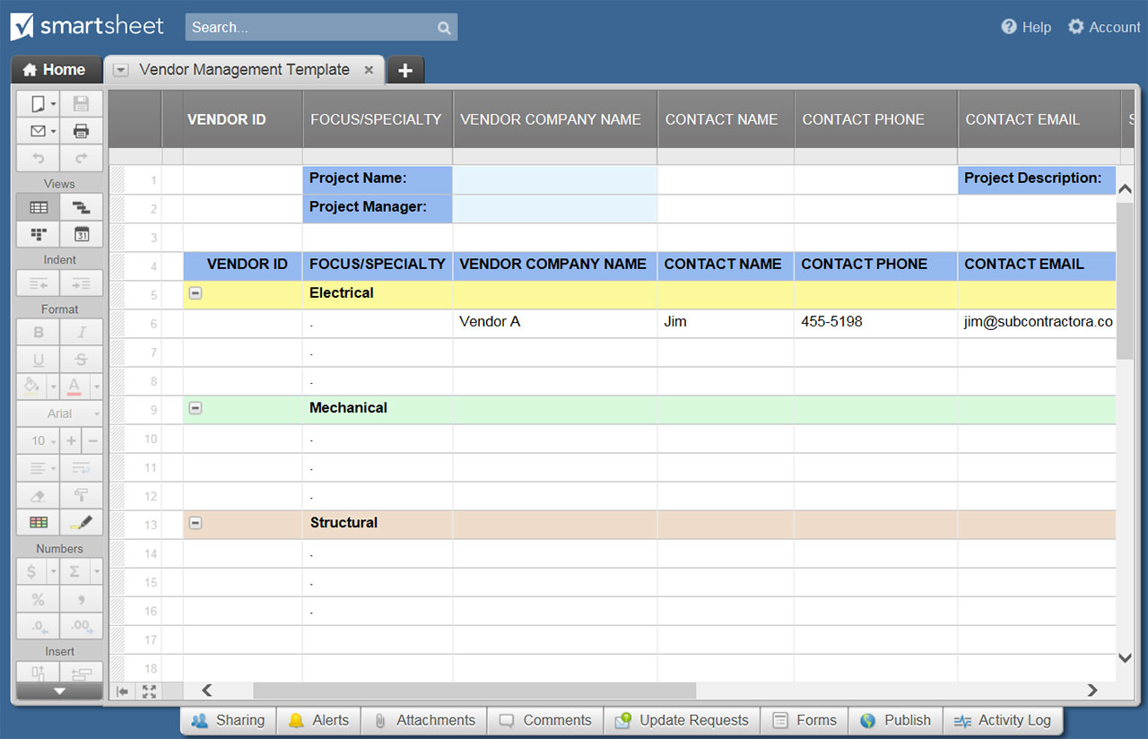
VENDOR EVALUATION TEMPLATE
VENDOR NAME |  |  | CONTRACT REFERENCE NUMBER
CONTRACT DESCRIPTION |  |  | TIME PERIOD COVERED
EVALUATING PARTY NAME |  |  | DATE EVALUATION COMPLETED

EVALUATION CATEGORY | PERFORMANCE EXPECTATIONS | SCORE | CORRECTIVE ACTION DESCRIPTION – IF NECESSARY – | ADDITIONAL INFO | SCORE KEY
ADMINISTRATION | Required documentation / reports submitted | 5 |  |  | 5 | Very Good; Exceeds expectations
 | Invoices submitted on time | 4 |  |  | 4 | Good; Meets expectations
 | Invoice accuracy | 3 |  |  | 3 | Standard; Meets most expectations
 | Contract completed on budget | 2 |  |  | 2 | Adequate; Meets some expectations
 | Competitive change order pricing provided | 1 |  |  | 1 | Unsatisfactory; Misses most expectations
 | Financial aspects monitored and tracked | 0 |  |  | 0 | Substandard; Falls far below expectations
 |  | N/A |  |  | N/A | Not Applicable

ADMINISTRATION TOTAL SCORE |  | 15
SCOPE | Deliverable completed to quality standards
 | Adhered to specifications of contract
 | Demonstrated flexibility
 | Provided innovative input
 | Substantiated change orders
 | Corrections made quickly when necessary
 | Problem areas recognized and corrected

SCOPE TOTAL SCORE |  | 0
STAFF | Adequate staff present
 | Staff is professional and competent

STAFF TOTAL SCORE |  | 0
COMMUNICATIONS | Communicated effectively and openly
 | Positive and professional character and conduct

COMMUNICATIONS TOTAL SCORE |  | 0
SCHEDULE | Work efficiently planned
 | Provides required schedules and plans
 | Milestones met

SCHEDULE TOTAL SCORE |  | 0
HEALTH & SAFETY | OSHA compliant
 | Other laws compliant
 | Other bylaws compliant

HEALTH & SAFETY TOTAL SCORE |  | 0
TOTAL SCORE |  | 15

OVERALL EVALUATION COMMENTS

CLICK HERE TO CREATE VENDOR EVALUATION TEMPLATES IN SMARTSHEET

