Weekly Schedule
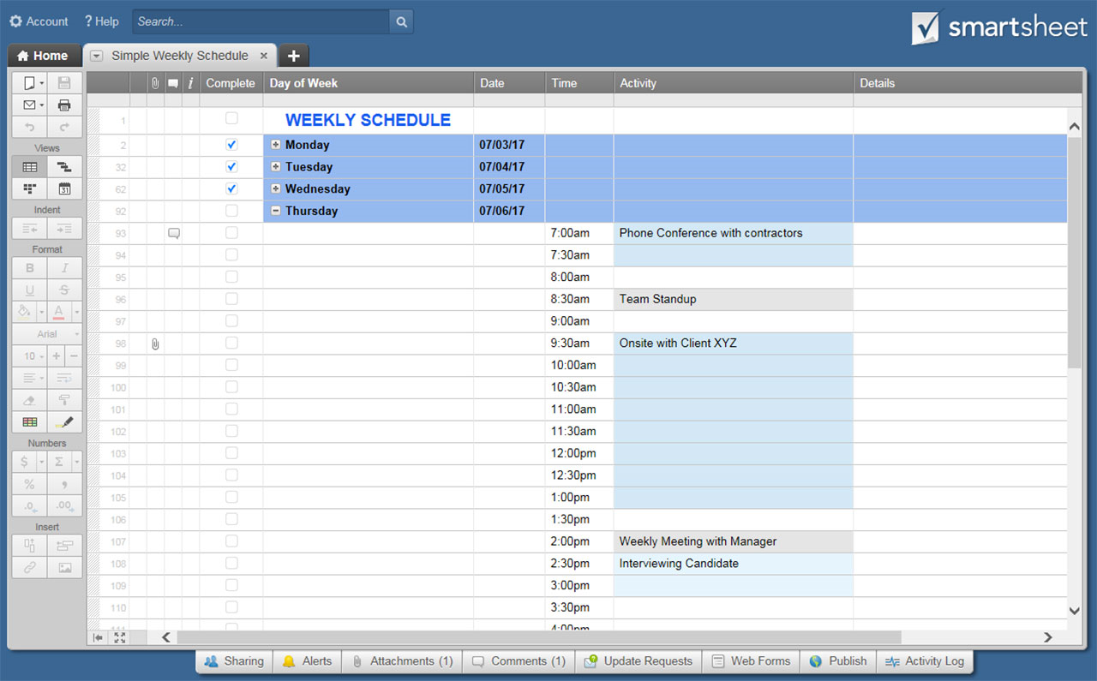
WEEKLY SCHEDULE |  |  | SCHEDULE START TIME | TIME INTERVAL | WEEK START DATE
 |  |  | 7:00:00 | 30 MIN | 2019-07-07
 |  |  |  |  |  | 30
TIME | SUN | MON | TUES | WED | THURS | FRI | SAT
 | 2019-07-07 | 2019-07-08 | 2019-07-09 | 2019-07-10 | 2019-07-11 | 2019-07-12 | 2019-07-13
7:00:00
7:30:00
8:00:00
8:30:00
9:00:00
9:30:00
10:00:00
10:30:00
11:00:00
11:30:00
12:00:00
12:30:00
13:00:00
13:30:00
14:00:00
14:30:00
15:00:00
15:30:00
16:00:00
16:30:00
17:00:00
17:30:00
18:00:00
18:30:00
19:00:00
19:30:00
20:00:00
20:30:00
21:00:00
21:30:00
22:00:00
22:30:00
23:00:00
23:30:00
1900-01-01 00:00:00
1900-01-01 00:30:00
1900-01-01 01:00:00
1900-01-01 01:30:00
1900-01-01 02:00:00
1900-01-01 02:30:00
1900-01-01 03:00:00
1900-01-01 03:30:00
1900-01-01 04:00:00
1900-01-01 04:30:00
1900-01-01 05:00:00
1900-01-01 05:30:00
1900-01-01 06:00:00
1900-01-01 06:30:00

CLICK HERE TO CREATE WEEKLY SCHEDULE TEMPLATE IN SMARTSHEET

