Blank Weekly Calendar
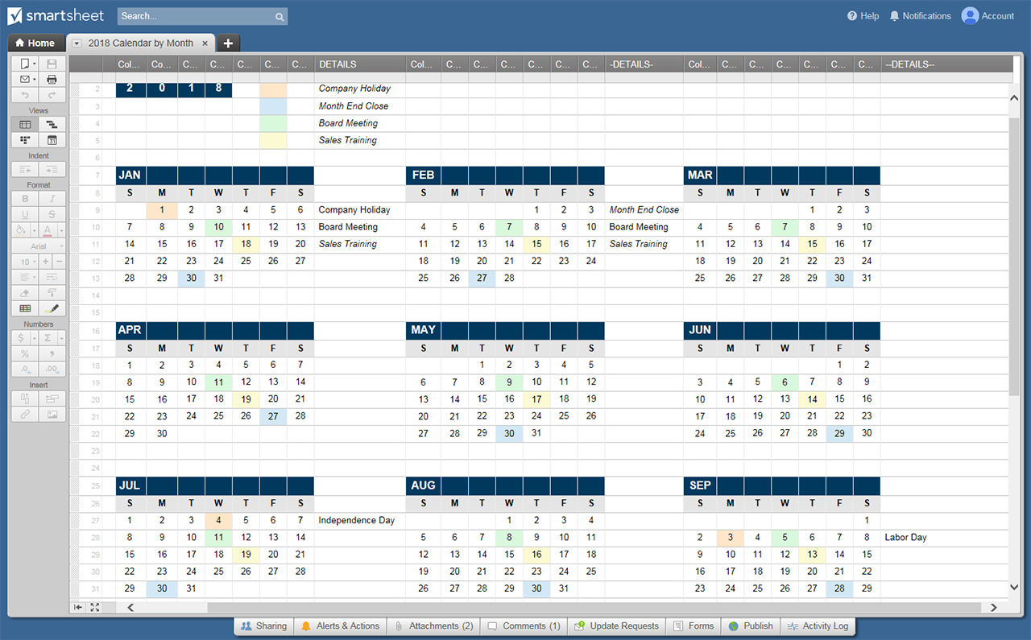
BLANK WEEKLY CALENDAR TEMPLATE
 | SUN | MON | TUES | WED | THURS | FRI | SAT
JANUARY

FEBRUARY

MARCH

APRIL

MAY

JUNE

JULY

AUGUST

SEPTEMBER

OCTOBER

NOVEMBER

DECEMBER

JANUARY

CLICK HERE TO CREATE CALENDAR TEMPLATES IN SMARTSHEET

