2015
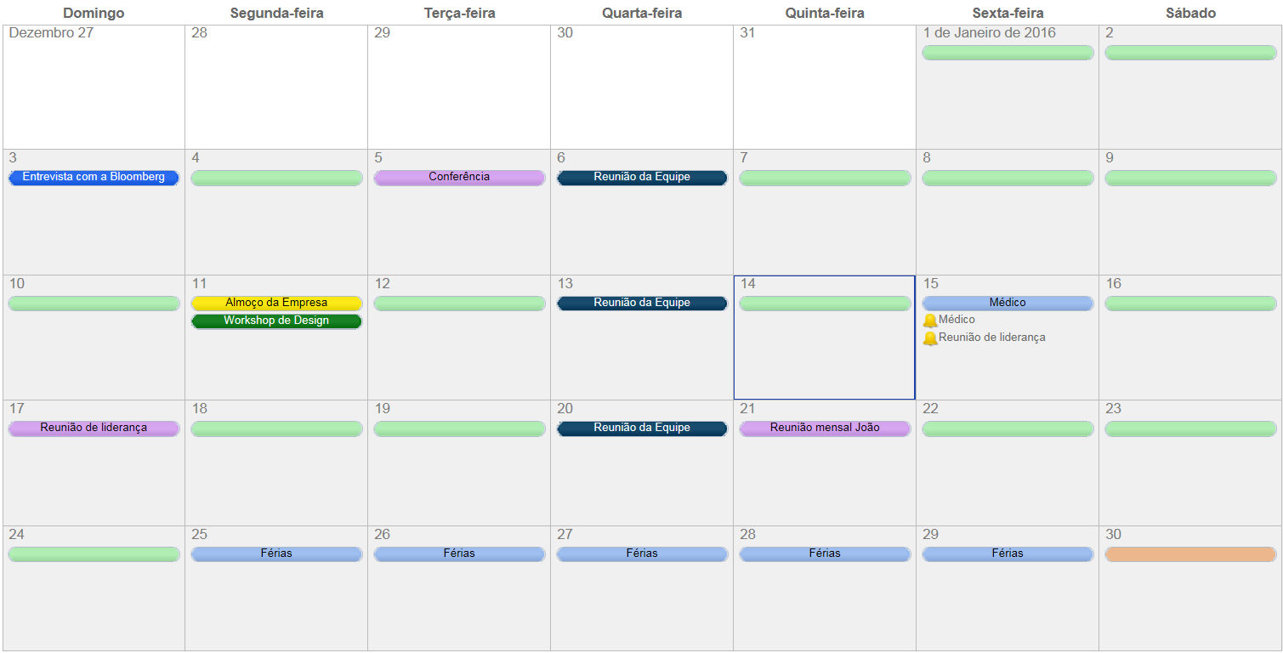
 | 2015 |  |  |  |  |  |  |  |  |  |  |  |  |  |  |  |  |  |  |  |  | Notas

 | Janeiro |  |  |  |  |  |  | Fevereiro |  |  |  |  |  |  | Março
 | D | S | T | Q | Q | S | S | D | S | T | Q | Q | S | S | D | S | T | Q | Q | S | S | ______________________________________________________________
 |  |  |  |  | 1 | 2 | 3 | 1 | 2 | 3 | 4 | 5 | 6 | 7 | 1 | 2 | 3 | 4 | 5 | 6 | 7
 | 4 | 5 | 6 | 7 | 8 | 9 | 10 | 8 | 9 | 10 | 11 | 12 | 13 | 14 | 8 | 9 | 10 | 11 | 12 | 13 | 14 | ______________________________________________________________
 | 11 | 12 | 13 | 14 | 15 | 16 | 17 | 15 | 16 | 17 | 18 | 19 | 20 | 21 | 15 | 16 | 17 | 18 | 19 | 20 | 21
 | 18 | 19 | 20 | 21 | 22 | 23 | 24 | 22 | 23 | 24 | 25 | 26 | 27 | 28 | 22 | 23 | 24 | 25 | 26 | 27 | 28 | ______________________________________________________________
 | 25 | 26 | 27 | 28 | 29 | 30 | 31 |  |  |  |  |  |  |  | 29 | 30 | 31
 |  |  |  |  |  |  |  |  |  |  |  |  |  |  |  |  |  |  |  |  |  | ______________________________________________________________
 | Abril |  |  |  |  |  |  | Maio |  |  |  |  |  |  | Junho
 | D | S | T | Q | Q | S | S | D | S | T | Q | Q | S | S | D | S | T | Q | Q | S | S | ______________________________________________________________
 |  |  |  | 1 | 2 | 3 | 4 |  |  |  |  |  | 1 | 2 |  | 1 | 2 | 3 | 4 | 5 | 6
 | 5 | 6 | 7 | 8 | 9 | 10 | 11 | 3 | 4 | 5 | 6 | 7 | 8 | 9 | 7 | 8 | 9 | 10 | 11 | 12 | 13 | ______________________________________________________________
 | 12 | 13 | 14 | 15 | 16 | 17 | 18 | 10 | 11 | 12 | 13 | 14 | 15 | 16 | 14 | 15 | 16 | 17 | 18 | 19 | 20
 | 19 | 20 | 21 | 22 | 23 | 24 | 25 | 17 | 18 | 19 | 20 | 21 | 22 | 23 | 21 | 22 | 23 | 24 | 25 | 26 | 27 | ______________________________________________________________
 | 26 | 27 | 28 | 29 | 30 |  |  | 24 | 25 | 26 | 27 | 28 | 29 | 30 | 28 | 29 | 30
 |  |  |  |  |  |  |  | 31 |  |  |  |  |  |  |  |  |  |  |  |  |  | ______________________________________________________________

 | Julho |  |  |  |  |  |  | Agosto |  |  |  |  |  |  | Setembro |  |  |  |  |  |  | ______________________________________________________________
 | D | S | T | Q | Q | S | S | D | S | T | Q | Q | S | S | D | S | T | Q | Q | S | S
 |  |  |  | 1 | 2 | 3 | 4 |  |  |  |  |  |  | 1 |  |  | 1 | 2 | 3 | 4 | 5 | ______________________________________________________________
 | 5 | 6 | 7 | 8 | 9 | 10 | 11 | 2 | 3 | 4 | 5 | 6 | 7 | 8 | 6 | 7 | 8 | 9 | 10 | 11 | 12
 | 12 | 13 | 14 | 15 | 16 | 17 | 18 | 9 | 10 | 11 | 12 | 13 | 14 | 15 | 13 | 14 | 15 | 16 | 17 | 18 | 19 | ______________________________________________________________
 | 19 | 20 | 21 | 22 | 23 | 24 | 25 | 16 | 17 | 18 | 19 | 20 | 21 | 22 | 20 | 21 | 22 | 23 | 24 | 25 | 26
 | 26 | 27 | 28 | 29 | 30 | 31 |  | 23 | 24 | 25 | 26 | 27 | 28 | 29 | 27 | 28 | 29 | 30 |  |  |  | ______________________________________________________________
 |  |  |  |  |  |  |  | 30 | 31
 |  |  |  |  |  |  |  |  |  |  |  |  |  |  |  |  |  |  |  |  |  | ______________________________________________________________
 | Outubro |  |  |  |  |  |  | Novembro |  |  |  |  |  |  | Dezembro
 | D | S | T | Q | Q | S | S | D | S | T | Q | Q | S | S | D | S | T | Q | Q | S | S | ______________________________________________________________
 |  |  |  |  | 1 | 2 | 3 | 1 | 2 | 3 | 4 | 5 | 6 | 7 |  |  | 1 | 2 | 3 | 4 | 5
 | 4 | 5 | 6 | 7 | 8 | 9 | 10 | 8 | 9 | 10 | 11 | 12 | 13 | 14 | 6 | 7 | 8 | 9 | 10 | 11 | 12 | ______________________________________________________________
 | 11 | 12 | 13 | 14 | 15 | 16 | 17 | 15 | 16 | 17 | 18 | 19 | 20 | 21 | 13 | 14 | 15 | 16 | 17 | 18 | 19
 | 18 | 19 | 20 | 21 | 22 | 23 | 24 | 22 | 23 | 24 | 25 | 26 | 27 | 28 | 20 | 21 | 22 | 23 | 24 | 25 | 26 | ______________________________________________________________
 | 25 | 26 | 27 | 28 | 29 | 30 | 31 | 29 | 30 |  |  |  |  |  | 27 | 28 | 29 | 30 | 31

Ou, Crie sua agenda mensal no Smartsheet

 |  |  |  |  |  |  |  |  |  |  |  |  |  |  |  |  |  |  |  |  | Comece agora | Grátis

