Dashboard
Project Dashboard

Gantt Chart
 | Start Date | Duration
Project A | 2016-05-05 | 57
Project B | 2016-05-10 | 92
Project C | 2016-06-10 | 264
Project D | 2016-06-22 | 43
Project E | 2016-07-14 | 110
Project F | 2016-07-14 | 190
Project G | 2016-08-01 | 61
Project H | 2016-08-14 | 16
Project I | 2016-09-01 | 100
Project J | 2016-10-01 | 45
Project K | 2016-10-01 | 61
Project L | 2016-11-01 | 30
Project M | 2016-11-10 | 30
Project N | 2016-12-01 | 71
Resource Allocation
 | Project Name | # of Team Members
Project A | 0 | 10
Project B | 0 | 2
Project C | 0 | 4
Project D | 0 | 5
Project E | 0 | 7
Project F | 0 | 5
Project G | 0 | 12
Project H | 0 | 2
Project I | 0 | 7
Project J | 0 | 5
Project K | 0 | 10
Project L | 0 | 4
Project M | 0 | 3
Project N | 0 | 1
Open and Pending Actions
Issues | 18
Revisions | 16
Pending Actions | 27

Project Budget
 | Project Budget | Actual Budget | Remainder
Project A | $1,000,000 | $880,000 | $120,000
Project B | $900,000 | $920,000 | -$20,000
Project C | $860,000 | $880,000 | -$20,000
Project D | $1,000,000 | $998,050 | $1,950
Project E | $294,000 | $280,000 | $14,000
Project F | $123,400 | $125,000 | -$1,600
Project G | $250,500 | $236,000 | $14,500
Project H | $127,200 | $126,000 | $1,200
Project I | $80,000 | $79,900 | $100
Project J | $77,000 | $77,000 | $0
Project K | $65,000 | $55,000 | $10,000
Project L | $550,000 | $651,000 | -$101,000
Project M | $45,000 | $42,000 | $3,000
Project N | $32,500 | $25,000 | $7,500
 | Project Name | Sum of High Risk | Sum of Medium Risk | Sum of Low Risk
 | Project A | 1 | 0 | 4
 | Project B | 2 | 3 | 5
 | Project C | 3 | 4 | 3
 | Project D | 5 | 8 | 1
 | Project E | 8 | 6 | 4
 | Project F | 5 | 0 | 0
 | Project G | 6 | 4 | 0
 | Project H | 7 | 3 | 3
 | Project I | 0 | 2 | 4
 | Project J | 4 | 4 | 5
 | Project K | 3 | 6 | 4
 | Project L | 2 | 3 | 6
 | Project M | 1 | 1 | 7
 | Project N | 5 | 0 | 2
 | Grand Total | 52 | 44 | 48

Learn About Smartsheet's Dashboard

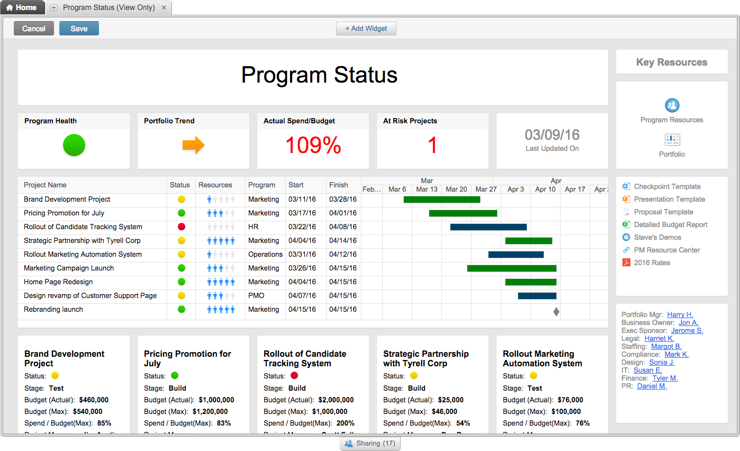

RISK ANALYSIS

OPEN & PENDING ACTIONS

