Step 1 - Define the Problem
 |  |  |  | Or, Click Here to Create Your Root Cause Analysis in Smartsheet
Step 1: Define the Problem

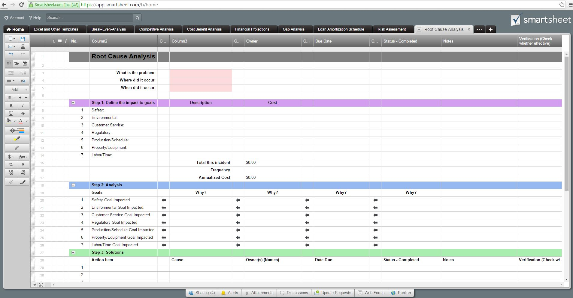
What | Problem (s)
When | Date
 | Time

Where | Facility, site,
 | Unit, area, equipment
 | Task being performed
Impact to the Goals
 | Safety
 | Environmental
 | Customer Services
 | Regulatory
 | Production / Schedule
 | Property / Equipment
 | Labor / Time
 |  | Total this incident | $-
 | Frequency
 |  | Annualized Cost | $-

