Sheet1
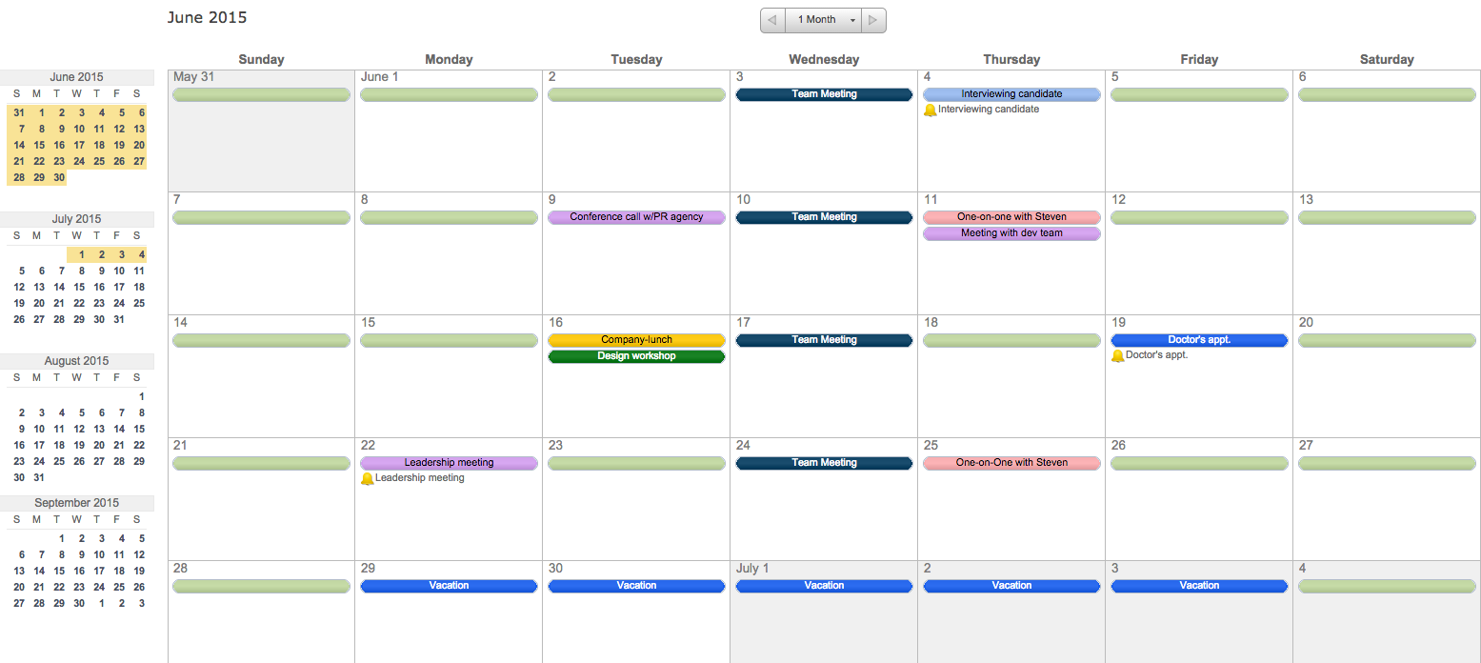
WEEKLY SCHEDULE

 | Morning | Afternoon | Evening

Monday

Tuesday

Wednesday

Thursday

Friday

↓ Or, Create Your Own Weekly Schedule in Smartsheet ↓

 | Get Started | FREE

 | ✓ Instant Sign Up ✓ No Credit Card Required ✓ Nothing to Install

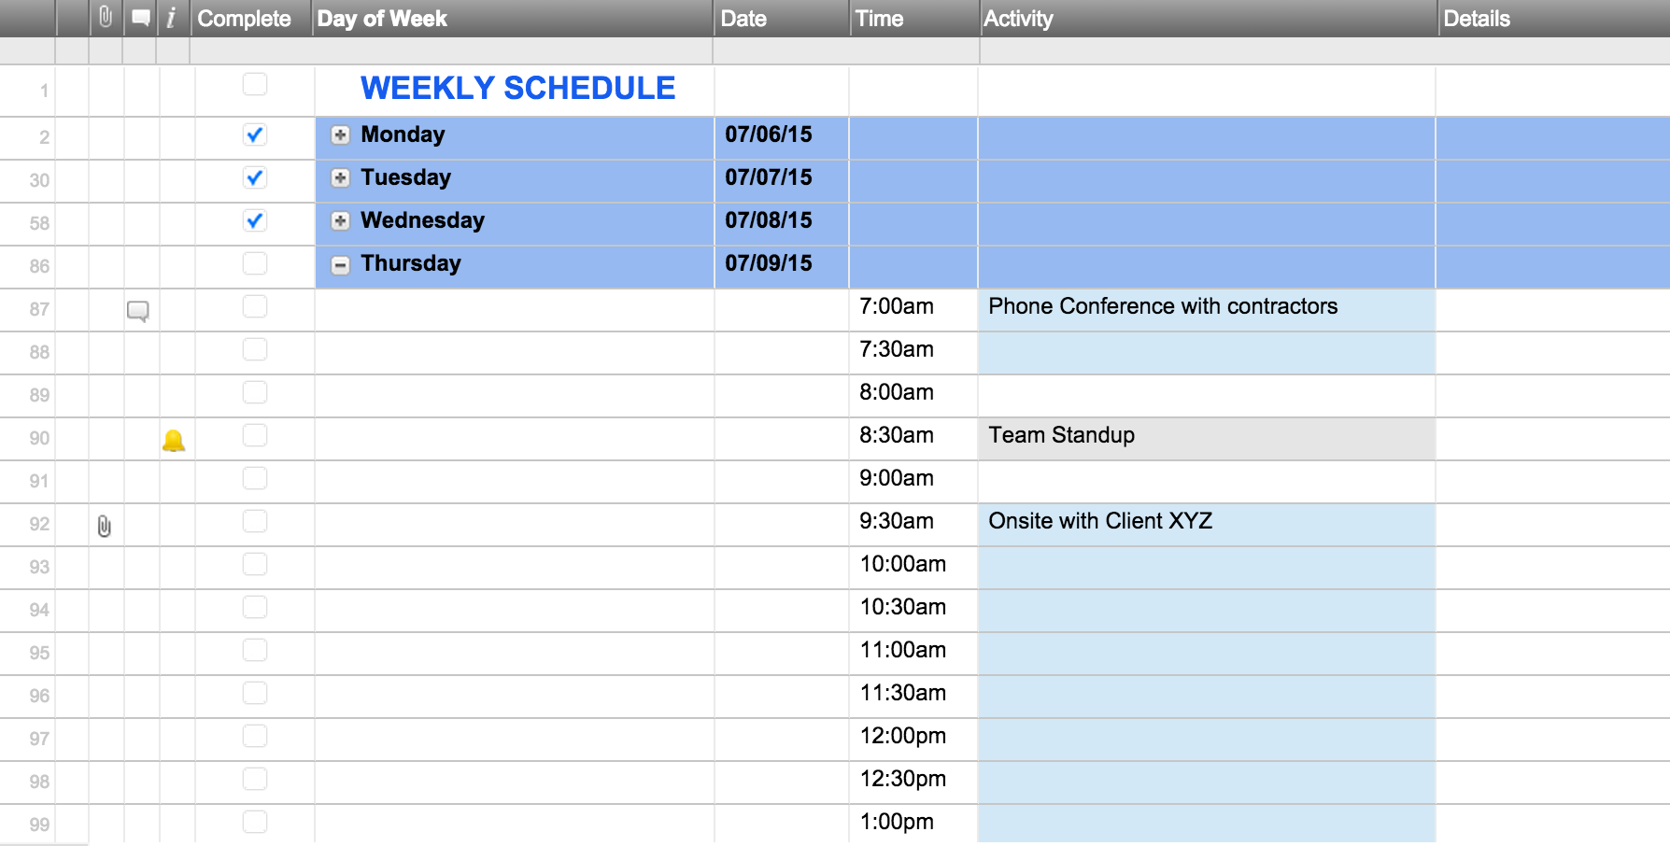
 |  |  |  | Track Your Weekly Schedule with this Interactive Online Template

 |  |  | Calendar Mode ↓

