Invoice+Tax
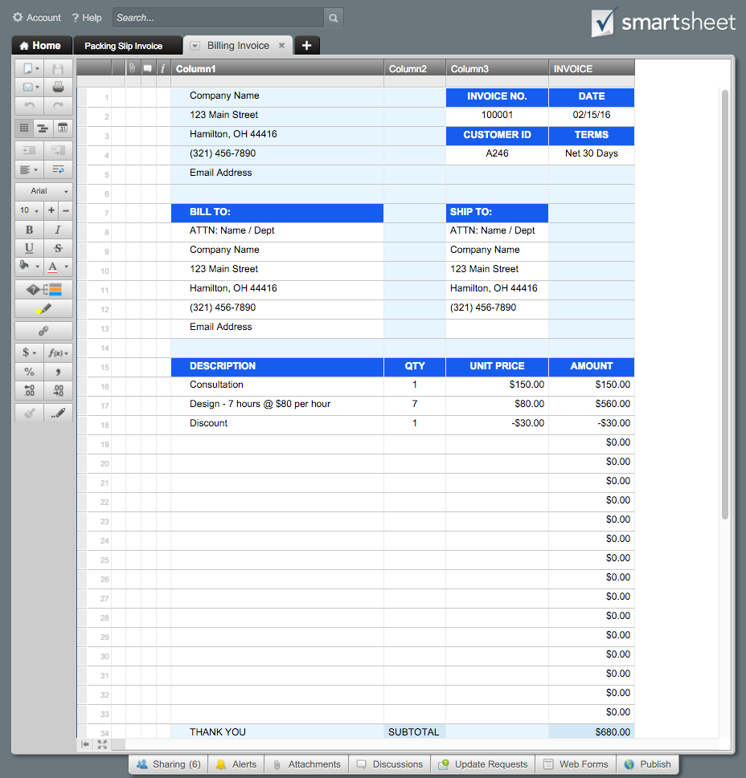
 |  | BILLING INVOICE |  | Or, Click Here to Create Your Billing Invoice in Smartsheet
Company Name | INVOICE NO. |  | DATE
123 Main Street | 100001 |  | 2016-02-15
Hamilton, OH 44416 | CUSTOMER ID |  | TERMS
(321) 456-7890 | A246 |  | Net 30 Days
Email Address

BILL TO: | SHIP TO:
ATTN: Name / Dept | ATTN: Name / Dept
Company Name | Company Name
123 Main Street | 123 Main Street
Hamilton, OH 44416 | Hamilton, OH 44416
(321) 456-7890 | (321) 456-7890
Email Address

DESCRIPTION | QTY | UNIT PRICE | AMOUNT
Consultation | 1 | 150.00 | 150.00
Design - 7 hours @ $80 per hour | 7 | 80.00 | 560.00
Discount | 1 | -30.00 | -30.00
 |  |  | 0.00
 |  |  | 0.00
 |  |  | 0.00
 |  |  | 0.00
 |  |  | 0.00
 |  |  | 0.00
 |  |  | 0.00
 |  |  | 0.00
 |  |  | 0.00
 |  |  | 0.00
 |  |  | 0.00
 |  |  | 0.00
 |  |  | 0.00
 |  |  | 0.00
 |  |  | 0.00
THANK YOU | SUBTOTAL |  | 680.00
 | TAX (3.8%) |  | 25.84
 | TOTAL |  | $705.84

For questions concerning this invoice, please contact
Name, (321) 456-7890, Email Address
www.yourwebaddress.com

