Business Invoice
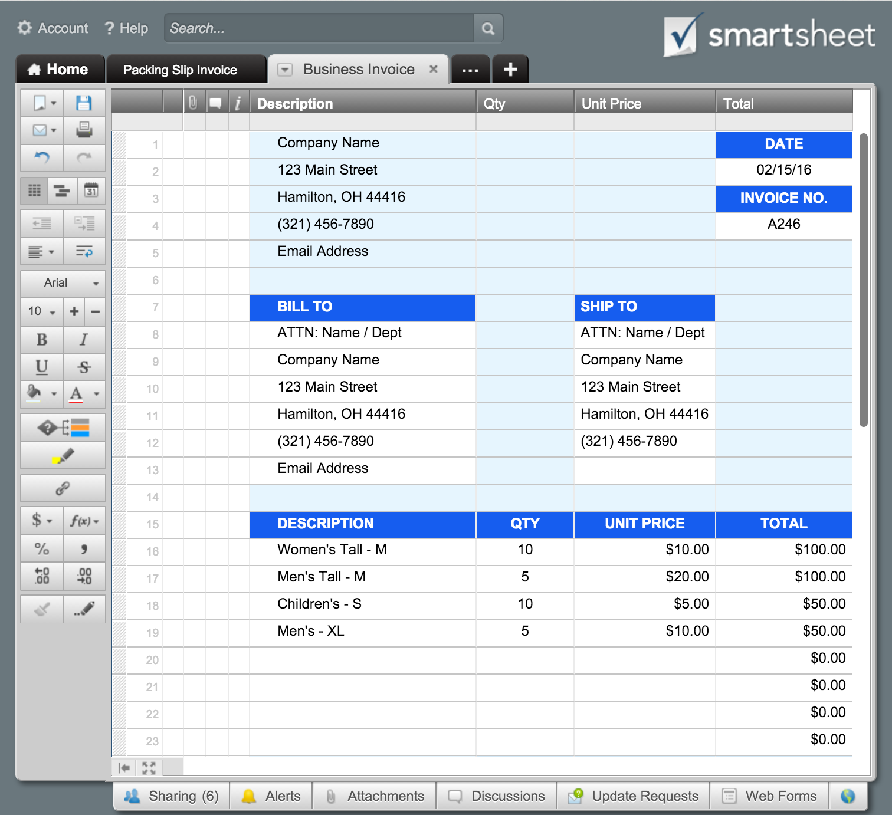
 |  | BUSINESS INVOICE |  | Or, Click Here to Create Your Business Invoice with Smartsheet
Company Name |  | DATE
123 Main Street |  | 2016-02-15
Hamilton, OH 44416 |  | INVOICE NO.
(321) 456-7890 |  | A246
Email Address
 |  | Payment due upon receipt.

BILL TO | SHIP TO
ATTN: Name / Dept | ATTN: Name / Dept
Company Name | Company Name
123 Main Street | 123 Main Street
Hamilton, OH 44416 | Hamilton, OH 44416
(321) 456-7890 | (321) 456-7890
Email Address

DESCRIPTION | QTY | UNIT PRICE | TOTAL
Women's Tall - M | 10 | 10.00 | 100.00
Men's Tall - M | 5 | 20.00 | 100.00
Children's - S | 10 | 5.00 | 50.00
Men's - XL | 5 | 10.00 | 50.00
 |  |  | 0.00
 |  |  | 0.00
 |  |  | 0.00
 |  |  | 0.00
 |  |  | 0.00
Remarks / Instructions: OTHER = New customer set up fee | SUBTOTAL |  | 300.00
 | TAX (3.8%) |  | 11.40
 | SHIPPING/HANDLING |  | 30.00
Please make check payable to Your Company Name. | OTHER |  | 15.00
THANK YOU | TOTAL |  | $356.40

For questions concerning this invoice, please contact
Name, (321) 456-7890, Email Address
www.yourwebaddress.com

